GT Spirit - Future Arrivals
 | Motorcity Classics, Inc. 12717 West Sunrise Blvd #418 Sunrise, FL 33323 USA |  |  |  | 
Please e-mail your purchase orders to orders@motorcityclassicsinc.com or call (954) 473-2201 |  |  |  |  | Pricelist: 402068
HQ Photos | SKU | Description | MAP | Wholesale Cost | Image | Pack Size | Scale | EAN | Order by: | Availability | Limited Edition | Order Amount | Total
1:18 SCALE
Images available upon request | GT623 | 1:18 Aston Martin Vantage Roadster Xenon Grey 2025 | No MAP | $83.86 |  | 6 | 1:18 | 9580010318797 | July 31, 2026 | December 2026 |  |  | $-
Images available upon request | GT595 | 1:18 Shelby Cobra 427 S/C Navy Blue 1967 | No MAP | $83.86 |  | 6 | 1:18 | 9580010318469 | July 31, 2026 | December 2026 |  |  | $-
Images available upon request | GT1018 | 1:18 Dodge Charger Daytona R/T Plum Crazy 2024 | No MAP | $83.86 | 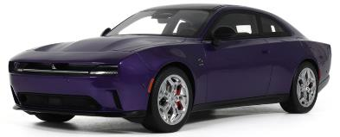 | 6 | 1:18 | 9580010318858 | July 31, 2026 | December 2026 |  |  | $-
Images available upon request | GT1014 | 1:18 Bmw M5 Competition Java Green 2021 | No MAP | $83.86 | 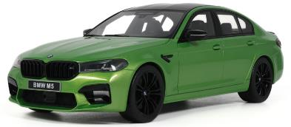 | 6 | 1:18 | 9580010318926 | July 31, 2026 | December 2026 |  |  | $-
Images available upon request | GT593 | 1:18 Rwb Black Flat Black 2013 | No MAP | $83.86 |  | 6 | 1:18 | 9580010318513 | July 31, 2026 | December 2026 |  |  | $-
Images available upon request | GT985 | 1:18 Pandem Toyota Gr86 Castrol 2026 | No MAP | $83.86 |  | 6 | 1:18 | 9580010318483 | July 31, 2026 | December 2026 |  |  | $-
Images available upon request | GT1019 | 1:18 Porsche 911 (992) Mint Green 2025 | No MAP | $83.86 | 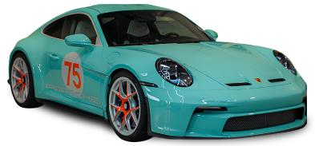 | 6 | 1:18 | 9580010318773 | July 31, 2026 | December 2026 |  |  | $-
Images available upon request | GT1012 | 1:18 Porsche 911 (964) America Gs Turquoise Blue 1993 | No MAP | $83.86 |  | 6 | 1:18 | 9580010319121 | August 30, 2026 | January 2027 |  |  | $-
Images available upon request | GT594 | 1:18 Ruf Ctr Anniversary Speed Yellow 2019 | No MAP | $83.86 |  | 6 | 1:18 | 9580010319008 | August 30, 2026 | January 2027 |  |  | $-
Images available upon request | GT1009 | 1:18 Brabus Rocket Gts Carbon Blue 2025 | No MAP | $83.86 |  | 6 | 1:18 | 9580010318537 | August 30, 2026 | January 2027 |  |  | $-
Images available upon request | GT988 | 1:18 Koenigsegg Jesko Green 2024 | No MAP | $83.86 |  | 6 | 1:18 | 9580010318575 | August 30, 2026 | January 2027 |  |  | $-
Images available upon request | GT622 | 1:18 Khyzyl Saleem Eb110K French Racing Blue 2025 | No MAP | $83.86 |  | 6 | 1:18 | 9580010318896 | August 30, 2026 | January 2027 |  |  | $-
Images available upon request | GT987 | 1:18 Aston Martin Valiant Zenith White 2024 | No MAP | $83.86 |  | 6 | 1:18 | 9580010318551 | August 30, 2026 | January 2027 |  |  | $-
Images available upon request | GT1029 | 1:18 Nissan Silvia (S15) Super Silhouette By Lb-Works Pink 2025 | No MAP | $83.86 |  | 6 | 1:18 | 9580010319107 | August 30, 2026 | January 2027 |  |  | $-
 |  |  |  |  | 1:12 SCALE
Images available upon request | GT579 | 1:12 Porsche 911 (964) 30 Jahre Viola Metallic 1993 | No MAP | $167.86 |  | 4 | 1:12 | 9580010317820 | August 30, 2026 | January 2027 |  |  | $-
 |  |  |  |  | 1:8 SCALE
Images available upon request | GTS80013 | 1:8 Porsche 911 (964) 3.6 Turbo Polar Silver 1993 | No MAP | $838.60 |  | 1 | 1:8 | 9580010306183 | July 31, 2026 | December 2026 |  |  | $-
Images available upon request | GTS801302 | 1:8 Koenigsegg Jesko Pearl Green 2024 | No MAP | $838.60 |  | 1 | 1:8 | 9580010318766 | July 31, 2026 | December 2026 |  |  | $-
Images available upon request | GTS802302 | 1:8 Porsche 911 3.2 Targa Grand Prix White 1984 | No MAP | $838.60 |  | 1 | 1:8 | 9580010318872 | August 30, 2026 | January 2027 |  |  | $-
 |  |  |  |  |  |  |  |  |  |  |  | Total | $-

