Sheet1
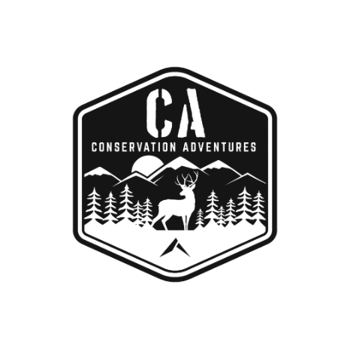

Conservation Science Curriculum
Order Form

Date:

Bill to: |  |  |  | Ship to:

Attn: |  |  |  | Attn:
School Name: |  |  |  | School Name:
Address: |  |  |  | Address:
City/St/Zip: |  |  |  | City/St/Zip:

Qty. | Description |  |  |  |  | Unit Price | Total
0 | Print & Digital Package - One Year: Includes printed copy of student textbook and digital access to textbook. Shipping is Included. (Cost is per student). |  |  |  |  | $38.50 | $-
0 | Digital-Only Package - One Year: Includes one school year access to digital workbook. (Cost is per student). |  |  |  |  | $25.00 | $-
0 | Annual License Fee: Includes access to teacher materials and online resources. (Cost per High School) |  |  |  |  | $100.00 | $-

 | *Multi-year orders (4 yr or more) are eligible for discounted pricing. Please ask for a individualized quote.
 |  |  |  |  |  |  | $-
 |  |  |  |  | Total Order |  | $-
To pay by credit card, please call Jeff Nations at 614-888-4868 or submit the following information:
Card Type (Circle one): |  | Visa | MasterCard |  | Discover | American Express

Name on Card |  |  |  |  |  | CVV Code:

Card Number: |  |  |  |  |  | Expiration Date:

Signature:

Please make Checks Payable to:
 | Sportsmen's Alliance Foundation
 | Attn: Accounts Receivable
 | 801 Kingsmill Parkway
 | Columbus, OH 43229-1137

Conservation Adventures is an initiative owned and operated by the Sportsmen’s Alliance Foundation, Inc.- a 501(c)3 nonprofit corporation. You may receive communications, receipts, payment confirmation and other information from us that may include such references. All materials are protected under copyright laws of the United States.

