Sheet1
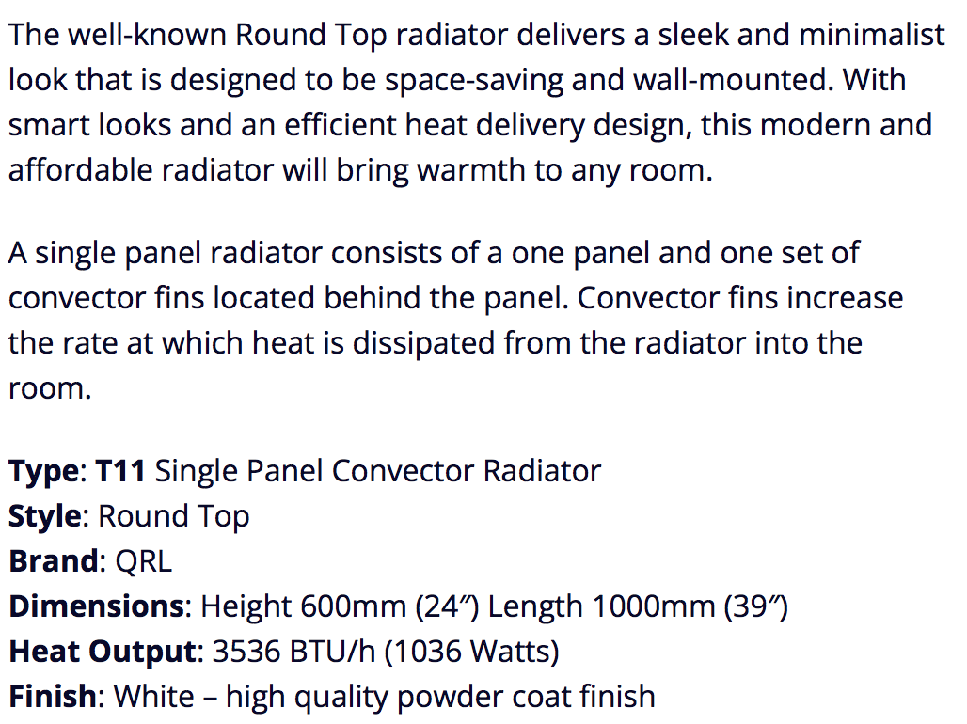
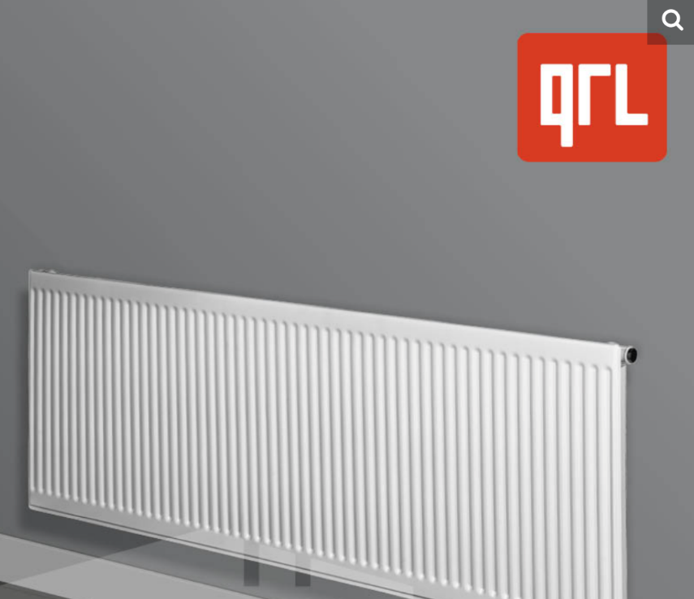
TYPE | COLOUR | HEIGHT | WIDTH | QTY | Import Price | Total Import Price
SINGLE | WHITE | 400 | 400 | 100 | £13.30 | £1,330.00
SINGLE | WHITE | 500 | 500 | 130 | £16.97 | £2,206.10
SINGLE | WHITE | 500 | 1000 | 130 | £26.06 | £3,387.80
SINGLE | WHITE | 600 | 500 | 130 | £19.08 | £2,480.40
SINGLE | WHITE | 600 | 600 | 160 | £20.72 | £3,315.20
SINGLE | WHITE | 600 | 1000 | 500 | £29.95 | £14,975.00
SINGLE | WHITE | 600 | 1100 | 100 | £32.85 | £3,285.00
SINGLE | WHITE | 600 | 1200 | 100 | £34.80 | £3,480.00

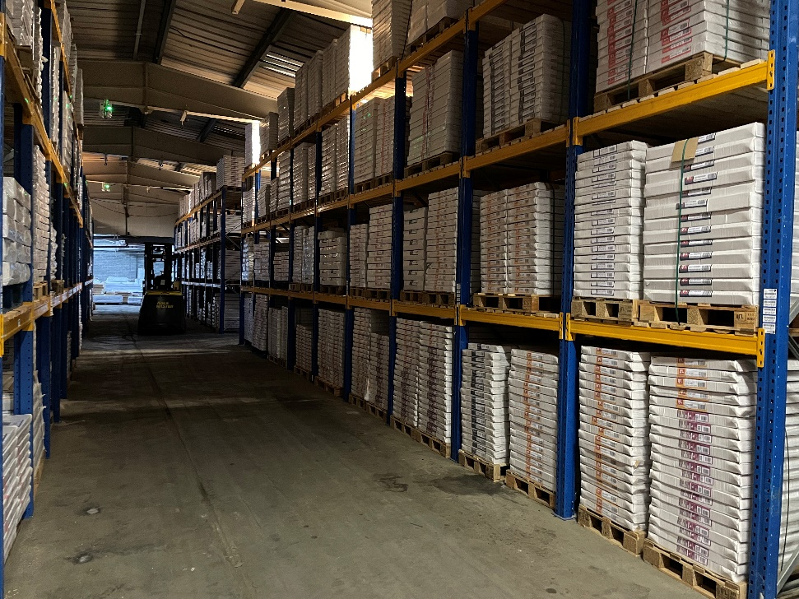
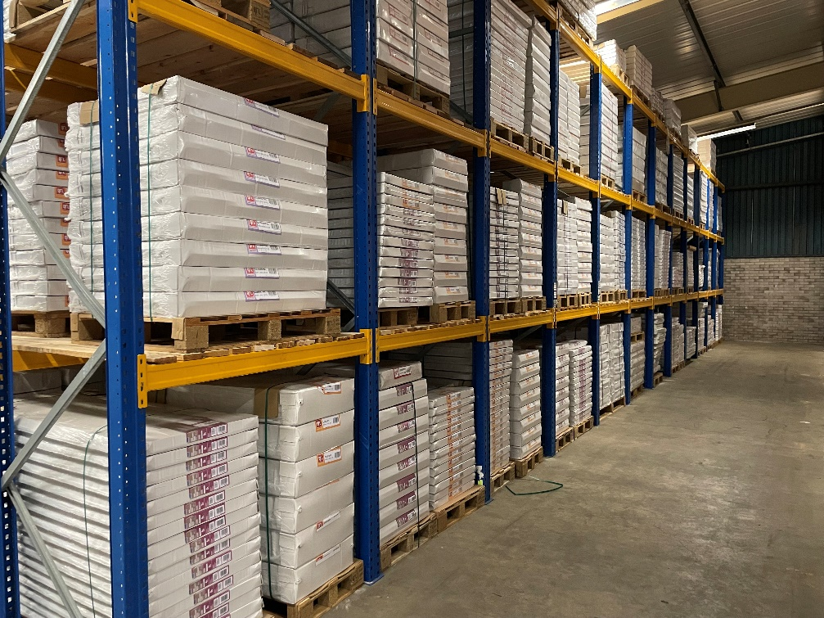
DOUBLE | WHITE | 300 | 1200 | 30 | £35.91 | £1,077.30
DOUBLE | WHITE | 500 | 300 | 70 | £18.21 | £1,274.70
DOUBLE | WHITE | 600 | 400 | 26 | £23.65 | £614.90
DOUBLE | WHITE | 700 | 400 | 25 | £27.20 | £680.00
DOUBLE | WHITE | 900 | 1100 | 26 | £81.97 | £2,131.22
 |  |  |  | 1527
 |  |  |  |  |  | £40,237.62
