BD
 |  | Unit
Picture per Item | Picture per Pack | Barcode | Description | Size | Shelf Life | Available | Available | Languages | Available
 |  |  |  |  |  | Trays | Units |  | Pallets
 | 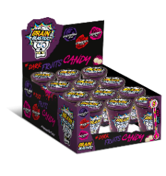 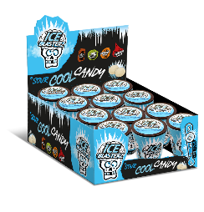 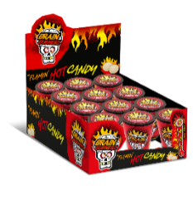 | 5026418050388 | BRAIN BLASTERZ SPRAY CANDY 28M | 28ml | 12 months plus | 12,223 | 220,014 | CZ/DE/DK-NO/EE/ES/FI/FR/GB/GR/HR/HU/IT/LT/LV/NL/PL/PT/RO/RS/SE/SI/SK | 31
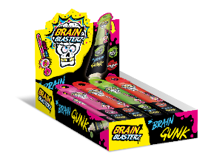 | 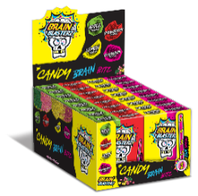 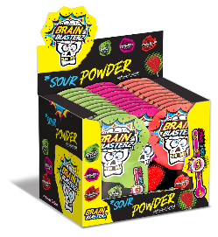 | 5026418052566 | BRAIN BLASTERZ SOUR GEL POUCH | 28ml | 12 months plus | 13,218 | 158,616 | AR/CZ/DE/DK-NO/EE/ES/FI/FR/GB/HU/LT/LV/NL/PL/PT/SE | 22
 | 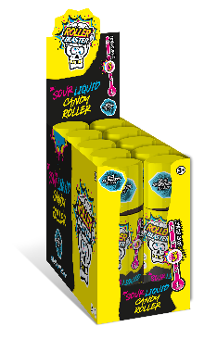 | 5056086500540 | ROLLER BLASTER | 60ml | 12 months plus | 3,317 | 33,170 | GB/FI/SE/DK-NO/PL/LT | 5
 |  |  |  |  |  | 28758 | 411,800

