Sheet1
IMAGE | SKU | PRODUCT NAME | RRP £ | S | M | L | XL | Total
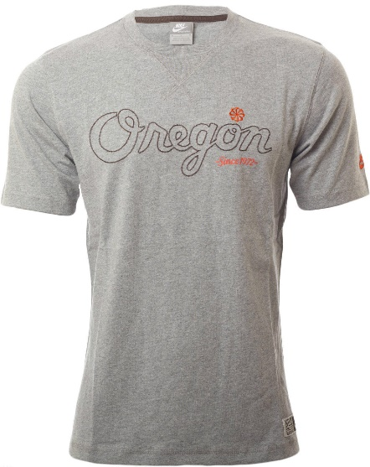 | 406263-063 | Nike Men's Oregon T-Shirt Grey | £24.99 | 19 | 146 | 146 | 370 | 681

