Sheet1
Product Code | Description | Features | Image 1 | Image 2 | Quantity | Cost | Your Line Cost | RRP | Total RRP | Carton Quantity | Barcode | Commodity Code | Dimensions (HxLxW) (cm)
CC000683-001 | GREENPAN GRILL PAN 28 | GP 28 CM GRILL PAN ALUMINIUM PFAS FREE NON-STICK TOXIN FREE STAINLESS STEEL HANDLES METAL UTENSIL SAFE OVEN SAFE UPTO 200C 1L CAPACITY INDUCTION SAFE UK & IRELAND ONLY NO SALE ONLINE | 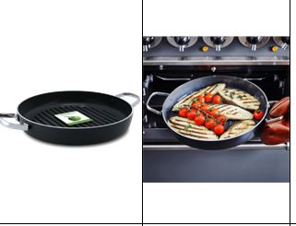 |  | 1369 | £11.25 | £15,401.25 | £62.00 | £84,878.00 | 4 | 4895156644545 | 7615108090 | Product: 28.7 x 5.2 x 38.5 Colour Box: 33.2 x 5.5 x 38.5 Outer Carton: 25 x 42 x 30.5
CC001537-001 | GREENPAN SQUARE GRILLPAN 28 | GREENPAN 28CM GRILL PAN HEALTHY CERAMIC NON-STICK COATING PFAS FREE ALUMINIUM BODY PERFECT FOR ALL HOB TYPES OVEN SAFE UPTO 160C DISHWASHER SAFE UK & IRELAND ONLY NO SALE ONLINE |  |  | 2164 | £8.25 | £17,853.00 | £50.00 | £108,200.00 | 4 | 4895156650898 | 7615108090 | Product: 47.8 x 8 x 29.2 Colour Box: 47.8 x 8 x 29.2 Outer Carton: 28.5 x 53 x 31.5
CC001661-001 | GREENPAN SQUARE GRILL 28 | GP MEMPHIS GRILL PAN 28CM EXTREMELY DURABLE NON-STICK PFAS FREE TOXIN FREE STAY COOL HANDLE INDUCTION SAFE NO SALE ONLINE UK & IRELAND ONLY |  |  | 460 | £9.25 | £4,255.00 | £55.00 | £25,300.00 | 4 | 4895156652069 | 7615108090 | Product: 47.3 x 7.6 x 29.2 Colour Box: 47.3 x 7.9 x 29.2 Outer Carton: 28.5 x 53 x 31.5
CC002922-001 | GREENCHEF SQUARE GRILL 28 | GP 28CM GRIDDLE PAN PFAS FREE HEALTHY CERAMIC NON-STICK 4.3L FULL INDUCTION BASE BAKELITE STAY COOL HANDLES DISHWASHER SAFE NO SALE ONLINE UK & IRELAND ONLY |  |  | 1410 | £7.15 | £10,081.50 | £32.90 | £46,389.00 | 4 | 4895156666882 | 7615108090 | Product: 47.5 x 6.9 x 29.2 Colour Box: 47.5 x 7.2 x 29.2 Outer Carton: 28.5 x 53 x 31.5
CC005194-001 | GREENPAN GRILL PAN 28 | GP SMART SHAPE GRILL PAN 28CM ALUMINIUM BODY FULL INDUCTION PFAS FREE HEALTHY CERAMIC OVEN SAFE DISHWASHER SAFE BAKELITE HANDLES UK & IRELAND ONLY NO SALE ONLINE | 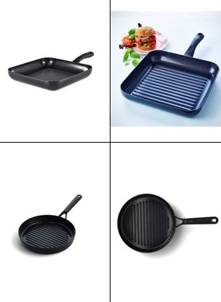 |  | 968 | £14.95 | £14,471.60 | £75.00 | £72,600.00 | 4 | 4895156692430 | 7615108090 | Product: 49 x 9.2 x 28.6 Colour Box: 49 x 9.5 x 28.6 Outer Carton: 18 x 58 x 37
 |  |  |  |  | 13693 |  | £62,062.35 |  | £337,367.00

