Sheet1
Style Name | Colour | Brand | Picture | 2 | 4 | 6 | 8 | 10 | 12 | 14 | 16 | 18 | 20 | 22 | 24 | 26 | 28 | 30 | 32 | 34 | 36 | XXS | XS | S | M | L | One Size | Total | Boxes | Pallet NO
Plus Multi Printed Mesh Midi Dress | Multi | PLT | 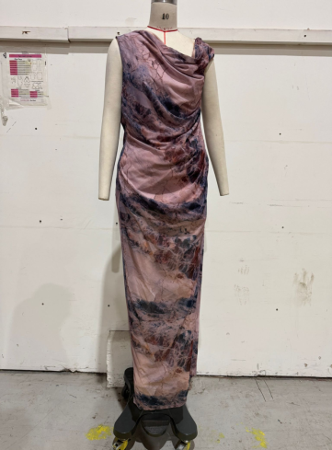 |  |  |  |  |  |  |  | 42 | 62 | 62 | 62 | 42 | 21 | 21 | 21 |  |  |  |  |  |  |  |  |  | 333 | 16
Plus Long Sleeve Blazer Puffball Dress | Black | PLT | 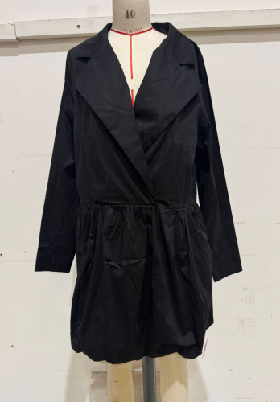 |  |  |  |  |  |  |  | 18 | 25 | 18 | 11 | 10 | 4 | 2 | 2 |  |  |  |  |  |  |  |  |  | 90 | 6
Printed Mesh Extreme Cut Out Maxi Dress | Green | PLT | 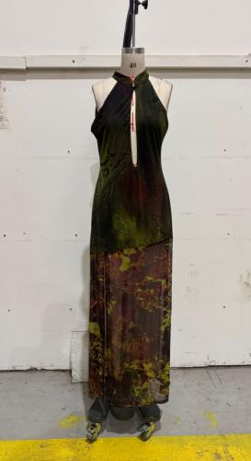 |  | 9 | 14 | 23 | 0 | 18 | 14 | 14 |  |  |  |  |  |  |  |  |  |  |  |  |  |  |  |  | 92 | 3
Rib Zip Funnel Neck Split Detail Midaxi Dress | Oatmeal | PLT | 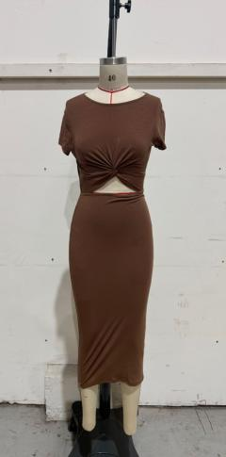 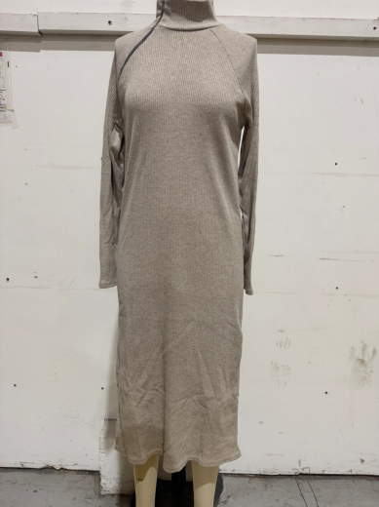 |  | 10 | 19 | 45 | 21 | 9 | 11 | 11 |  |  |  |  |  |  |  |  |  |  |  |  |  |  |  |  | 126 | 6
Ribbed Halterneck Tie Back Bodycon Dress | Green | PLT | 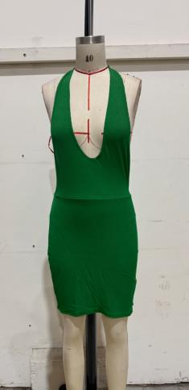 |  | 156 | 120 | 88 | 70 | 58 | 62 |  |  |  |  |  |  |  |  |  |  |  |  |  |  |  |  |  | 554 | 12
Abstract Print Mesh Cut Out Flared Sleeve Bodycon Dress | Blue | PLT | 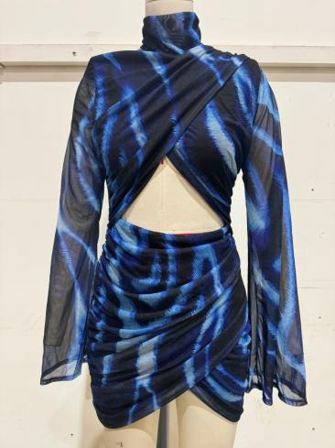 |  | 15 | 50 | 140 | 150 | 100 | 60 | 25 |  |  |  |  |  |  |  |  |  |  |  |  |  |  |  |  | 540 | 20
Slinky One Shoulder Trim Detail Cut Out Bodycon Dress | Chocolate | PLT | 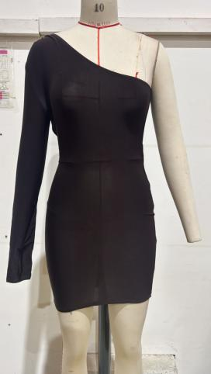 |  | 13 | 38 | 75 | 23 | 15 | 12 | 13 |  |  |  |  |  |  |  |  |  |  |  |  |  |  |  |  | 189 | 8
Thick Rib Ruched Cut Out Detail Midaxi Dress | Black | PLT | 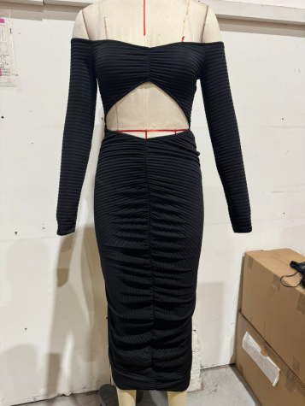 |  | 26 | 44 | 60 | 62 | 45 | 26 | 13 |  |  |  |  |  |  |  |  |  |  |  |  |  |  |  |  | 276 | 13
Thick Rib Ruched Cut Out Detail Midaxi Dress | Emerald Green | PLT | 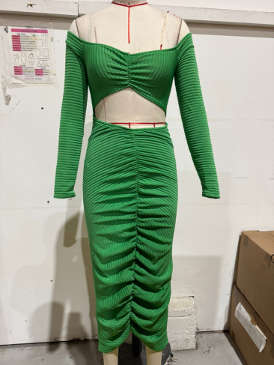 |  | 24 | 36 | 59 | 61 | 14 | 24 | 14 |  |  |  |  |  |  |  |  |  |  |  |  |  |  |  |  | 232 | 12
Rib V Neck Ruched Bodycon Dress | Ecru | PLT | 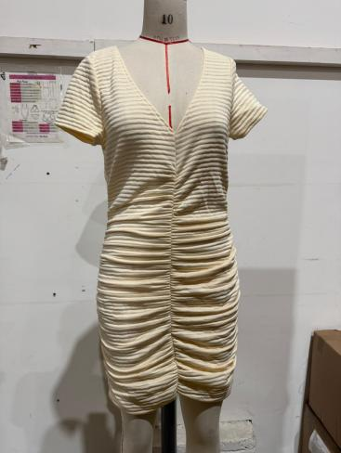 |  | 15 | 40 | 60 | 119 | 30 | 60 | 21 |  |  |  |  |  |  |  |  |  |  |  |  |  |  |  |  | 345 | 13
Shape Faux Leather Cut Out Bandeau Mini Dress | Black | PLT | 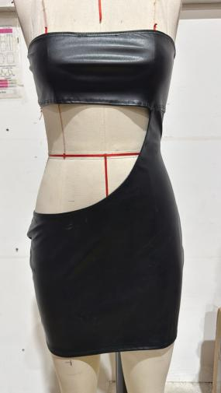 |  | 0 | 46 | 105 | 54 | 42 | 42 | 21 | 4 |  |  |  |  |  |  |  |  |  |  |  |  |  |  |  | 314 | 4
Shape Faux Leather Cut Out Bandeau Mini Dress | Cream | PLT | 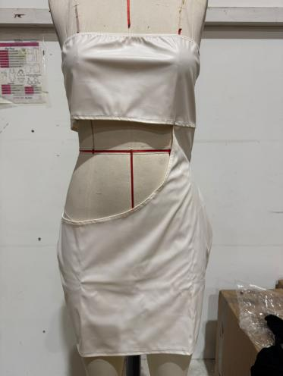 |  | 0 | 63 | 61 | 32 | 25 | 36 | 9 | 8 |  |  |  |  |  |  |  |  |  |  |  |  |  |  |  | 234 | 7
Diamante Strap One Shoulder Satin Wrap Midi Dress | Lime | PLT | 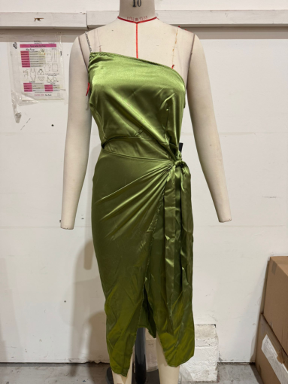 |  | 1 | 1 | 3 | 3 | 4 | 2 | 1 |  |  |  |  |  |  |  |  |  |  |  |  |  |  |  |  | 15 | 1
Ring Detail Ruched Halterneck Strappy Bodycon Dress | Sage Green | PLT | 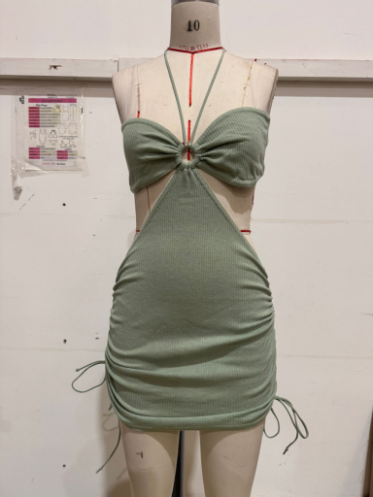 |  | 31 | 63 | 123 | 132 | 90 | 70 | 31 |  |  |  |  |  |  |  |  |  |  |  |  |  |  |  |  | 540 | 15
Shape Wide Rib Collar Detail Midaxi Dress | Black | PLT | 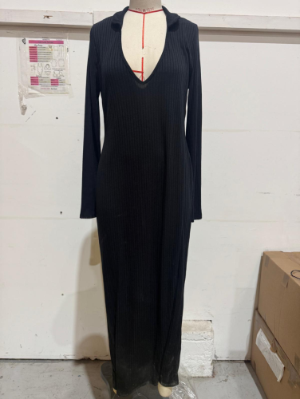 |  |  | 40 | 71 | 32 | 26 | 1 | 9 | 9 |  |  |  |  |  |  |  |  |  |  |  |  |  |  |  | 188 | 6
Petite Long Sleeve Thumb Hole Bodycon Dress | Black | PLT | 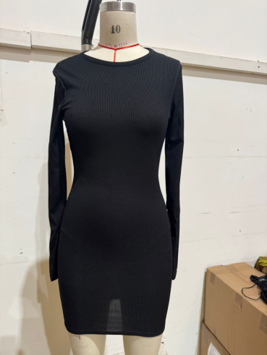 | 23 | 0 | 41 | 69 | 70 | 20 |  |  |  |  |  |  |  |  |  |  |  |  |  |  |  |  |  |  | 223 | 7
Asymmetric Strap Midi Dress | Black | PLT | 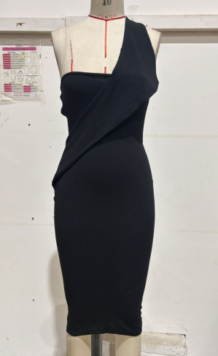 |  | 26 | 58 | 120 | 90 | 110 | 80 | 30 |  |  |  |  |  |  |  |  |  |  |  |  |  |  |  |  | 514 | 19
Rib V Neck Ruched Bodycon Dress | Ecru | PLT | 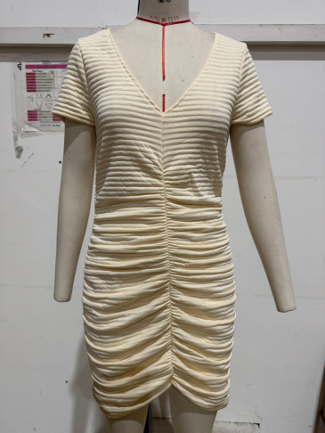 |  |  | 62 | 0 | 90 | 15 | 30 |  |  |  |  |  |  |  |  |  |  |  |  |  |  |  |  |  | 197 | 7
Plus Faux Leather One Shoulder Bardot Bodycon Dress | Black | PLT | 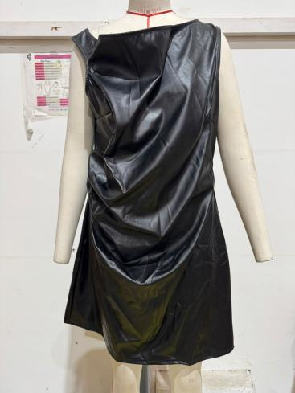 |  |  |  |  |  |  |  | 25 | 33 | 34 | 29 | 21 | 16 | 10 | 9 |  |  |  |  |  |  |  |  |  | 177 | 9
Mesh Ruched Off Bardot Mini Dress | Chocolate | PLT | 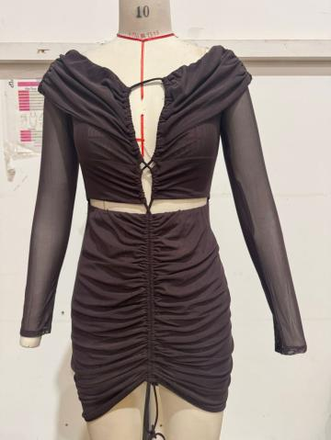 |  | 5 | 10 | 15 | 10 | 20 | 10 | 10 |  |  |  |  |  |  |  |  |  |  |  |  |  |  |  |  | 80 | 3
Plus Animal Printed Mesh Midi Dress | Green | PLT | 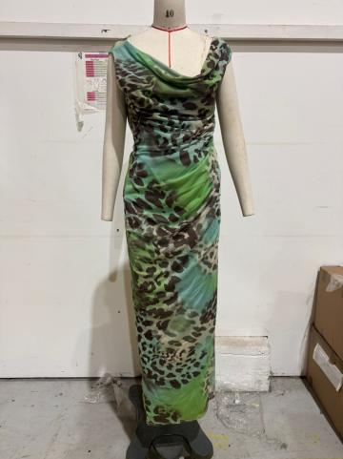 |  |  |  |  |  |  |  | 129 | 145 | 131 | 103 | 62 | 44 | 45 | 41 |  |  |  |  |  |  |  |  |  | 700 | 29
High Neck Wap Skirt Metallic Mini Dress | Oxblood | PLT | 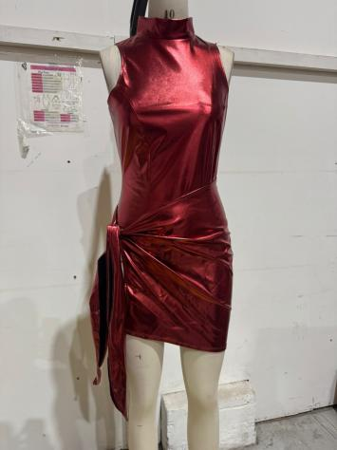 |  | 39 | 60 | 112 | 100 | 72 | 47 | 38 |  |  |  |  |  |  |  |  |  |  |  |  |  |  |  |  | 468 | 13
Abstract Print Floaral Mini Dress | Purple | PLT | 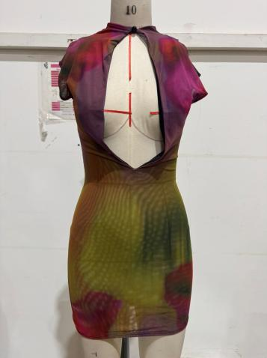 |  | 10 | 12 | 23 | 19 | 16 | 11 | 9 |  |  |  |  |  |  |  |  |  |  |  |  |  |  |  |  | 100 | 1
Rib T Shirt Tie Waist Short Sleeve Dress | Black | PLT | 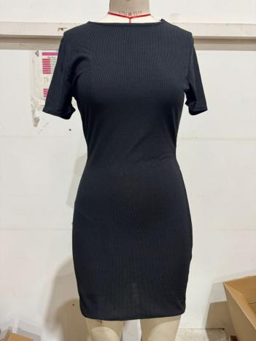 | 0 | 0 | 0 | 0 | 0 | 27 | 0 | 7 |  |  |  |  |  |  |  |  |  |  |  |  |  |  |  |  | 34 | 1
Lace Spaghetti Strap Neck Maxi Sheer Dress | Black | PLT | 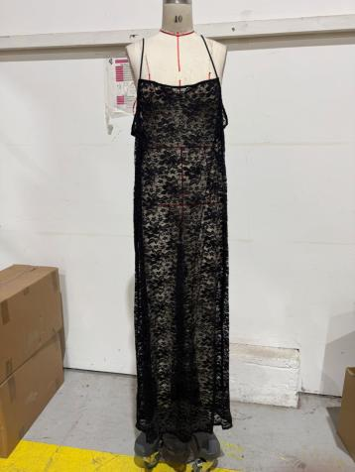 | 0 | 0 | 12 | 24 | 24 | 23 | 18 | 18 | 5 | 5 | 2 | 3 | 3 | 2 | 2 |  |  |  |  |  |  |  |  |  | 141 | 2
White Open Back Bardot Maxi Dress | White | PLT | 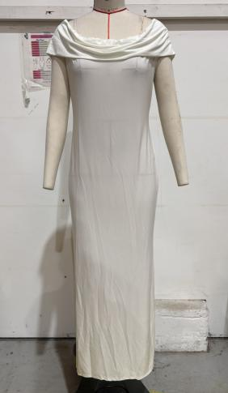 | 0 | 30 | 34 | 27 | 25 | 9 | 9 | 12 | 12 |  |  |  |  |  |  |  |  |  |  |  |  |  |  |  | 158 | 7
 |  |  |  |  |  |  |  |  |  |  |  |  |  |  |  |  |  |  |  |  |  |  |  |  |  |  |  | 24979 | 661

