SOCCER KITS
DESCRIPTION | COLOUR | FABRIC COMPS | XXS | XS | S | M | L | XL | TOTAL | RRP | WSP
MADRID 1/4 ZIP TRAINING JACKET | BLACK/SILVER | 100% POLYESTER | 0 | 40 | 16 | 22 | 72 | 269 | 419 | £50.00 | £20.00 | 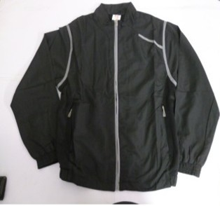
MADRID 1/4 ZIP TRAINING JACKET | BLACK/RED | 100% POLYESTER | 8 | 20 | 0 | 1 | 15 | 333 | 377 | £50.00 | £20.00 | 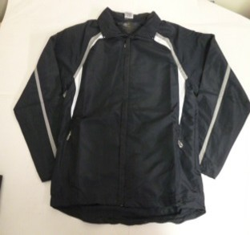
MADRID 1/4 ZIP TRAINING JACKET | NAVY/GREY | 100% POLYESTER | 0 | 29 | 0 | 3 | 41 | 383 | 456 | £50.00 | £20.00 | 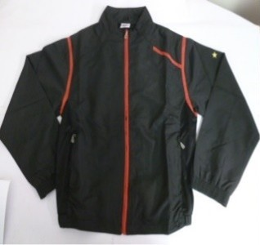
SPORTS GILET | NAVY | 100% POLYESTER | 0 | 140 | 0 | 0 | 0 | 324 | 464 | £30.00 | £12.00 | 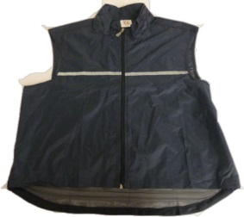
 |  |  |  |  |  |  |  |  | 1716

 |  |  |  |  |  | BIBS

