BoxExample
Group 1 | Group 2 | Group 3 | Group 4 |  | Summary Range
1,664 | 2,646 | 1,000 | 657 |  | Group 1 | Group 2 | Group 3 | Group 4
1,084 | 2,465 | 1,150 | 4,312 | Minimum: | 144 | 302 | 1,000 | 597
1,780 | 912 | 1,300 | 4,756 | 25th Percentile: | 1084 | 553 | 1900 | 1474
144 | 2,319 | 1,450 | 3,370 | Median: | 1,780 | 1,645 | 2,800 | 2,757
921 | 553 | 1,600 | 1,575 | 75th Percentile: | 2101 | 2349 | 3700 | 3525
2,402 | 2,349 | 1,750 | 1,474 | Maximum: | 2,458 | 2,646 | 4,600 | 4,756
2,253 | 2,575 | 1,900 | 4,312
2,458 | 546 | 2,050 | 3,395 |  | Chart Data
1,031 | 444 | 2,200 | 1,363 |  | Group 1 | Group 2 | Group 3 | Group 4
2,101 | 2,552 | 2,350 | 2,670 | Series 1 | 144 | 302 | 1,000 | 597
1,312 | 1,472 | 2,500 | 597 | Series 2 | 940 | 251 | 900 | 877
2,422 | 2,530 | 2,650 | 3,822 | Series 3 | 696 | 1,092 | 900 | 1,283
1,376 | 1,317 | 2,800 | 3,340 | Series 4 | 321 | 704 | 900 | 768
667 | 2,347 | 2,950 | 2,757 | Series 5 | 357 | 297 | 900 | 1,231
Box Plot
Box Plot
652 | 2,051 | 3,100 | 651
1,380 | 1,645 | 3,250 | 2,244
1,961 | 545 | 3,400 | 2,041
1,794 | 2,243 | 3,550 | 656
2,022 | 385 | 3,700 | 3,644
2,059 | 432 | 3,850 | 3,040
544 | 2,265 | 4,000 | 3,656
2,254 | 302 | 4,150 | 3,525
2,115 | 2,433 | 4,300 | 3,023
1,943 | 1,501 | 4,450 | 1,306
1,091 | 1,408 | 4,600 | 1,559

From Excel Charts by John Walkenbach

Pyramid
U.S. Age Distribution (2000)
Total Population (2000): |  | 281,421,906

Age | Male | Male | Female | Female
0-4 | 9,810,733 | -3.5% | 9,365,065 | 3.3%
5-9 | 10,523,277 | -3.7% | 10,026,228 | 3.6%
10-14 | 10,520,197 | -3.7% | 10,007,875 | 3.6%
15-19 | 10,391,004 | -3.7% | 9,828,886 | 3.5%
20-24 | 9,687,814 | -3.4% | 9,276,187 | 3.3%
25-29 | 9,798,760 | -3.5% | 9,582,576 | 3.4%
30-34 | 10,321,769 | -3.7% | 10,188,619 | 3.6%
35-39 | 11,318,696 | -4.0% | 11,387,968 | 4.0%
40-44 | 11,129,102 | -4.0% | 11,312,761 | 4.0%
45-49 | 9,889,506 | -3.5% | 10,202,898 | 3.6%
50-54 | 8,607,724 | -3.1% | 8,977,824 | 3.2%
55-59 | 6,508,729 | -2.3% | 6,960,508 | 2.5%
60-64 | 5,136,627 | -1.8% | 5,668,820 | 2.0%
65-69 | 4,400,362 | -1.6% | 5,133,183 | 1.8%
70-74 | 3,902,912 | -1.4% | 4,954,529 | 1.8%
75-79 | 3,044,456 | -1.1% | 4,371,357 | 1.6%
80-84 | 1,834,897 | -0.7% | 3,110,470 | 1.1%
85+ | 1,226,998 | -0.4% | 3,012,589 | 1.1%

From Excel Charts by John Walkenbach

Sheet2
Date | Candidate A | Candidate B
2011-07-01 | 0.6 | 0.35 | 0.05 | 0.35 | -0.25 | 0
2011-08-01 | 0.54 | 0.41 | 0.05 | 0.41 | -0.13 | 0
2011-09-01 | 0.51 | 0.44 | 0.05 | 0.44 | -0.07 | 0
2011-10-01 | 0.47 | 0.48 | 0.05 | 0.47 | 0 | 0.01
2011-11-01 | 0.45 | 0.49 | 0.06 | 0.45 | 0 | 0.04
2011-12-01 | 0.42 | 0.51 | 0.07 | 0.42 | 0 | 0.09
2012-01-01 | 0.46 | 0.52 | 0.02 | 0.46 | 0 | 0.06
2012-02-01 | 0.44 | 0.54 | 0.02 | 0.44 | 0 | 0.1
2012-03-01 | 0.5 | 0.47 | 0.03 | 0.47 | -0.03 | 0
2012-04-01 | 0.56 | 0.41 | 0.03 | 0.41 | -0.15 | 0
2012-05-01 | 0.51 | 0.45 | 0.04 | 0.45 | -0.06 | 0
2012-06-01 | 0.51 | 0.44 | 0.05 | 0.44 | -0.07 | 0
2012-07-01 | 0.46 | 0.42 | 0.12 | 0.42 | -0.04 | 0
2012-08-01 | 0.48 | 0.44 | 0.08 | 0.44 | -0.04 | 0
2012-09-01 | 0.45 | 0.47 | 0.08 | 0.45 | 0 | 0.02
2012-10-01 | 0.44 | 0.51 | 0.05 | 0.44 | 0 | 0.07

ShadedZone
Line1 | Line2 | Area1 | Area2
10.14 | 20.02 | 10.14 | 9.88
11.3 | 20.98 | 11.3 | 9.68
13.35 | 19.08 | 13.35 | 5.73
16.36 | 19.61 | 16.36 | 3.25
16.27 | 21.61 | 16.27 | 5.34
17.37 | 22.04 | 17.37 | 4.67
16.45 | 21.96 | 16.45 | 5.51
15.85 | 24.41 | 15.85 | 8.56
17.98 | 25.39 | 17.98 | 7.41
19.6 | 28.58 | 19.6 | 8.98
21.05 | 30.1 | 21.05 | 9.05
22.38 | 31.11 | 22.38 | 8.73
22.19 | 31.71 | 22.19 | 9.52
20.32 | 33.3 | 20.32 | 12.98
19.45 | 34.02 | 19.45 | 14.57
20.13 | 36.99 | 20.13 | 16.86
19.96 | 40.23 | 19.96 | 20.27
18.45 | 41.33 | 18.45 | 22.88
16.65 | 42.84 | 16.65 | 26.19
19.11 | 43.6 | 19.11 | 24.49

From Excel Charts by John Walkenbach

TempGauge
New Customer Promotion
 |  | 63%
Day | New Customers
Day 1 | 90
Day 2 | 83
Day 3 | 132
Day 4 | 87
Day 5 | 102
Day 6 | 132
Day 7
Day 8
Day 9
Day 10
Day 11
Day 12
Day 13
Day 14
Day 15

Goal: | 1,000
Total: | 626

 | 63%

From Excel Charts by John Walkenbach

TempGauge2
New Customer Promotion
 | 72% | 1
Day | New Customers
Day 1 | 90
Day 2 | 83
Day 3 | 132
Day 4 | 87
Day 5 | 102
Day 6 | 132
Day 7 | 95
Day 8
Day 9
Day 10
Day 11
Day 12
Day 13
Day 14
Day 15

Goal: | 1,000
Total: | 721

 | 72%

From Excel Charts by John Walkenbach

Dial1
Percent Completed
Percent: | 80.0%

Pie chart data
40.0%
10.0%
50.0%

From Excel Charts by John Walkenbach

Dial2
R a t I n g
Rating: | 32.0%

Inner Series | Outer series
16.0% | 10% | Critical
34.0% | 15% | Unsafe
50.0% | 25% | Safe
 | 50%

From Excel Charts by John Walkenbach

Dial3
Percent Completed
65.0%

Inner | Outer | Labels
50.0% | 10 | 0
32.5% | 1 | 10
17.5% | 1 | 20
 | 1 | 30
 | 1 | 40
 | 1 | 50
 | 1 | 60
 | 1 | 70
 | 1 | 80
 | 1 | 90
 | 1 | 100

Doughnut chart

From Excel Charts by John Walkenbach

Timleline
Date | Order | Label
1809 | 1 | Born in Kentucky
1811 | 2 | Family moves to Indiana
1818 | 3 | Mother dies
1830 | 4 | Family moves to Illinois
1832 | 5 | Loses State Leg election
1834 | 6 | Wins State Leg election
1837 | 7 | Admitted to Illinois Bar
1842 | 8 | Marries Mary Todd
1846 | 9 | Elected to U.S. Congress
1851 | 10 | Father dies
1854 | 11 | Lincoln-Douglas debates
1860 | 12 | Elected President of U.S.
1863 | 13 | Emancipation Proclamation
1865 | 14 | Assassinated
Abraham Lincoln Timeline

From Excel Charts by John Walkenbach

Gantt
 | Start Date | Duration
Planning Meeting | 2002-12-29 | 1
Develop Questionnaire | 2002-12-30 | 11
Print and Mail Questionnaire | 2003-01-13 | 9
Receive Responses | 2003-01-16 | 15
Data Entry | 2003-01-16 | 18
Data Analysis | 2003-02-03 | 4
Write Report | 2003-02-09 | 12
Distribute Draft Report | 2003-02-23 | 1
Solicit Comments | 2003-02-24 | 4
Finalize Report | 2003-03-01 | 5
Distribute to Board | 2003-03-09 | 1
Board Meeting | 2003-03-17 | 1

From Excel Charts by John Walkenbach

Trellis1
Day 1
Day 1 | Day 2 | Day 3
0.0000 | 0.0000 | 0.0000
0.0250 | 0.0380 | 0.2660
0.1200 | 0.8130 | 0.2600
0.3420 | 0.8520 | 0.1430
0.4750 | 0.6600 | 0.4930
0.9930 | 1.3240 | 0.5140
0.9250 | 1.7100 | 0.6060
1.1510 | 1.8600 | 0.6150
Day 2
1.9620 | 2.4560 | 0.6090
1.9070 | 2.6380 | 0.7220
2.6950 | 2.3960 | 0.6140
2.5560 | 1.9500 | 0.7440
3.0290 | 2.4680 | 0.6960
3.1590 | 2.6790 | 2.8470
3.3500 | 2.4450 | 2.8020
3.3310 | 2.0590 | 2.8330
Day 3
3.4510 | 2.8320 | 2.8450
3.6150 | 2.2870 | 2.8450
3.4680 | 2.2020 | 2.8740
3.9490 | 2.1180 | 3.1450
4.4910 | 2.4850 | 3.3410
5.3000 | 2.0390 | 3.4950
5.4000 | 2.1930 | 3.6490
5.5000 | 2.3470 | 3.8030

From Excel Charts by John Walkenbach

verticalbands
XY Data |  | Band Data
X | Y | No. | Show?
2 | 5 | 1 | TRUE
3 | 7 | 2 | TRUE
7 | 17 | 3 | TRUE
12 | 18 | 4 | FALSE
15 | 21 | 5 | FALSE
24 | 24 | 6 | FALSE
 |  | 7 | TRUE
 |  | 8 | TRUE
 |  | 9 | TRUE
 |  | 10 | FALSE
 |  | 11 | TRUE
 |  | 12 | TRUE
 |  | 13 | TRUE
 |  | 14 | TRUE
 |  | 15 | TRUE
 |  | 16 | FALSE
 |  | 17 | TRUE
 |  | 18 | FALSE
 |  | 19 | FALSE
 |  | 20 | FALSE
 |  | 21 | TRUE
 |  | 22 | TRUE
 |  | 23 | TRUE
 |  | 24 | TRUE
 |  | 25 | TRUE

 | From Excel Charts by John Walkenbach

HorizontalBands
Column Data |  | Band Data
Jan | 25 | No. | Show?
Feb | 44 | 1 | TRUE
Mar | 36 | 2 | FALSE
Apr | 57 | 3 | TRUE
May | 32 | 4 | FALSE
Jun | 70 | 5 | TRUE
 |  | 6 | FALSE
 |  | 7 | TRUE
 |  | 8 | FALSE
 |  | 9 | TRUE
 |  | 10 | FALSE
 |  | 11 | TRUE
 |  | 12 | FALSE
 |  | 13 | TRUE
 |  | 14 | FALSE
 |  | 15 | TRUE
 |  | 16 | FALSE
 |  | 17 | TRUE
 |  | 18 | FALSE
 |  | 19 | TRUE
 |  | 20 | FALSE
 |  | 21 | TRUE
 |  | 22 | FALSE
 |  | 23 | TRUE
 |  | 24 | FALSE
 |  | 25 | TRUE
 |  | 26 | FALSE
 |  | 27 | TRUE
 |  | 28 | FALSE
 |  | 29 | TRUE
 |  | 30 | FALSE
 |  | 31 | TRUE
 |  | 32 | FALSE | From Excel Charts by John Walkenbach
 |  | 33 | TRUE
 |  | 34 | FALSE
 |  | 35 | TRUE
 |  | 36 | FALSE
 |  | 37 | TRUE
 |  | 38 | FALSE
 |  | 39 | TRUE
 |  | 40 | FALSE
 |  | 41 | TRUE
 |  | 42 | FALSE
 |  | 43 | TRUE
 |  | 44 | FALSE
 |  | 45 | TRUE
 |  | 46 | FALSE
 |  | 47 | TRUE
 |  | 48 | FALSE
 |  | 49 | TRUE
 |  | 50 | FALSE

VerticalBands2
Vertical Band = Rising Value
XY Data |  | Band Data
X | Y | Show?
1 | 10 | TRUE
2 | 9 | FALSE
3 | 11 | TRUE
4 | 13 | TRUE
5 | 12 | FALSE
6 | 10 | FALSE
7 | 11 | TRUE
8 | 10 | FALSE
9 | 7 | FALSE
10 | 9 | TRUE
11 | 6 | FALSE
12 | 5 | FALSE
13 | 8 | TRUE
14 | 6 | FALSE
15 | 5 | FALSE
16 | 6 | TRUE
17 | 5 | FALSE
18 | 5 | FALSE
19 | 5 | FALSE
20 | 7 | TRUE
21 | 8 | TRUE
22 | 8 | FALSE
23 | 7 | FALSE
24 | 11 | TRUE
25 | 8 | FALSE
26 | 6 | FALSE | From Excel Charts by John Walkenbach
27 | 5 | FALSE
28 | 7 | TRUE
29 | 5 | FALSE
30 | 9 | TRUE
31 | 8 | FALSE
32 | 11 | TRUE
33 | 9 | FALSE
34 | 9 | FALSE
35 | 8 | FALSE
36 | 8 | FALSE
37 | 8 | FALSE
38 | 10 | TRUE
39 | 12 | TRUE
40 | 13 | TRUE
41 | 11 | FALSE
42 | 11 | FALSE
43 | 13 | TRUE
44 | 14 | TRUE
45 | 17 | TRUE
46 | 16 | FALSE
47 | 16 | FALSE
48 | 16 | FALSE
49 | 18 | TRUE
50 | 16 | FALSE
51 | 16 | FALSE
52 | 18 | TRUE
53 | 18 | FALSE
54 | 15 | FALSE
55 | 18 | TRUE
56 | 18 | FALSE
57 | 17 | FALSE
58 | 14 | FALSE
59 | 16 | TRUE
60 | 18 | TRUE
61 | 17 | FALSE
62 | 18 | TRUE
63 | 18 | FALSE
64 | 17 | FALSE
65 | 17 | FALSE
66 | 17 | FALSE
67 | 19 | TRUE
68 | 18 | FALSE
69 | 17 | FALSE
70 | 15 | FALSE
71 | 15 | FALSE
72 | 13 | FALSE
73 | 13 | FALSE
74 | 11 | FALSE
75 | 11 | FALSE
76 | 9 | FALSE
77 | 10 | TRUE
78 | 10 | FALSE
79 | 12 | TRUE
80 | 14 | TRUE
81 | 15 | TRUE
82 | 14 | FALSE
83 | 14 | FALSE
84 | 18 | TRUE
85 | 16 | FALSE
86 | 18 | TRUE
87 | 19 | TRUE
88 | 18 | FALSE
89 | 15 | FALSE
90 | 17 | TRUE
91 | 15 | FALSE
92 | 14 | FALSE
93 | 15 | TRUE
94 | 16 | TRUE
95 | 13 | FALSE
96 | 17 | TRUE
97 | 17 | FALSE
98 | 18 | TRUE
99 | 16 | FALSE
100 | 18 | TRUE

AutoLabels
Sales by Month
Month | Sales | Max | Min
Jan | 1,892 | #N/A | #N/A
Feb | 1,797 | #N/A | #N/A
Mar | 1,837 | #N/A | #N/A
Apr | 1,941 | #N/A | #N/A
May | 1,435 | #N/A | 1,435
Jun | 2,788 | #N/A | #N/A
Jul | 2,220 | #N/A | #N/A
Aug | 3,123 | 3,123 | #N/A
Sep | 2,445 | #N/A | #N/A
Oct | 2,493 | #N/A | #N/A
Nov | 2,404 | #N/A | #N/A
Dec | 2,550 | #N/A | #N/A

Waterfall
 |  |  | Revenue | Gap | Costs | Profit | x | y
Revenue | $350,000 | Revenue | 350000 |  |  |  | 0.5 | 350000
Personnel | $232,000 | Personnel |  | 118000 | 232000 |  | 1.5 | 118000
Operating | $42,000 | Operating |  | 76000 | 42000 |  | 2.5 | 76000
Overhead | $24,000 | Overhead |  | 52000 | 24000 |  | 3.5 | 52000
Capital | $32,000 | Capital |  | 20000 | 32000 |  | 4.5 | 20000
Profit | $20,000 | Profit |  |  |  | 20000

 | Revenue |  | Gap |  | Costs |  | Profit |  | y
Revenue | 350000 | Revenue |  | Revenue |  | Revenue |  | 0.5 | 350000
Personnel |  | Personnel | 118000 | Personnel | 232000 | Personnel |  | 1.5 | 118000
Operating |  | Operating | 76000 | Operating | 42000 | Operating |  | 2.5 | 76000
Overhead |  | Overhead | 52000 | Overhead | 24000 | Overhead |  | 3.5 | 52000
Capital |  | Capital | 20000 | Capital | 32000 | Capital |  | 4.5 | 20000
Profit |  | Profit |  | Profit |  | Profit | 20000

dot plot
Percent of Dept Budget for Personnel
City | Police | Fire
City 4 | 63 | 69 | 0.5
City 5 | 64 | 66 | 1.5
City 6 | 66 | 68 | 2.5
City 1 | 68 | 73 | 3.5
City 7 | 68 | 66 | 4.5
City 10 | 69 | 72 | 5.5
City 3 | 71 | 72 | 6.5
City 8 | 72 | 68 | 7.5
City 9 | 73 | 75 | 8.5
City 2 | 75 | 77 | 9.5

Percent of Dept Budget for Personnel

status line
City | Police | Average
City 1 | 68 | 69.1
City 2 | 75 | 69.1
City 3 | 71 | 69.1
City 4 | 65 | 69.1
City 5 | 64 | 69.1
City 6 | 66 | 69.1
City 7 | 68 | 69.1
City 8 | 72 | 69.1
City 9 | 73 | 69.1
City 10 | 69 | 69.1

image background
 | Costs | Pct
Personnel | $232,000 | 70.3% | 70.3% | 0.5
Operating | $42,000 | 12.7% | 83.0% | 0.5
Overhead | $24,000 | 7.3% | 90.3% | 0.5
Capital | $32,000 | 9.7% | 100.0% | 0.5
Total | $330,000 | 100.0%

Examples in Workbook
 | Graph Examples in Spreadsheet

vertical bars | 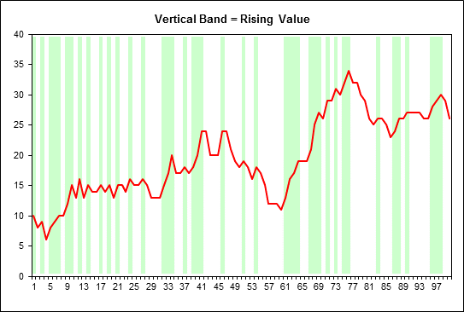 | 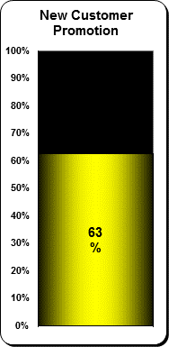 |  | vertical gauge
vertical bars | 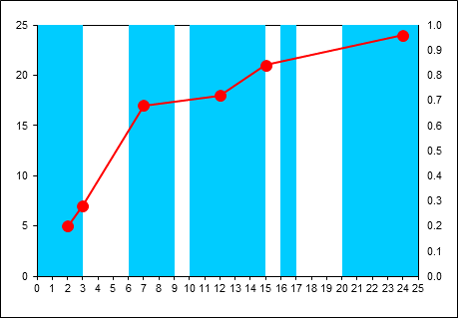 |  | 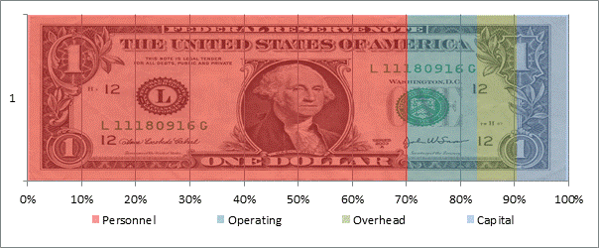 | image placement
horizontal bars | 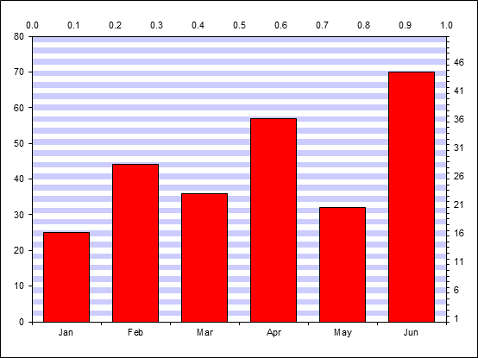 | 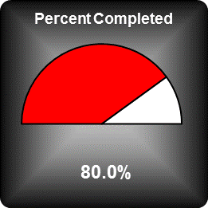 |  | dial
trellis | 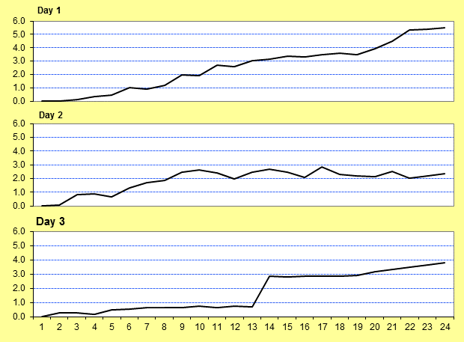 |  | 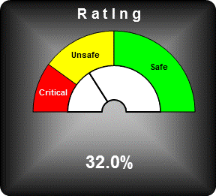 | dial
timeline | 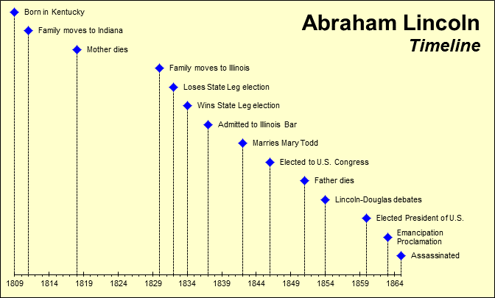 | 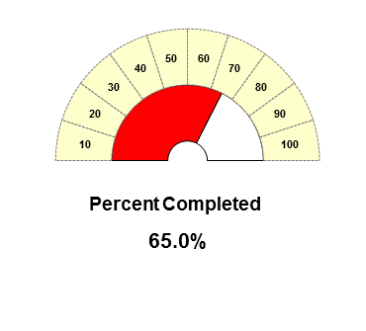 |  | dial
box plot | 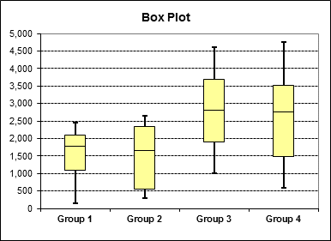 |  | 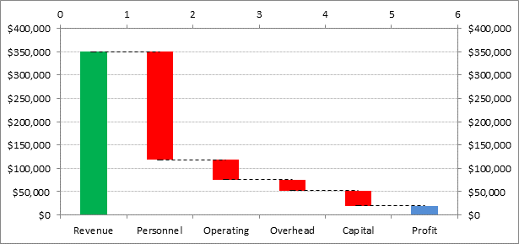 waterfall | waterfall
box plot | 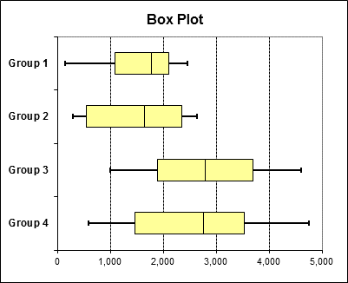 |  | 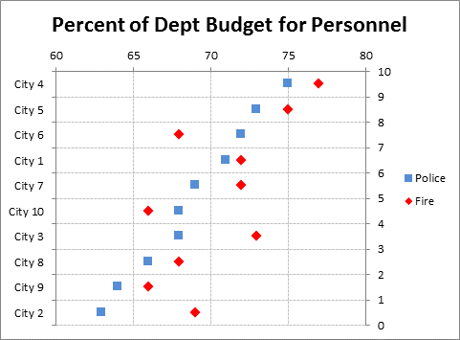 dot plot | dot plot
tornado | 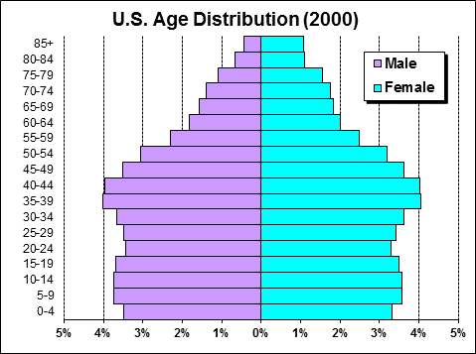 |  |  | heat map
shaded | 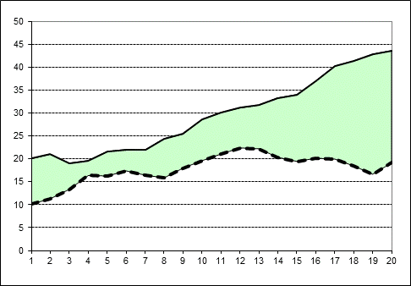 | 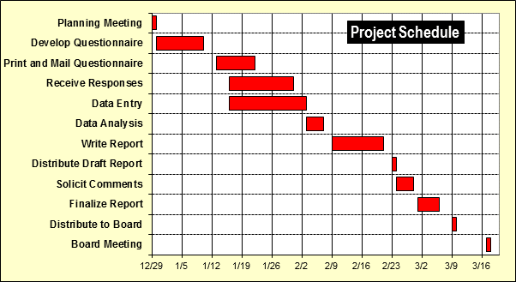 |  | gantt
 | 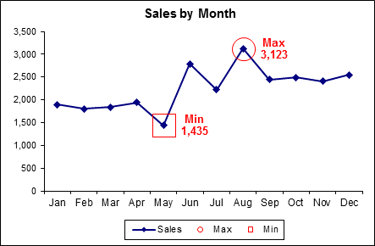 |  | 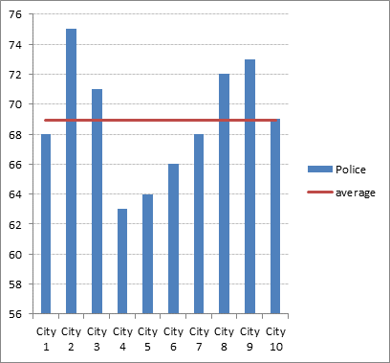 | combo

InCell
Databars
 | a | 42 |  |  | 42
 | b | 22 |  |  | 22
 | c | 34 |  |  | 34
 | d | 62 |  |  | 62
 | e | 11 |  |  | 11
 | f | 43 |  |  | 43

Color Scales | a | 42 |  |  | 42
 | b | 22 |  |  | 22
 | c | 34 |  |  | 34
 | d | 62 |  |  | 62
 | e | 11 |  |  | 11
 | f | 43 |  |  | 43

icons | a | 42 |  |  | 42
 | b | 22 |  |  | 22
 | c | 34 |  |  | 34
 | d | 62 |  |  | 62
 | e | 11 |  |  | 11
 | f | 43 |  |  | 43

sparklines | a | 42 | 42 | 1 |  |  | 2001 | 2002 | 2003 | 2004 | 2005 | 2006 | 2007 | 2008 | 2009 | 2010
 | b | 22 | 22 | -1 |  | A | 1 | 3 | 5 | 6 | 7 | 5 | 4 | 3 | 2 | 1
 | c | 34 | 34 | 0 |  | B | 3 | -2 | 2 | 1 | -3 | -2 | -1 | 4 | 5 | 6
 | d | 62 | 62 | 1 |  | C | 4 | 7 | 6 | 4 | 3 | 4 | 5 | 4 | 2 | 3
 | e | 11 | 11 | 1
 | f | 43 | 43 | -1

in cell charts | a | 42
 | b | 22
 | c | 34
 | d | 62
 | e | 11
 | f | 43

