Date and Time Basics
Dates and Time formats in Excel
What: | Excel has specific methods for storing Dates and times
Why: | Understanding how to manipulate date formats is a common necessity when creating reports in excel
Source: | http://www.excelwiki.com/Excel/DateAndTimeBasics

 | How Excel stores dates and times.
 | The basic unit of time in Excel is a day.
 | A day equals 1, half a day is .5 and an hour time interval is therefore 1/24=0.041666667
 | Dates are stored as serial values with time starting on January 1, 1900.
 | January 1,1900 equals 1 and December 1, 2005 equals 38,687 as it 38,687 days after January 1,1900.
 | One hour past midnight is serial value 38687.041666667 and Noon on December 1, 2005 is 38687.5.
 | Storing dates as sequential numbers makes it easy to add, subtract and determine time intervals between two dates or times.

 | Dates entered without a specified year are assumed to be in the current year. A date entered as Feb-28 (in 2005) is stored as 28/2/2005 or date serial 38411.
 | Dates entered with a 2 digit year are stored as pre-2000 dates if the year is between 30 and 99 or as post-2000 dates if the year is between 0 and 29.
 | 28/02/05 is in year 2005, 28/02/98 is in 1998, 28/02/29 is in 2029 and 28/02/30 is in 1930.

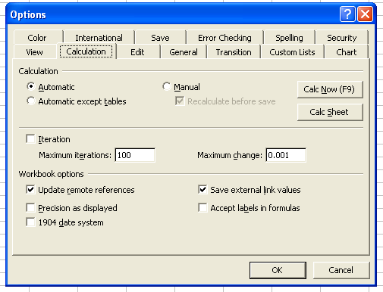
 | The 1904 Date System
 | Macintosh computers typically use the 1904 date system with January 2, 1904 equal to 1.
 | This can cause date discrepancies if files are transferred from Mac to Windows or vice versa.
 | Date values will change by 4 years and 1 day.

 | Excel users in Windows may also inadvertently be using the 1904 date system and
 | this will also cause dates to change if the file is sent to a user on the more common 1900 date system.

 | Click on Tools-Options-Calculation and ensure that the 1904 date system checkbox is unchecked.

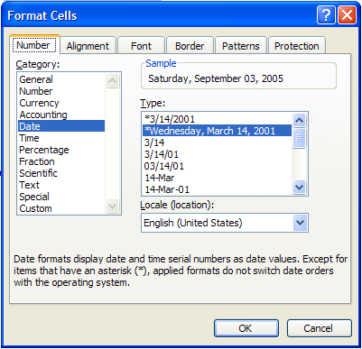
 | How Excel displays dates and times.
 | Dates are stored in Excel cells as serial values but can be displayed in various date formats by clicking Format-Cells-Number-Date-Type.

 | Each of the dates at the right has an underlying serial value of 38598. | 2005-09-03
 | Note that the time value is midnight (at the start of the day). | 2005-09-03
 |  | 2005-09-03
 | The examples on the right use the US date format mm/dd/yyyy | 9/3/05
 | The date format can be changed to the UK date format (dd/mm/yyyy) by changing the option in the Locale box. | 2005-09-03
 |  | 3-Sep-05
 | Excel will recognize an input that is in a date format. | 3-Sep-05
 | If a user inputs Dec 1, 2005 or 10 May 2004 Excel will recognize this as a date, | 9/3/05
 | store it in the cell as a serial value, and display it in a date format. | 9/3/05
 |  | 9/3/2005
 | Excel sometimes makes mistakes. A user may enter 3-4, meaning a value between 3 and 4,
 | but Excel will interpret this as March 4th and store the input as 38415. This can be remedied my placing a quote before the 3-4 input. i.e. '3-4

Functions 1
Function basics
What: | Excel Function basics and syntax
Why: | Understand what all those different brackets and punctuation means

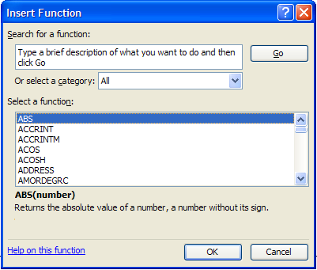
 | Function Name |  | optional argument

 | =sum(number1,[number2],…)

 |  | Arguments

 |  | Functions always begin with a "="
 |  | Arguments separated by a comma
 |  | Optional arguments are enclosed in [] brackets
 |  | Type "=Function Name(" to get the signature

 | To find a list of all excel functions, go to Insert-->Function

 | Character | Used to:
 | $ | Turns a relative reference to an absolute reference
 | ' | If a sheet name has a space between it, Excel will automatically put a ' ' around the sheet name when it is referenced from another sheet
 | ! | Placed after a string to signify a reference to a sheet with that name
 | { } | Enclose "array" formulas. These braces are added when you hit ctrl+shift+enter; you must do this every time you enter or change an array formula

Conditional Format
Conditional Formatting
What? Conditional formatting allows you to define the format of individual cells based on a series of criteria | Tip: Use the "Format Painter" function to copy
Why? This feature can be used to make your reports look better or to highlight specific values in a table | conditional formatting across cells
How? Select "Format -- Conditional Formatting" from the menu to find this dialog box:
Condition 1 is met if the value of the cell is between 1 and 3.
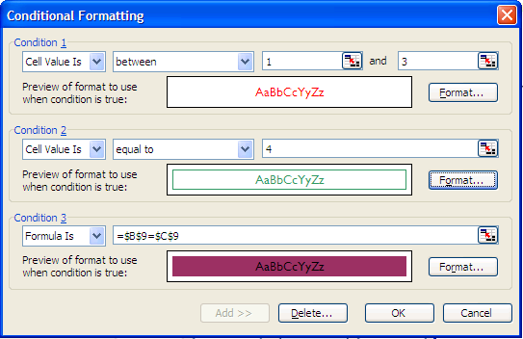

Click here to select the format of the font, border, and patterns
Only up to 3 conditions can be defined. The first condition takes precedence over the second, etc.

Formulas allow you to use absolute or relative references to determine whether the condition is met

This box previews the format of the cell when the condition is met

Use "Add" to create new conditions

CondFormat Example 4
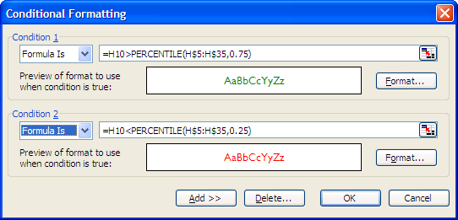
Conditional Formatting, Example 4

This conditional format automatically colors the bars based on their percentile.
The top 25% of values are colored green while the bottom 25% are colored red

 | Name | AB |  | AVG |  | HR |  | BB |  | K
 | Nomar Garciaparra | ||||||||||||||| | 305 | ||||||||||||| | 334 | |||||| | 12 | ||||||| | 28 | || | 17
 | Albert Pujols | |||||||||||||| | 291 | ||||||||||||| | 330 | |||||||||||||||| | 32 | |||||||||||||| | 57 | |||| | 26
 | Scott Hatteberg | ||||||||||||| | 268 | ||||||||||||| | 321 | |||| | 9 | |||||||||| | 43 | ||| | 21
 | Lance Berkman | |||||||||||||||| | 335 | ||||||||||||| | 316 | ||||||||||||| | 26 | |||||||||||| | 50 | |||||||||| | 64
 | Travis Hafner | |||||||||||||||| | 325 | |||||||||||| | 311 | |||||||||||||| | 29 | |||||||||||||||||| | 72 | |||||||||||| | 74
 | Justin Morneau | |||||||||||||||| | 337 | |||||||||||| | 309 | |||||||||||| | 25 | |||||| | 27 | |||||||||| | 60
 | Lyle Overbay | ||||||||||||||||| | 357 | |||||||||||| | 305 | |||||||| | 16 | |||||||| | 34 | ||||||||| | 57
 | Paul Konerko | ||||||||||||||||| | 348 | |||||||||||| | 302 | |||||||||||| | 24 | ||||||||| | 39 | ||||||||| | 56
 | Nick Johnson | |||||||||||||||| | 324 | |||||||||||| | 302 | ||||||| | 14 | ||||||||||||||| | 63 | |||||||| | 53
 | Shea Hillenbrand | |||||||||||||| | 296 | |||||||||||| | 301 | |||||| | 12 | ||| | 14 | |||||| | 40
 | Adrián González | |||||||||||||||| | 338 | |||||||||||| | 299 | ||||||||| | 18 | ||||| | 21 | |||||||||| | 62
 | Jim Thome | ||||||||||||||| | 317 | |||||||||||| | 297 | |||||||||||||||| | 32 | ||||||||||||||| | 61 | |||||||||||||||| | 99
 | Kevin Youkilis | ||||||||||||||||| | 353 | |||||||||||| | 289 | ||||| | 11 | ||||||||||||||| | 60 | |||||||||||| | 76
 | Mike Jacobs | |||||||||||||| | 296 | ||||||||||| | 284 | ||||||| | 14 | ||||||| | 30 | |||||||||| | 63
 | Todd Helton | |||||||||||||| | 292 | ||||||||||| | 284 | ||||| | 11 | |||||||||||||| | 59 | |||||| | 37
 | Todd Walker | |||||||||||||| | 297 | ||||||||||| | 283 | || | 5 | |||||||| | 35 | |||| | 26
 | Ryan Howard | ||||||||||||||||| | 342 | ||||||||||| | 281 | ||||||||||||||| | 31 | ||||||||| | 37 | ||||||||||||||||| | 104
 | Doug Mientkiewicz | ||||||||||||||| | 307 | ||||||||||| | 280 | || | 4 | |||||||| | 35 | |||||||| | 49
 | Prince Fielder | ||||||||||||||||| | 358 | ||||||||||| | 279 | |||||||| | 17 | ||||||| | 29 | ||||||||||||| | 82
 | Michael Cuddyer | |||||||||||||| | 299 | ||||||||||| | 271 | |||||| | 12 | ||||||||| | 37 | ||||||||||| | 71
 | Chris Shelton | |||||||||||||||| | 332 | ||||||||||| | 271 | |||||||| | 16 | ||||||| | 31 | ||||||||||||||| | 92
 | Adam LaRoche | |||||||||||||| | 293 | ||||||||||| | 270 | |||||||| | 17 | |||||||| | 33 | |||||||||||| | 72
 | Mark Teixeira | ||||||||||||||||||| | 383 | ||||||||||| | 269 | |||||| | 13 | ||||||||||||| | 53 | |||||||||||| | 75
 | Conor Jackson | ||||||||||||| | 276 | ||||||||||| | 264 | |||| | 8 | |||||||||| | 40 | |||||| | 37
 | Jeff Conine | |||||||||||||| | 280 | |||||||||| | 261 | ||| | 7 | |||||| | 26 | |||||| | 38
 | Nick Swisher | |||||||||||||||| | 337 | |||||||||| | 258 | |||||||||| | 21 | ||||||||||||||| | 62 | ||||||||||||||| | 90
 | Jason Giambi | |||||||||||||| | 294 | |||||||||| | 255 | |||||||||||||| | 28 | ||||||||||||||||| | 68 | |||||||||||| | 74
 | Carlos Delgado | |||||||||||||||| | 336 | |||||||||| | 250 | |||||||||||| | 24 | ||||||||| | 39 | |||||||||||||| | 84
 | Adam Dunn | ||||||||||||||||| | 349 | |||||||||| | 246 | ||||||||||||||| | 30 | |||||||||||||||||| | 73 | |||||||||||||||||| | 113
 | Brad Wilkerson | |||||||||||||| | 280 | ||||||||| | 239 | ||||||| | 15 | ||||||||| | 37 | |||||||||||||||| | 99
 | Richie Sexson | |||||||||||||||||| | 361 | ||||||||| | 224 | ||||||||| | 19 | |||||||| | 35 | |||||||||||||||| | 99

DISTORTIONS
MONTHLY EXPENSES

 | SHARE
JAN | 7
FEB | 9
MAR | 7
APR | 9
MAY | 7
JUN | 9
JUL | 7
AUG | 9
SEP | 7
OCT | 9
NOV | 7
DEC | 9

SALES

APPLES | 25
PEARS | 25
ORANGES | 25
CHERRIES | 25

 | JAN | FEB | MAR
APPLES | 25 | 25 | 25
PEARS | 25 | 50 | 100
ORANGES | 25 | 50 | 100
CHERRIES | 25 | 25 | 25

HOW MUCH WAS SOLD IN MARCH?

 | NORTH | SOUTH
JAN | 40 | 40
FEB | 60 | 60
MAR | 80 | 80

WHO SOLD MORE, North or South?

Waterfall
Waterfall Chart
 | Profit | Revenue | Gap | Expenses
Revenue |  | 95000
Personnel |  |  | 53000 | 42000
Materials |  |  | 39000 | 14000
Rooms |  |  | 16000 | 23000
Overhead |  |  | 8400 | 7600
Profit | 8400

Chart Exercises 1
Exercise 1: Change the formatting in Graph A to look the same as Graph B (three examples)

 | Graph A |  |  |  | Graph B
Receivers' Total Yards
 | Player | Catches | Yards | Yards Per Catches
 | Santana Moss | 67 | 950 | 14.18
 | David Patten | 68 | 853 | 12.54
 | Darnerien McCants | 28 | 355 | 12.68
 | James Thrash | 21 | 256 | 12.19
 | Taylor Jacobs | 26 | 275 | 10.58
 | Kevin Dyson | 14 | 158 | 11.29
 | Jimmy Farris | 2 | 25 | 12.50
 | Chris Cooley | 45 | 408 | 9.07
 | Robert Royal | 8 | 83 | 10.38
 | Jabari Holloway | 5 | 52 | 10.40
 | Mike Sellers | 2 | 29 | 14.50
 | Billy Baber | 2 | 21 | 10.50

 | Graph A |  |  |  | Graph B
Receivers' Yards Per Catches

 | Graph A |  |  |  | Graph B
Receiver's Total Catches

Charts Exercises 2
Charts: exercise
Microsoft Excel has notoriously bad defaults for its charts.
Exercise: Change the formatting of the chart on the right to reduce the chart junk. Answers below.

A Microsoft Excel default chart
De-chart junked chart

 | 0.44786833729 | 0.79028022332 | 0.97422612755
 | 0.80027867906 | 0.73481035275 | 0.35344568078
 | 0.32505403891 | 0.54039469105 | 0.41589725681
 | 0.96873374031 | 0.064175234892 | 0.48774161183
 | 0.13735772204 | 0.2363339384 | 0.895357474
 | 0.031745844196 | 0.86236081876 | 0.64615334172
 | 0.41935554016 | 0.31323799271 | 0.01848963108
 | 0.35919043947 | 0.54936436679 | 0.23691872658
 | 0.92470941403 | 0.83758812845 | 0.50176231767
 | 0.11715092306 | 0.71961913254 | 0.018551751708
 | 0.39025912961 | 0.29774095058 | 0.61784522524
 | 0.14892715183 | 0.082117555908 | 0.65436236963
 | 0.73607975154 | 0.3678313318 | 0.44880883677

 | Visit this site for more examples of fixing charts: http://www.perceptualedge.com/examples.htm#

Ideas for cleaning this chart:
* Eliminate 3-D (Chart -- Chart Type -- Select 2-D column chart)
* Eliminate the table at the bottom of the chart (Right click on table -- Clear)
* Eliminate gray background and border (Double click on chart background, select None under Area and None under Border)
* Eliminate vertical gridlines. (Right click on a vertical gridline and select Clear)
* Optional: Eliminate borders around the columns. (Double click on column and select None under Border)

Charts Exercises 3
Exercise 3: Secondary Axis

It is often userful to show two related data series in a single chart. If the series have very different scales
you will want to add a second axis. Here's how you do it:
1. On Chart Menu, select Source Data
2. Change the data range to include the second metric
3. You will see that the second series doesn't fit well given the scale on the y-axis
4. Right click on the second series and choose Format Data Series
5. Under the Axis tab, select Secondary axis. The new axis will be auto-scaled for the second data series

Amount over Time

year | amount | second metric
1997 | 23564 | 25
1998 | 27948 | 25
1999 | 31500 | 50
2000 | 33021 | 50
2001 | 35093 | 70
2002 | 36927 | 80
2003 | 37321 | 75
2004 | 41002 | 65
2005 | 43982 | 60
2006 | 47283 | 55

Amount over Time

Charts Exercises 4
Exercise 4: Mixed Chart Types

You have more flexibility with Excel charts than you may know. Excel gives you the ability to mix certain chart types. You may have seen some of these
under the customer chart types in the Chart Type dialogue box.
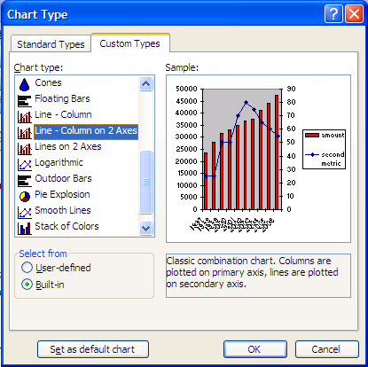

Fortunately, you don't need to depend entirely on these
pre-defined custom types.

Making Mixed Charts is as easy as selecting one of the data ranges
in your chart, right clicking, and selecting Chart Type

The Chart Type that you select will only apply the the range
you selected

Practice with the chart below to discover the different combinations
that are possible

 |  | 1 | 2
 | 1 | 0.33981485061 | 0.048910634108
 | 2 | 0.058518081266 | 0.5089830262
 | 3 | 0.53878320464 | 0.99638243292
 | 4 | 0.68359910853 | 0.99643953697
 | 5 | 0.81578482061 | 0.10767847209
 | 6 | 0.8870710247 | 0.22941843811
 | 7 | 0.21221962405 | 0.69858305451
 | 8 | 0.64925505533 | 0.036419429522
 | 9 | 0.31325082716 | 0.51914137331
 | 10 | 0.38983406417 | 0.15574540088

Diagram
Need Money?
NO

Yes

Get a Job

Work for a Month

Get a Paycheck

Still Need Money?
NO
Retire

Yes

