Sheet1
Serial Number | Type | Size | Model | Form Factor | Connector | Health | Bad Sectors | Capacity | Offer $ea | SUMMARY
1724J5REEX | HGST | 3200629178880 | HGST HBCAC2DH2SUN3.2T | 2.5 | SAS | 100 | 0 | 3.2TB |  | Row Labels | Count of Capacity
1724J5TEXX | HGST | 3200629178880 | HGST HBCAC2DH2SUN3.2T | 2.5 | SAS | 100 | 0 | 3.2TB |  | 1.6TB | 112
1728J5T4UX | HGST | 3200629178880 | HGST HBCAC2DH2SUN3.2T | 2.5 | SAS | 100 | 0 | 3.2TB |  | 1.92TB | 9
1728J5URGX | HGST | 3200629178880 | HGST HBCAC2DH2SUN3.2T | 2.5 | SAS | 100 | 0 | 3.2TB |  | 200GB | 9
1732J521RX | HGST | 3200629178880 | HGST HBCAC2DH2SUN3.2T | 2.5 | SAS | 100 | 0 | 3.2TB |  | 250GB | 14
1732J52LGX | HGST | 3200629178880 | HGST HBCAC2DH2SUN3.2T | 2.5 | SAS | 100 | 0 | 3.2TB |  | 3.2TB | 40
1732J5VPYX | HGST | 3200629178880 | HGST HBCAC2DH2SUN3.2T | 2.5 | SAS | 100 | 0 | 3.2TB |  | 3.84TB | 402
1732J5ZL7X | HGST | 3200629178880 | HGST HBCAC2DH2SUN3.2T | 2.5 | SAS | 100 | 0 | 3.2TB |  | 400GB | 245
0QW998SA | HP3PAR | 480997923840 | HGST HSCP0480S5xnNMRI | 2.5 | SAS | 88 | 0 | 480GB |  | 480GB | 71
0QW99B4A | HP3PAR | 480997923840 | HGST HSCP0480S5xnNMRI | 2.5 | SAS | 88 | 0 | 480GB |  | 7.68TB | 36
0QW9B41A | HP3PAR | 480997923840 | HGST HSCP0480S5xnNMRI | 2.5 | SAS | 88 | 0 | 480GB |  | 800GB | 84
0QWA4WBA | HP3PAR | 480997923840 | HGST HSCP0480S5xnNMRI | 2.5 | SAS | 88 | 0 | 480GB |  | 920GB | 45
0QWA5ENA | HP3PAR | 480997923840 | HGST HSCP0480S5xnNMRI | 2.5 | SAS | 88 | 0 | 480GB |  | Grand Total | 1067
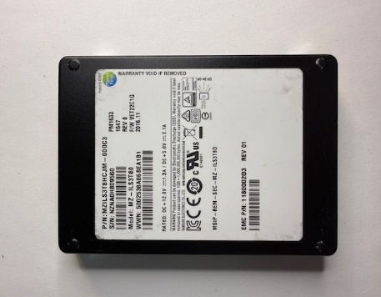
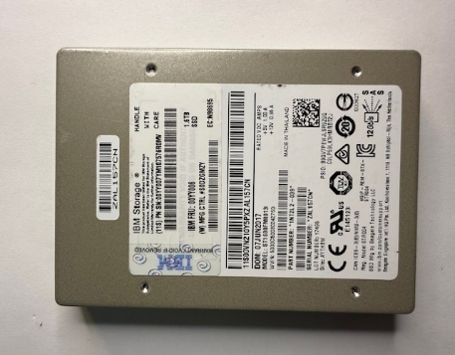
0QWA5MKA | HP3PAR | 480997923840 | HGST HSCP0480S5xnNMRI | 2.5 | SAS | 88 | 0 | 480GB
0QY1TTLA | HP3PAR | 480997923840 | HGST HSCP0480S5xnNMRI | 2.5 | SAS | 88 | 0 | 480GB
0QY1U89A | HP3PAR | 480997923840 | HGST HSCP0480S5xnNMRI | 2.5 | SAS | 88 | 0 | 480GB
0QY22Y2A | HP3PAR | 480997923840 | HGST HSCP0480S5xnNMRI | 2.5 | SAS | 88 | 0 | 480GB
0RVJVS3A | HP 3PAR | 915950730240 | HGST HSCP0920S5xnNMRI | 2.5 | SAS | 98 | 0 | 920GB
0RVLYUDA | HP 3PAR | 915950730240 | HGST HSCP0920S5xnNMRI | 2.5 | SAS | 97 | 0 | 920GB
0RVLZ87A | HP 3PAR | 915950730240 | HGST HSCP0920S5xnNMRI | 2.5 | SAS | 97 | 0 | 920GB
0RW1PXNA | HP 3PAR | 915950730240 | HGST HSCP0920S5xnNMRI | 2.5 | SAS | 97 | 0 | 920GB
0RW272BA | HP 3PAR | 915950730240 | HGST HSCP0920S5xnNMRI | 2.5 | SAS | 92 | 0 | 920GB
0RW2JW0A | HP 3PAR | 915950730240 | HGST HSCP0920S5xnNMRI | 2.5 | SAS | 92 | 0 | 920GB
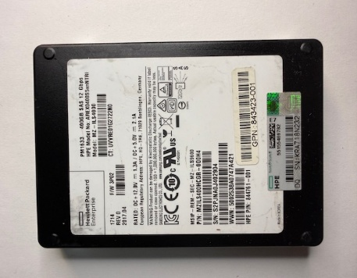
0RW3SN1A | HP 3PAR | 915950730240 | HGST HSCP0920S5xnNMRI | 2.5 | SAS | 97 | 0 | 920GB
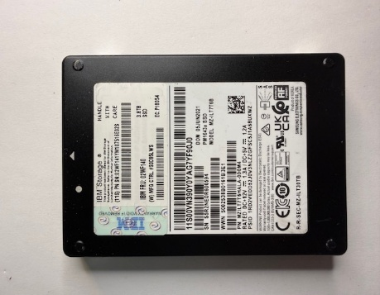
0RW9EPNA | HP 3PAR | 915950730240 | HGST HSCP0920S5xnNMRI | 2.5 | SAS | 92 | 0 | 920GB
0RW9H4DA | HP 3PAR | 915950730240 | HGST HSCP0920S5xnNMRI | 2.5 | SAS | 92 | 0 | 920GB
0RW9HM4A | HP 3PAR | 915950730240 | HGST HSCP0920S5xnNMRI | 2.5 | SAS | 92 | 0 | 920GB
0RW9J9EA | HP 3PAR | 915950730240 | HGST HSCP0920S5xnNMRI | 2.5 | SAS | 87 | 0 | 920GB
0RWE9UAA | HP 3PAR | 915950730240 | HGST HSCP0920S5xnNMRI | 2.5 | SAS | 97 | 0 | 920GB
0RWE9UNA | HP 3PAR | 915950730240 | HGST HSCP0920S5xnNMRI | 2.5 | SAS | 97 | 0 | 920GB
0RY24ZWA | HP 3PAR | 915950730240 | HGST HSCP0920S5xnNMRI | 2.5 | SAS | 100 | 0 | 920GB
2MV7339A | HP 3PAR | 915950730240 | HGST HSSC0920S5xnNMRI | 2.5 | SAS | 95 | 0 | 920GB
4HV05HMX | HGST | 480101368320 | HGST HUSTR7648ASS200 | 2.5 | SAS | 93 | 0 | 480GB
4HV05MAX | HGST | 480101368320 | HGST HUSTR7648ASS200 | 2.5 | SAS | 93 | 0 | 480GB
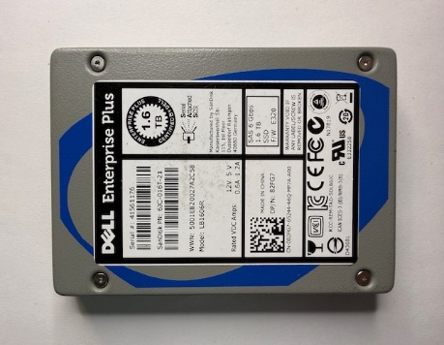
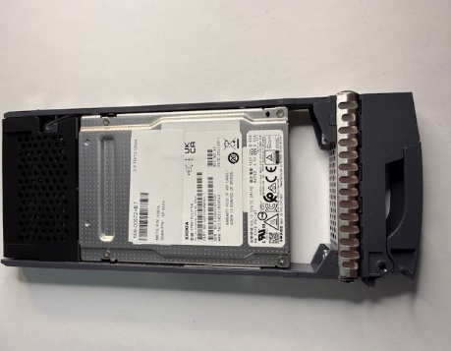
4HV05RSX | HGST | 480101368320 | HGST HUSTR7648ASS200 | 2.5 | SAS | 93 | 0 | 480GB
4HV05TYX | HGST | 480101368320 | HGST HUSTR7648ASS200 | 2.5 | SAS | 93 | 0 | 480GB
4HV05U2X | HGST | 480101368320 | HGST HUSTR7648ASS200 | 2.5 | SAS | 92 | 0 | 480GB
4HV05U3X | HGST | 480101368320 | HGST HUSTR7648ASS200 | 2.5 | SAS | 93 | 0 | 480GB
4HV05U4X | HGST | 480101368320 | HGST HUSTR7648ASS200 | 2.5 | SAS | 93 | 0 | 480GB
4HV05UDX | HGST | 480101368320 | HGST HUSTR7648ASS200 | 2.5 | SAS | 93 | 0 | 480GB
4HV05UHX | HGST | 480101368320 | HGST HUSTR7648ASS200 | 2.5 | SAS | 93 | 0 | 480GB
4HV05UKX | HGST | 480101368320 | HGST HUSTR7648ASS200 | 2.5 | SAS | 93 | 0 | 480GB
4HV05WWX | HGST | 480101368320 | HGST HUSTR7648ASS200 | 2.5 | SAS | 92 | 0 | 480GB
4HV06EWX | HGST | 480101368320 | HGST HUSTR7648ASS200 | 2.5 | SAS | 93 | 0 | 480GB
4HV06K1X | HGST | 480101368320 | HGST HUSTR7648ASS200 | 2.5 | SAS | 93 | 0 | 480GB
4HV06KXX | HGST | 480101368320 | HGST HUSTR7648ASS200 | 2.5 | SAS | 93 | 0 | 480GB
4HV06S5X | HGST | 480101368320 | HGST HUSTR7648ASS200 | 2.5 | SAS | 93 | 0 | 480GB
4HV06ZKX | HGST | 480101368320 | HGST HUSTR7648ASS200 | 2.5 | SAS | 93 | 0 | 480GB
4HV070PX | HGST | 480101368320 | HGST HUSTR7648ASS200 | 2.5 | SAS | 93 | 0 | 480GB
XYVGUXDA | HP3PAR | 400085844480 | HITACHI HRLP0400S5xnNMLC | 2.5 | SAS | 86 | 0 | 400GB
XYVKLM6A | HP3PAR | 400085844480 | HITACHI HRLP0400S5xnNMLC | 2.5 | SAS | 87 | 0 | 400GB
XYVL1UBA | HP3PAR | 400085844480 | HITACHI HRLP0400S5xnNMLC | 2.5 | SAS | 87 | 0 | 400GB
XYVL20XA | HP3PAR | 400085844480 | HITACHI HRLP0400S5xnNMLC | 2.5 | SAS | 87 | 0 | 400GB
XYVL7YVA | HP3PAR | 400085844480 | HITACHI HRLP0400S5xnNMLC | 2.5 | SAS | 87 | 0 | 400GB
XYVLU4ZA | HP3PAR | 400085844480 | HITACHI HRLP0400S5xnNMLC | 2.5 | SAS | 98 | 0 | 400GB
XYVLUT9A | HP3PAR | 400085844480 | HITACHI HRLP0400S5xnNMLC | 2.5 | SAS | 86 | 0 | 400GB
XYVLV1TA | HP3PAR | 400085844480 | HITACHI HRLP0400S5xnNMLC | 2.5 | SAS | 87 | 0 | 400GB
XYVLV2SA | HP3PAR | 400085844480 | HITACHI HRLP0400S5xnNMLC | 2.5 | SAS | 86 | 0 | 400GB
XYVLVGZA | HP3PAR | 400085844480 | HITACHI HRLP0400S5xnNMLC | 2.5 | SAS | 86 | 0 | 400GB
XYVLVJVA | HP3PAR | 400085844480 | HITACHI HRLP0400S5xnNMLC | 2.5 | SAS | 87 | 0 | 400GB
XYVLVL2A | HP3PAR | 400085844480 | HITACHI HRLP0400S5xnNMLC | 2.5 | SAS | 86 | 0 | 400GB
XYVLVPAA | HP3PAR | 400085844480 | HITACHI HRLP0400S5xnNMLC | 2.5 | SAS | 86 | 0 | 400GB
XYVLVX5A | HP3PAR | 400085844480 | HITACHI HRLP0400S5xnNMLC | 2.5 | SAS | 87 | 0 | 400GB
XYVLW75A | HP3PAR | 400085844480 | HITACHI HRLP0400S5xnNMLC | 2.5 | SAS | 86 | 0 | 400GB
XYVU3EPA | HP3PAR | 400085844480 | HITACHI HRLP0400S5xnNMLC | 2.5 | SAS | 97 | 0 | 400GB
XYVU657A | HP3PAR | 400085844480 | HITACHI HRLP0400S5xnNMLC | 2.5 | SAS | 94 | 0 | 400GB
XYVU67GA | HP3PAR | 400085844480 | HITACHI HRLP0400S5xnNMLC | 2.5 | SAS | 94 | 0 | 400GB
XYVU6MGA | HP3PAR | 400085844480 | HITACHI HRLP0400S5xnNMLC | 2.5 | SAS | 94 | 0 | 400GB
XYVU8UVA | HP3PAR | 400085844480 | HITACHI HRLP0400S5xnNMLC | 2.5 | SAS | 94 | 0 | 400GB
XYVUESTA | HP3PAR | 400085844480 | HITACHI HRLP0400S5xnNMLC | 2.5 | SAS | 94 | 0 | 400GB
XYVUG5YA | HP3PAR | 400085844480 | HITACHI HRLP0400S5xnNMLC | 2.5 | SAS | 94 | 0 | 400GB
XYVUG6HA | HP3PAR | 400085844480 | HITACHI HRLP0400S5xnNMLC | 2.5 | SAS | 94 | 0 | 400GB
XYVUGE7A | HP3PAR | 400085844480 | HITACHI HRLP0400S5xnNMLC | 2.5 | SAS | 94 | 0 | 400GB
XYVUGT2A | HP3PAR | 400085844480 | HITACHI HRLP0400S5xnNMLC | 2.5 | SAS | 94 | 0 | 400GB
XYVUGZ2A | HP3PAR | 400085844480 | HITACHI HRLP0400S5xnNMLC | 2.5 | SAS | 94 | 0 | 400GB
XYVUH06A | HP3PAR | 400085844480 | HITACHI HRLP0400S5xnNMLC | 2.5 | SAS | 94 | 0 | 400GB
XYVUH4PA | HP3PAR | 400085844480 | HITACHI HRLP0400S5xnNMLC | 2.5 | SAS | 94 | 0 | 400GB
XYVUH4PA | HP3PAR | 400085844480 | HITACHI HRLP0400S5xnNMLC | 2.5 | SAS | 94 | 0 | 400GB
XYVUH97A | HP3PAR | 400085844480 | HITACHI HRLP0400S5xnNMLC | 2.5 | SAS | 94 | 0 | 400GB
XYVUH97A | HP3PAR | 400085844480 | HITACHI HRLP0400S5xnNMLC | 2.5 | SAS | 94 | 0 | 400GB
XYVUKW3A | HP3PAR | 400085844480 | HITACHI HRLP0400S5xnNMLC | 2.5 | SAS | 94 | 0 | 400GB
0QW9SXWA | HGST EMC | 393842856960 | HITACHI HUSMM144 EMC400 | 2.5 | SAS | 99 | 0 | 400GB
0QWA101A | HGST EMC | 393842856960 | HITACHI HUSMM144 EMC400 | 2.5 | SAS | 99 | 0 | 400GB
0QY3G5JA | HGST EMC | 393842856960 | HITACHI HUSMM144 EMC400 | 2.5 | SAS | 100 | 0 | 400GB
0QY3PANA | HGST EMC | 393842856960 | HITACHI HUSMM144 EMC400 | 2.5 | SAS | 100 | 0 | 400GB
0QY3TM2A | HGST EMC | 393842856960 | HITACHI HUSMM144 EMC400 | 2.5 | SAS | 100 | 0 | 400GB
0QY3TM6A | HGST EMC | 393842856960 | HITACHI HUSMM144 EMC400 | 2.5 | SAS | 99 | 0 | 400GB
0QY3TN0A | HGST EMC | 393842856960 | HITACHI HUSMM144 EMC400 | 2.5 | SAS | 100 | 0 | 400GB
0QY3U3AA | HGST EMC | 393842856960 | HITACHI HUSMM144 EMC400 | 2.5 | SAS | 100 | 0 | 400GB
0QY3U3JA | HGST EMC | 393842856960 | HITACHI HUSMM144 EMC400 | 2.5 | SAS | 100 | 0 | 400GB
0QY3U3YA | HGST EMC | 393842856960 | HITACHI HUSMM144 EMC400 | 2.5 | SAS | 100 | 0 | 400GB
0QY3UAGA | HGST EMC | 393842856960 | HITACHI HUSMM144 EMC400 | 2.5 | SAS | 100 | 0 | 400GB
0QY3V25A | HGST EMC | 393842856960 | HITACHI HUSMM144 EMC400 | 2.5 | SAS | 100 | 0 | 400GB
0QY3VBZA | HGST EMC | 393842856960 | HITACHI HUSMM144 EMC400 | 2.5 | SAS | 100 | 0 | 400GB
18N0A0YLTLSE | HP | 400085844480 | HP MO000400JWFWN | 2.5 | SAS | 81 | 0 | 400GB
18N0A0YPTLSE | HP | 400085844480 | HP MO000400JWFWN | 2.5 | SAS | 82 | 0 | 400GB
18N0A0YUTLSE | HP | 400085844480 | HP MO000400JWFWN | 2.5 | SAS | 80 | 0 | 400GB
18N0A0ZUTLSE | HP | 400085844480 | HP MO000400JWFWN | 2.5 | SAS | 79 | 0 | 400GB
18N0A0ZXTLSE | HP | 400085844480 | HP MO000400JWFWN | 2.5 | SAS | 80 | 0 | 400GB
18N0A104TLSE | HP | 400085844480 | HP MO000400JWFWN | 2.5 | SAS | 80 | 0 | 400GB
18N0A10ATLSE | HP | 400085844480 | HP MO000400JWFWN | 2.5 | SAS | 77 | 0 | 400GB
28M0A14LTLSE | HP | 400085844480 | HP MO000400JWFWN | 2.5 | SAS | 67 | 0 | 400GB
28S0A02LTLSE | HP | 400085844480 | HP MO000400JWFWN | 2.5 | SAS | 65 | 0 | 400GB
4840A1UKTLSE | HP | 400085844480 | HP MO000400JWFWN | 2.5 | SAS | 65 | 0 | 400GB
Y7C0A05FTLSE | HP | 400085844480 | HP MO000400JWFWN | 2.5 | SAS | 82 | 0 | 400GB
40074884 | HP | 400085844480 | HP MO0400FCTRP | 2.5 | SAS | 99 | 0 | 400GB
40115788 | HP | 400085844480 | HP MO0400FCTRP | 2.5 | SAS | 99 | 0 | 400GB
40361892 | HP | 400085844480 | HP MO0400FCTRP | 2.5 | SAS | 100 | 0 | 400GB
40367276 | HP | 400085844480 | HP MO0400FCTRP | 2.5 | SAS | 100 | 0 | 400GB
40369864 | HP | 400085844480 | HP MO0400FCTRP | 2.5 | SAS | 100 | 0 | 400GB
40369952 | HP | 400085844480 | HP MO0400FCTRP | 2.5 | SAS | 100 | 0 | 400GB
40374620 | HP | 400085844480 | HP MO0400FCTRP | 2.5 | SAS | 100 | 0 | 400GB
40383992 | HP | 400085844480 | HP MO0400FCTRP | 2.5 | SAS | 100 | 0 | 400GB
40386036 | HP | 400085844480 | HP MO0400FCTRP | 2.5 | SAS | 100 | 0 | 400GB
40387952 | HP | 400085844480 | HP MO0400FCTRP | 2.5 | SAS | 100 | 0 | 400GB
40868096 | HP | 400085844480 | HP MO0400FCTRP | 2.5 | SAS | 87 | 0 | 400GB
40868104 | HP | 400085844480 | HP MO0400FCTRP | 2.5 | SAS | 87 | 0 | 400GB
40878636 | HP | 400085844480 | HP MO0400FCTRP | 2.5 | SAS | 88 | 0 | 400GB
...

