Sheet1
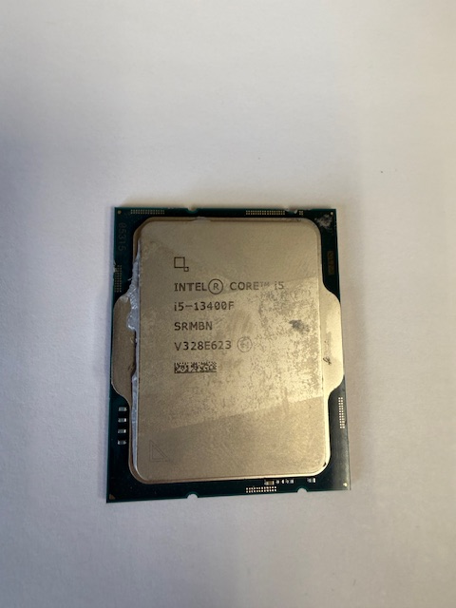
PN | Quantity | $ea | Line Total
100-000000061 | 1
100-000000065 | 1
100-000000252 | 1
100-000000253 | 1
100-000000263 | 1
100-000000284 | 2
100-000000457 | 12
100-000000510 | 3
100-000000589 | 4
100-000000591 | 1
100-000000592 | 8
100-000000662 | 1
100-000000743 | 4
100-000000910 | 3
100-000001015 | 1
100-000001084 | 1
100-000001590 | 7
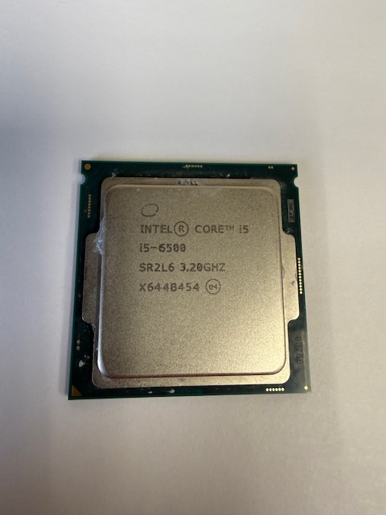
SR2BX | 1
SR2L6 | 353
SR334 | 53
SR3QS | 1
SRGSG | 1
SRKND | 1
SRKNR | 1
SRL4P | 1
SRL4R | 2
SRL4U | 1
SRL4W | 2
SRL63 | 1
SRMB9 | 2
SRMBB | 6
SRMBH | 2
SRMBJ | 1
SRMBN | 2
SRMBP | 1
SRN3Y | 2
SRN3Z | 7
SRN48 | 1
SRN49 | 7
SRQCV | 1
Total | 502 |  | $-

