Sheet1
SerialNumber | Time | Capacity | Size | ModelId | Formfactor | Connector | HealthScore | TotalBadSectors | Offer $ | Row Labels | Count of Capacity | Count of Offer $ | $ea
PHM28036002E280EGN | 1/31/26 | u.2 280gb | 280062558720 | SSDPE21D280GAD NVME INTEL | u.2 NVME | NVME | 100 | 0 |  | u.2 1.6tb | 219 |  | $-
PHM2811200CZ280EGN | 1/31/26 | u.2 280gb | 280062558720 | SSDPE21D280GAD NVME INTEL | u.2 NVME | NVME | 100 | 0 |  | u.2 1.92tb | 247 |  | $-
PHM281120083280EGN | 1/31/26 | u.2 280gb | 280062558720 | SSDPE21D280GAD NVME INTEL | u.2 NVME | NVME | 100 | 0 |  | u.2 11tb | 2 |  | $-
PHM28112001M280EGN | 1/31/26 | u.2 280gb | 280062558720 | SSDPE21D280GAD NVME INTEL | u.2 NVME | NVME | 100 | 0 |  | u.2 12.8tb | 3 |  | $-
PHM2811200CR280EGN | 1/31/26 | u.2 280gb | 280062558720 | SSDPE21D280GAD NVME INTEL | u.2 NVME | NVME | 100 | 0 |  | u.2 15.36tb | 58 |  | $-
PHKE906401LR375AGN | 1/31/26 | u.2 375gb | 375080993280 | Dell Express Flash NVMe P | u.2 NVME | NVME | 100 | 0 |  | u.2 1TB | 94 |  | $-
PHKE906400H4375AGN | 1/31/26 | u.2 375gb | 375080993280 | Dell Express Flash NVMe P | u.2 NVME | NVME | 100 | 0 |  | u.2 280gb | 5 |  | $-
PHKE9080017N375AGN | 1/31/26 | u.2 375gb | 375080993280 | Dell Express Flash NVMe P | u.2 NVME | NVME | 100 | 0 |  | u.2 2tb | 43 |  | $-
PHKE9063005Y375AGN | 1/31/26 | u.2 375gb | 375080993280 | Dell Express Flash NVMe P | u.2 NVME | NVME | 100 | 0 |  | u.2 3.2tb | 113 |  | $-
PHKE908001F4375AGN | 1/31/26 | u.2 375gb | 375080993280 | Dell Express Flash NVMe P | u.2 NVME | NVME | 100 | 0 |  | u.2 3.84tb | 22 |  | $-
PHKE827600H8375AGN | 1/31/26 | u.2 375gb | 375080993280 | Dell Express Flash NVMe P | u.2 NVME | NVME | 100 | 0 |  | u.2 375gb | 59 |  | $-
PHKE8156018J375AGN | 1/31/26 | u.2 375gb | 375080993280 | Dell Express Flash NVMe P | u.2 NVME | NVME | 98 | 0 |  | u.2 400gb | 80 |  | $-
PHKE8156016M375AGN | 1/31/26 | u.2 375gb | 375080993280 | Dell Express Flash NVMe P | u.2 NVME | NVME | 89 | 0 |  | u.2 4tb | 11 |  | $-
PHKE9064003T375AGN | 1/31/26 | u.2 375gb | 375080993280 | Dell Express Flash NVMe P | u.2 NVME | NVME | 100 | 0 |  | u.2 6.4tb | 40 |  | $-
PHKE01810009375AGN | 1/31/26 | u.2 375gb | 375080993280 | Dell Express Flash NVMe P | u.2 NVME | NVME | 100 | 0 |  | u.2 7.6tb | 78 |  | $-
PHKE011000C4375AGN | 1/31/26 | u.2 375gb | 375080993280 | Dell Express Flash NVMe P | u.2 NVME | NVME | 100 | 0 |  | u.2 750gb | 4 |  | $-
PHKE908001D2375AGN | 1/31/26 | u.2 375gb | 375080993280 | Dell Express Flash NVMe P | u.2 NVME | NVME | 100 | 0 |  | u.2 800gb | 164 |  | $-
PHKE907600QL375AGN | 1/31/26 | u.2 375gb | 375080993280 | Dell Express Flash NVMe P | u.2 NVME | NVME | 100 | 0 |  | u.2 8tb | 5 |  | $-
PHKE907600JM375AGN | 1/31/26 | u.2 375gb | 375080993280 | Dell Express Flash NVMe P | u.2 NVME | NVME | 100 | 0 |  | u.2 960gb | 305 |  | $-
PHKE827500DR375AGN | 1/31/26 | u.2 375gb | 375080993280 | Dell Express Flash NVMe P | u.2 NVME | NVME | 100 | 0 |  | Grand Total | 1552
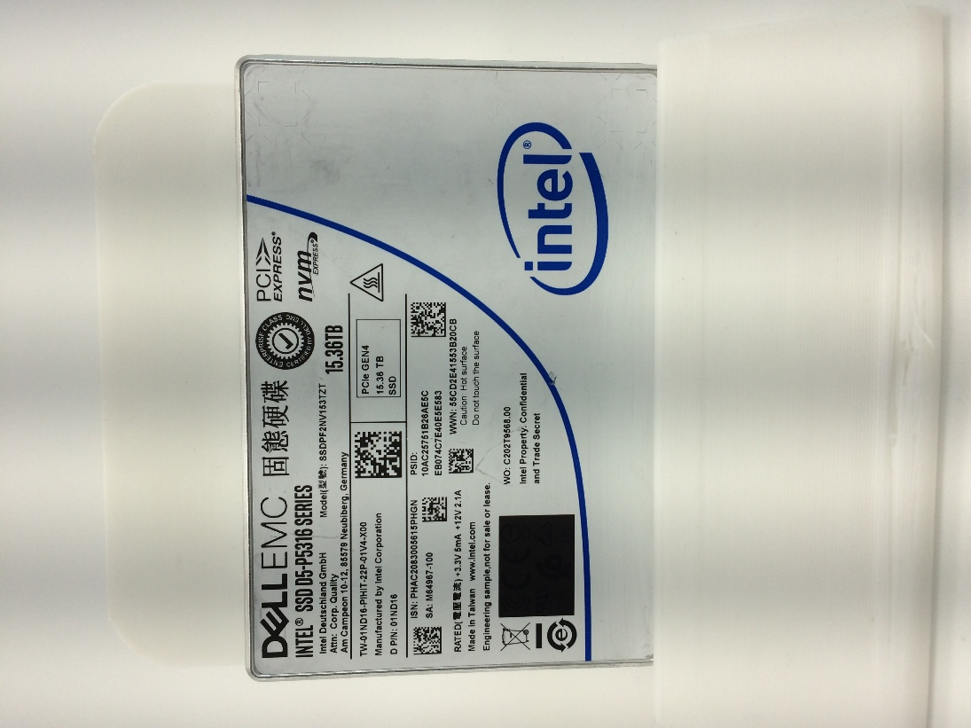
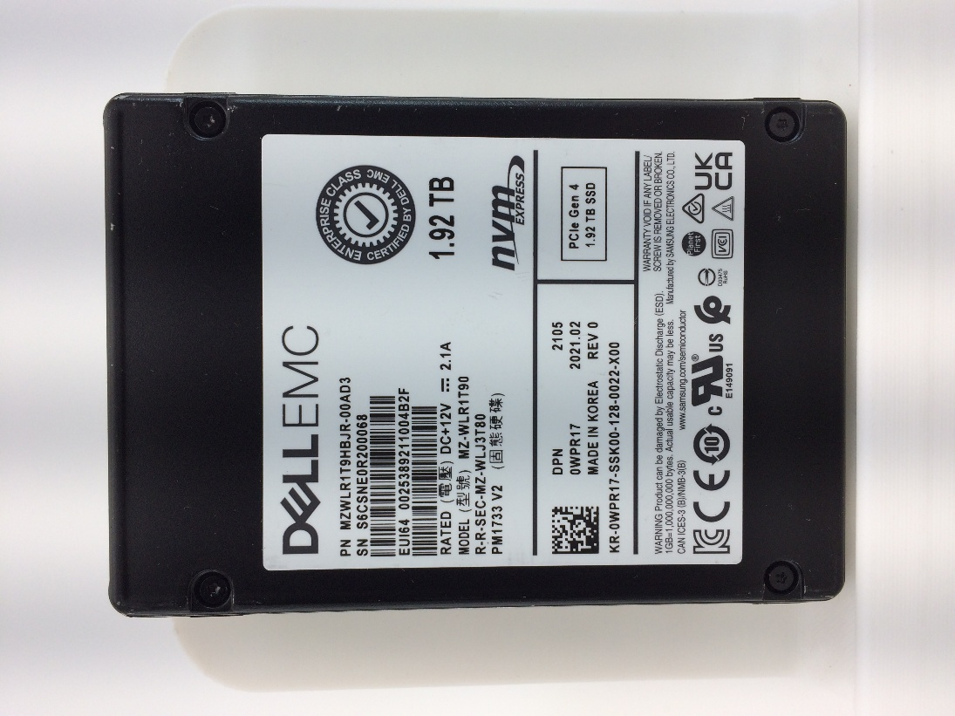
PHKE8156014N375AGN | 1/31/26 | u.2 375gb | 375080993280 | Dell Express Flash NVMe P | u.2 NVME | NVME | 100 | 0
PHKE0161010W375AGN | 1/31/26 | u.2 375gb | 375080993280 | Dell Express Flash NVMe P | u.2 NVME | NVME | 100 | 0
PHKE827600RL375AGN | 1/31/26 | u.2 375gb | 375080993280 | Dell Express Flash NVMe P | u.2 NVME | NVME | 100 | 0
PHKE827600F9375AGN | 1/31/26 | u.2 375gb | 375080993280 | Dell Express Flash NVMe P | u.2 NVME | NVME | 100 | 0
PHKE0062005U375AGN | 1/31/26 | u.2 375gb | 375080993280 | Dell Express Flash NVMe P | u.2 NVME | NVME | 100 | 0
PHKE81560156375AGN | 1/31/26 | u.2 375gb | 375080993280 | Dell Express Flash NVMe P | u.2 NVME | NVME | 100 | 0
PHKE81560158375AGN | 1/31/26 | u.2 375gb | 375080993280 | Dell Express Flash NVMe P | u.2 NVME | NVME | 100 | 0
PHKE81560195375AGN | 1/31/26 | u.2 375gb | 375080993280 | Dell Express Flash NVMe P | u.2 NVME | NVME | 100 | 0
PHKE827601LU375AGN | 1/31/26 | u.2 375gb | 375080993280 | Dell Express Flash NVMe P | u.2 NVME | NVME | 100 | 0
PHKE8156004T375AGN | 1/31/26 | u.2 375gb | 375080993280 | Dell Express Flash NVMe P | u.2 NVME | NVME | 100 | 0
PHKE7282008B375AGN | 1/31/26 | u.2 375gb | 375080993280 | INTEL SSDPE21K375GA | u.2 NVME | NVME | 100 | 0
PHKE015500VZ375AGN | 1/31/26 | u.2 375gb | 375080993280 | Dell Express Flash NVMe P | u.2 NVME | NVME | 100 | 0
PHKE730601H0375AGN | 1/31/26 | u.2 375gb | 375080993280 | INTEL SSDPE21K375GA | u.2 NVME | NVME | 100 | 0
PHKE8276011W375AGN | 1/31/26 | u.2 375gb | 375080993280 | Dell Express Flash NVMe P | u.2 NVME | NVME | 100 | 0
PHKE827600JG375AGN | 1/31/26 | u.2 375gb | 375080993280 | Dell Express Flash NVMe P | u.2 NVME | NVME | 100 | 0
PHKE906401ED375AGN | 1/31/26 | u.2 375gb | 375080993280 | Dell Express Flash NVMe P | u.2 NVME | NVME | 100 | 0
PHKE7282002F375AGN | 1/31/26 | u.2 375gb | 375080993280 | INTEL SSDPE21K375GA | u.2 NVME | NVME | 100 | 0
PHKE7282009F375AGN | 1/31/26 | u.2 375gb | 375080993280 | INTEL SSDPE21K375GA | u.2 NVME | NVME | 100 | 0
PHKE8141026G375AGN | 1/31/26 | u.2 375gb | 375080993280 | Dell Express Flash NVMe P | u.2 NVME | NVME | 100 | 0
PHKE73060023375AGN | 1/31/26 | u.2 375gb | 375080993280 | INTEL SSDPE21K375GA | u.2 NVME | NVME | 100 | 0
PHKE815600GN375AGN | 1/31/26 | u.2 375gb | 375080993280 | Dell Express Flash NVMe P | u.2 NVME | NVME | 100 | 0
PHKE81560199375AGN | 1/31/26 | u.2 375gb | 375080993280 | Dell Express Flash NVMe P | u.2 NVME | NVME | 100 | 0
PHKE908001MJ375AGN | 1/31/26 | u.2 375gb | 375080993280 | Dell Express Flash NVMe P | u.2 NVME | NVME | 100 | 0
PHKE81560198375AGN | 1/31/26 | u.2 375gb | 375080993280 | Dell Express Flash NVMe P | u.2 NVME | NVME | 100 | 0
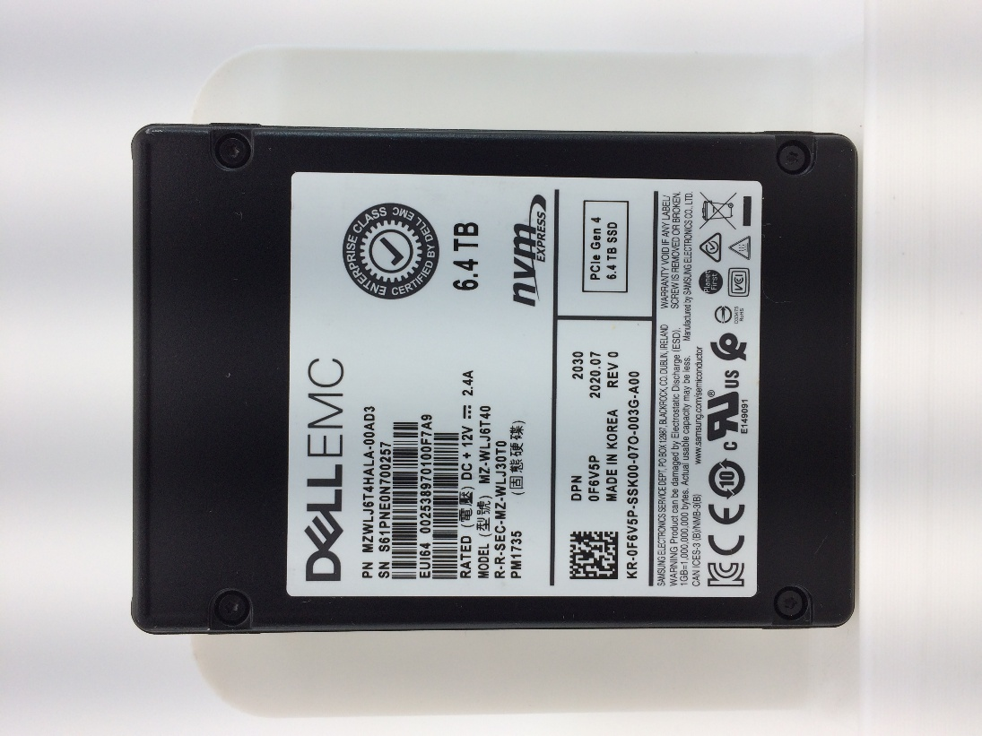
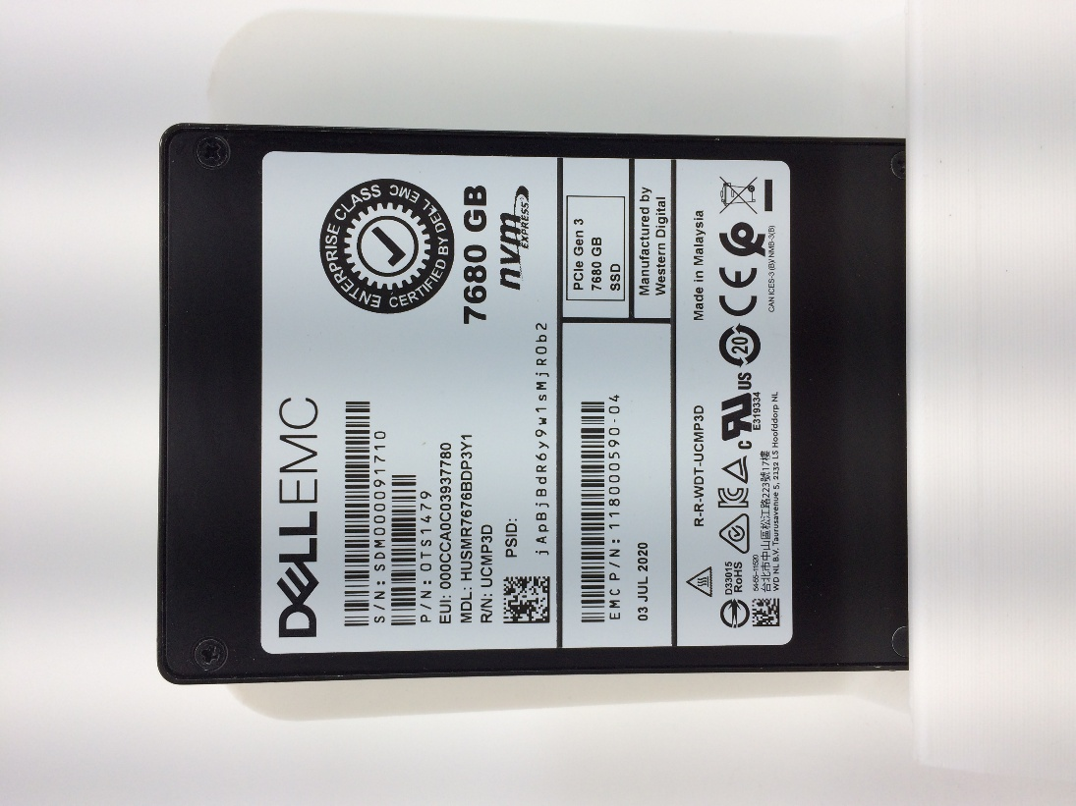
PHKE9064014Q375AGN | 1/31/26 | u.2 375gb | 375080993280 | Dell Express Flash NVMe P | u.2 NVME | NVME | 100 | 0
PHKE728200B6375AGN | 1/31/26 | u.2 375gb | 375080993280 | INTEL SSDPE21K375GA | u.2 NVME | NVME | 100 | 0
PHKE7496001E375AGN | 1/31/26 | u.2 375gb | 375080993280 | Dell Express Flash NVMe P | u.2 NVME | NVME | 100 | 0
PHKE00620029375AGN | 1/31/26 | u.2 375gb | 375080993280 | Dell Express Flash NVMe P | u.2 NVME | NVME | 100 | 0
PHKE73060110375AGN | 1/31/26 | u.2 375gb | 375080993280 | INTEL SSDPE21K375GA | u.2 NVME | NVME | 100 | 0
PHKE0086008F375AGN | 1/31/26 | u.2 375gb | 375080993280 | Dell Express Flash NVMe P | u.2 NVME | NVME | 100 | 0
PHKE8156015A375AGN | 1/31/26 | u.2 375gb | 375080993280 | Dell Express Flash NVMe P | u.2 NVME | NVME | 100 | 0
PHKE827600EG375AGN | 1/31/26 | u.2 375gb | 375080993280 | Dell Express Flash NVMe P | u.2 NVME | NVME | 100 | 0
PHKE730601M9375AGN | 1/31/26 | u.2 375gb | 375080993280 | INTEL SSDPE21K375GA | u.2 NVME | NVME | 100 | 0
PHKE827602CK375AGN | 1/31/26 | u.2 375gb | 375080993280 | Dell Express Flash NVMe P | u.2 NVME | NVME | 100 | 0
PHKE827600BR375AGN | 1/31/26 | u.2 375gb | 375080993280 | Dell Express Flash NVMe P | u.2 NVME | NVME | 100 | 0
PHKE0062004G375AGN | 1/31/26 | u.2 375gb | 375080993280 | Dell Express Flash NVMe P | u.2 NVME | NVME | 100 | 0
PHKE72820035375AGN | 1/31/26 | u.2 375gb | 375080993280 | INTEL SSDPE21K375GA | u.2 NVME | NVME | 100 | 0
PHKE72820062375AGN | 1/31/26 | u.2 375gb | 375080993280 | INTEL SSDPE21K375GA | u.2 NVME | NVME | 100 | 0
PHKE730601GK375AGN | 1/31/26 | u.2 375gb | 375080993280 | INTEL SSDPE21K375GA | u.2 NVME | NVME | 100 | 0
PHKE7306001X375AGN | 1/31/26 | u.2 375gb | 375080993280 | INTEL SSDPE21K375GA | u.2 NVME | NVME | 100 | 0
PHKE9080016C375AGN | 1/31/26 | u.2 375gb | 375080993280 | Dell Express Flash NVMe P | u.2 NVME | NVME | 100 | 0
PHKE910503Z1375AGN | 1/31/26 | u.2 375gb | 375080993280 | Dell Express Flash NVMe P | u.2 NVME | NVME | 100 | 0
PHKE8275006D375AGN | 1/31/26 | u.2 375gb | 375080993280 | Dell Express Flash NVMe P | u.2 NVME | NVME | 100 | 0
PHKE8156016T375AGN | 1/31/26 | u.2 375gb | 375080993280 | Dell Express Flash NVMe P | u.2 NVME | NVME | 100 | 0
PHAL044500N5400AGN | 1/30/26 | u.2 400gb | 400085844480 | Dell Ent NVMe P5800x WI U | u.2 NVME | NVME | 100 | 0
PHAL044500SJ400AGN | 1/30/26 | u.2 400gb | 400085844480 | Dell Ent NVMe P5800x WI U | u.2 NVME | NVME | 100 | 0
PHAL044500JP400AGN | 1/30/26 | u.2 400gb | 400085844480 | Dell Ent NVMe P5800x WI U | u.2 NVME | NVME | 100 | 0
PHAL1354014M400BGN | 1/30/26 | u.2 400gb | 400085844480 | Dell Ent NVMe P5800x SED | u.2 NVME | NVME | 100 | 0
PHAL04450009400AGN | 1/30/26 | u.2 400gb | 400085844480 | Dell Ent NVMe P5800x WI U | u.2 NVME | NVME | 100 | 0
PHAL0412003W400JGN | 1/30/26 | u.2 400gb | 400085844480 | Dell Ent NVMe P5800x WI U | u.2 NVME | NVME | 100 | 0
PHAL04120194400JGN | 1/30/26 | u.2 400gb | 400085844480 | Dell Ent NVMe P5800x WI U | u.2 NVME | NVME | 100 | 0
PHAL041200ND400JGN | 1/30/26 | u.2 400gb | 400085844480 | Dell Ent NVMe P5800x WI U | u.2 NVME | NVME | 100 | 0
PHAL041200WA400JGN | 1/30/26 | u.2 400gb | 400085844480 | Dell Ent NVMe P5800x WI U | u.2 NVME | NVME | 100 | 0
PHAL135401B3400BGN | 1/30/26 | u.2 400gb | 400085844480 | Dell Ent NVMe P5800x WI U | u.2 NVME | NVME | 100 | 0
PHAL04450010400AGN | 1/30/26 | u.2 400gb | 400085844480 | Dell Ent NVMe P5800x WI U | u.2 NVME | NVME | 100 | 0
PHAL041200W6400JGN | 1/30/26 | u.2 400gb | 400085844480 | Dell Ent NVMe P5800x WI U | u.2 NVME | NVME | 100 | 0
PHAL041200TF400JGN | 1/30/26 | u.2 400gb | 400085844480 | Dell Ent NVMe P5800x WI U | u.2 NVME | NVME | 100 | 0
PHAL135400Y6400BGN | 1/30/26 | u.2 400gb | 400085844480 | Dell Ent NVMe P5800x SED | u.2 NVME | NVME | 100 | 0
PHAL041200YX400JGN | 1/30/26 | u.2 400gb | 400085844480 | Dell Ent NVMe P5800x WI U | u.2 NVME | NVME | 100 | 0
PHAL1354003Y400BGN | 1/30/26 | u.2 400gb | 400085844480 | Dell Ent NVMe P5800x WI U | u.2 NVME | NVME | 100 | 0
PHAL044500V8400AGN | 1/30/26 | u.2 400gb | 400085844480 | Dell Ent NVMe P5800x WI U | u.2 NVME | NVME | 100 | 0
PHAL0412016J400JGN | 1/30/26 | u.2 400gb | 400085844480 | Dell Ent NVMe P5800x WI U | u.2 NVME | NVME | 100 | 0
PHAL044500DB400AGN | 1/30/26 | u.2 400gb | 400085844480 | Dell Ent NVMe P5800x WI U | u.2 NVME | NVME | 100 | 0
PHAL12220023400AGN | 1/30/26 | u.2 400gb | 400085844480 | Dell Ent NVMe P5800x WI U | u.2 NVME | NVME | 100 | 0
PHAL0412011E400JGN | 1/30/26 | u.2 400gb | 400085844480 | Dell Ent NVMe P5800x WI U | u.2 NVME | NVME | 100 | 0
PHAL041200PG400JGN | 1/30/26 | u.2 400gb | 400085844480 | Dell Ent NVMe P5800x WI U | u.2 NVME | NVME | 100 | 0
PHAL041200BF400JGN | 1/30/26 | u.2 400gb | 400085844480 | Dell Ent NVMe P5800x WI U | u.2 NVME | NVME | 100 | 0
PHAL1354006W400BGN | 1/30/26 | u.2 400gb | 400085844480 | Dell Ent NVMe P5800x WI U | u.2 NVME | NVME | 100 | 0
PHAL135400YS400BGN | 1/30/26 | u.2 400gb | 400085844480 | Dell Ent NVMe P5800x SED | u.2 NVME | NVME | 100 | 0
PHAL2041008M400BGN | 1/30/26 | u.2 400gb | 400085844480 | Dell Ent NVMe P5800x SED | u.2 NVME | NVME | 100 | 0
PHAL044500PF400AGN | 1/30/26 | u.2 400gb | 400085844480 | Dell Ent NVMe P5800x WI U | u.2 NVME | NVME | 100 | 0
PHAL044500HB400AGN | 1/30/26 | u.2 400gb | 400085844480 | Dell Ent NVMe P5800x WI U | u.2 NVME | NVME | 100 | 0
PHAL044500XQ400AGN | 1/30/26 | u.2 400gb | 400085844480 | Dell Ent NVMe P5800x WI U | u.2 NVME | NVME | 100 | 0
PHAL044500RP400AGN | 1/30/26 | u.2 400gb | 400085844480 | Dell Ent NVMe P5800x WI U | u.2 NVME | NVME | 100 | 0
PHAL1222001K400AGN | 1/30/26 | u.2 400gb | 400085844480 | Dell Ent NVMe P5800x WI U | u.2 NVME | NVME | 100 | 0
PHAL0412007N400JGN | 1/30/26 | u.2 400gb | 400085844480 | Dell Ent NVMe P5800x WI U | u.2 NVME | NVME | 100 | 0
PHAL044500JT400AGN | 1/30/26 | u.2 400gb | 400085844480 | Dell Ent NVMe P5800x WI U | u.2 NVME | NVME | 100 | 0
PHAL1222001Z400AGN | 1/30/26 | u.2 400gb | 400085844480 | Dell Ent NVMe P5800x WI U | u.2 NVME | NVME | 100 | 0
PHAL044500E7400AGN | 1/30/26 | u.2 400gb | 400085844480 | Dell Ent NVMe P5800x WI U | u.2 NVME | NVME | 100 | 0
PHAL04450129400AGN | 1/30/26 | u.2 400gb | 400085844480 | Dell Ent NVMe P5800x WI U | u.2 NVME | NVME | 100 | 0
PHAL1354002J400BGN | 1/30/26 | u.2 400gb | 400085844480 | Dell Ent NVMe P5800x WI U | u.2 NVME | NVME | 100 | 0
PHAL2041005E400BGN | 1/30/26 | u.2 400gb | 400085844480 | Dell Ent NVMe P5800x SED | u.2 NVME | NVME | 100 | 0
PHAL04120110400JGN | 1/30/26 | u.2 400gb | 400085844480 | Dell Ent NVMe P5800x WI U | u.2 NVME | NVME | 100 | 0
PHAL04120126400JGN | 1/30/26 | u.2 400gb | 400085844480 | Dell Ent NVMe P5800x WI U | u.2 NVME | NVME | 100 | 0
PHAL135401AJ400BGN | 1/30/26 | u.2 400gb | 400085844480 | Dell Ent NVMe P5800x WI U | u.2 NVME | NVME | 100 | 0
PHAL135400ZG400BGN | 1/30/26 | u.2 400gb | 400085844480 | Dell Ent NVMe P5800x SED | u.2 NVME | NVME | 100 | 0
PHAL041200K2400JGN | 1/30/26 | u.2 400gb | 400085844480 | Dell Ent NVMe P5800x WI U | u.2 NVME | NVME | 99 | 0
PHAL1354001X400BGN | 1/30/26 | u.2 400gb | 400085844480 | Dell Ent NVMe P5800x WI U | u.2 NVME | NVME | 99 | 0
PHAL041200U9400JGN | 1/30/26 | u.2 400gb | 400085844480 | Dell Ent NVMe P5800x WI U | u.2 NVME | NVME | 99 | 0
PHAL134000Q1400AGN | 1/30/26 | u.2 400gb | 400085844480 | Dell Ent NVMe P5800x WI U | u.2 NVME | NVME | 100 | 0
PHAL0445007X400AGN | 1/30/26 | u.2 400gb | 400085844480 | Dell Ent NVMe P5800x WI U | u.2 NVME | NVME | 100 | 0
PHAL0445012N400AGN | 1/30/26 | u.2 400gb | 400085844480 | Dell Ent NVMe P5800x WI U | u.2 NVME | NVME | 100 | 0
PHAL041200PR400JGN | 1/30/26 | u.2 400gb | 400085844480 | Dell Ent NVMe P5800x SED | u.2 NVME | NVME | 100 | 0
PHAL0445004M400AGN | 1/30/26 | u.2 400gb | 400085844480 | Dell Ent NVMe P5800x WI U | u.2 NVME | NVME | 100 | 0
PHAL044500NF400AGN | 1/30/26 | u.2 400gb | 400085844480 | Dell Ent NVMe P5800x WI U | u.2 NVME | NVME | 100 | 0
PHAL04450028400AGN | 1/30/26 | u.2 400gb | 400085844480 | Dell Ent NVMe P5800x WI U | u.2 NVME | NVME | 100 | 0
PHAL12220043400AGN | 1/30/26 | u.2 400gb | 400085844480 | Dell Ent NVMe P5800x WI U | u.2 NVME | NVME | 100 | 0
PHAL041200Q8400JGN | 1/30/26 | u.2 400gb | 400085844480 | Dell Ent NVMe P5800x WI U | u.2 NVME | NVME | 100 | 0
PHAL044500CM400AGN | 1/30/26 | u.2 400gb | 400085844480 | Dell Ent NVMe P5800x WI U | u.2 NVME | NVME | 100 | 0
...

