Sheet1
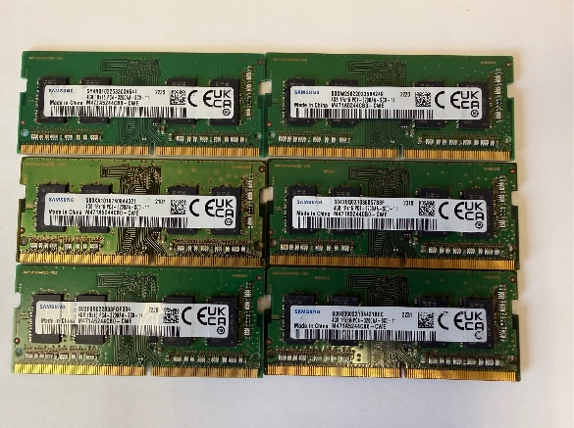
Form | Capacity | Speed | Model | Qty | $ea | Total
Laptop | 2GB | 6400S | DDR2 | 2 |  | $- | Row Labels | Sum of Qty
Laptop | 2GB | 8500S | DDR3 | 9 |  | $- | Desktop | 146
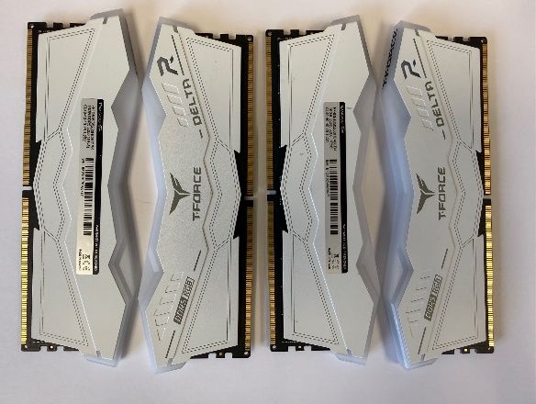
Laptop | 2GB | 10600S | DDR3 | 3 |  | $- | 16GB | 138
Laptop | 2GB | 12800S | DDR3 | 7 |  | $- | 3200 | 2
Laptop | 2GB | 10600S | M471B5273CH0-CH9 | 1 |  | $- | 3600 | 2
Laptop | 4GB | 12800S | HMT451S6AFR8A-PBNAAA | 1 |  | $- | 5200 | 37
Laptop | 4GB | 12800S | AM1L16BC4R1-B1MS | 1 |  | $- | 5600 | 7
Laptop | 4GB | 12800S | HMT451S6AFR8A-PBNOAA | 2 |  | $- | 6000 | 47
Laptop | 4GB | 12800S | EBJ40UG8BBU0-GN-F | 2 |  | $- | 6400 | 2
Laptop | 4GB | 2133P | HMA451S6AFR8N-TFNOAC | 1 |  | $- | 3200AA | 12
Laptop | 4GB | 2400T | M471A5244BB0-CRC | 1 |  | $- | 4800B | 6
Laptop | 4GB | 3200AA | HMAG56EXNSA051N AD | 1 |  | $- | 5600B | 23
Laptop | 4GB | 3200AA | KCDT82-MIR | 1 |  | $- | 2GB | 8
Laptop | 4GB | 3200AA | M471A1K43EB1-CWE | 1 |  | $- | 2666 | 1
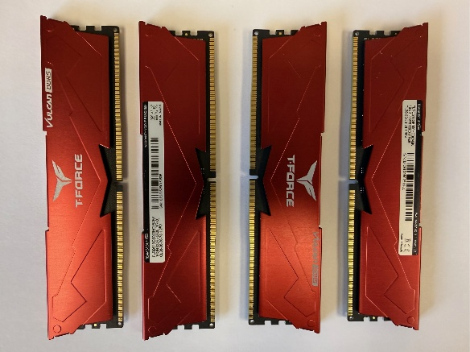
Laptop | 4GB | 3200AA | HMA851S6DJR6N-XNNOBC | 1 |  | $- | 10600U | 7
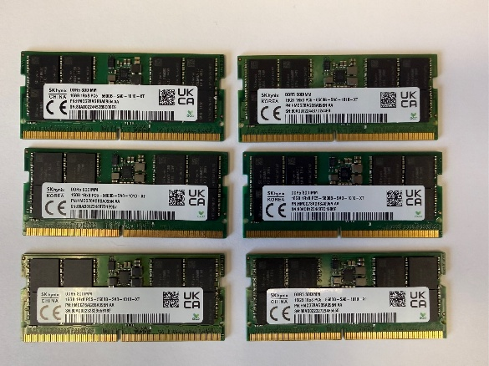
Laptop | 4GB | 3200AA | M471A5244BB0-CWE | 2 |  | $- | Laptop | 1831
Laptop | 4GB | 3200AA | MTA4ATF1264HZ-3G2R1 | 2 |  | $- | 16GB | 451
Laptop | 4GB | 3200AA | HMA851S6CJR6N-XNNOAC | 2 |  | $- | 4800 | 4
Laptop | 4GB | 3200AA | MHA851S6DJR6N-XNNOAD | 3 |  | $- | 5200 | 2
Laptop | 4GB | 3200AA | HMAG56EXNSA051N BD | 3 |  | $- | 2666V | 10
Laptop | 4GB | 3200AA | HP32D4S2S1MR-4 | 4 |  | $- | 3200AA | 53
Laptop | 4GB | 3200AA | HP32D4S2S1ME-4 | 5 |  | $- | 4800B | 114
Laptop | 4GB | 3200AA | MTA4ATF51264HZ-3G2J1 | 5 |  | $- | 5600B | 266
Laptop | 4GB | 3200AA | HMA851S6DJR6N-XNNOAC | 8 |  | $- | 6400B | 2
Laptop | 4GB | 3200AA | HMAG56EXNSA051N BC | 10 |  | $- | 24GB | 2
Laptop | 4GB | 3200AA | M471A5244CB0-CWELL | 12 |  | $- | 10600U | 2
Laptop | 4GB | 3200AA | MTA4ATF51264HZ-3G2R1 | 16 |  | $- | 2GB | 22
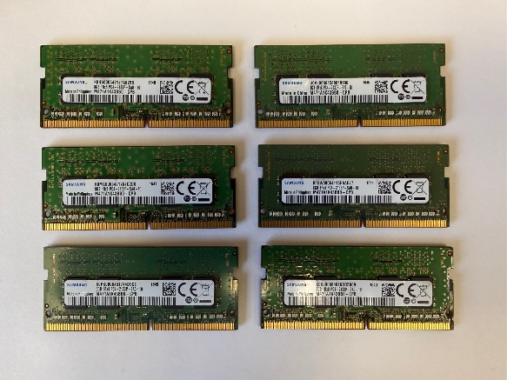
Laptop | 4GB | 3200AA | M471A5244CB0-CWE | 51 |  | $- | 10600S | 4
Laptop | 4GB | 3200AA | M471A5244GB0-CWE | 53 |  | $- | 12800S | 7
Laptop |  | Mixed Unlabeled | DDR4 | 32 |  | $- | 6400S | 2
Laptop |  | Mixed Unlabeled | DDR5 | 42 |  | $- | 8500S | 9
Laptop | 8GB | 2133 | M471A1G43DB0-CPB | 21 |  | $- | 4GB | 188
Laptop | 8GB | 2133 | HMA41GS6AFR8N | 75 |  | $- | 12800S | 6
Laptop | 8GB | 2133 | M471A1K43BB0-CPB | 294 |  | $- | 2133P | 1
Laptop | 8GB | 2400T | HMA81GS6AFR8N-UHNOAD | 1 |  | $- | 2400T | 1
Laptop | 8GB | 2400T | HMA81GS6AFR8N-UHNOAB | 48 |  | $- | 3200AA | 180
Laptop | 8GB | 2400T | MTA8ATF1G64HZ-2G3B1 | 66 |  | $- | 8GB | 1094
Laptop | 8GB | 2400T | HMA81GS6AFR8N-UHNOAC | 77 |  | $- | 2133 | 390
Laptop | 8GB | 2400T | M47A1K43CB1-CRC | 138 |  | $- | 2400T | 330
Laptop | 8GB | 2666V | MTA81ATF1G64HZ-2G6D1 | 1 |  | $- | 2666V | 255
Laptop | 8GB | 2666V | M471A5244CB0-CTD | 1 |  | $- | 3200AA | 58
Laptop | 8GB | 2666V | HMA81GS6CJR8N-VKNOAC | 4 |  | $- | 4800B | 26
Laptop | 8GB | 2666V | MTA8ATF1G64HZ-2G6E1 | 69 |  | $- | 5600B | 35
Laptop | 8GB | 2666V | M471K43CB1-CTD | 177 |  | $- | (blank) | 74
Laptop | 8GB | 3200AA | AO1P32NC8W1-BD2SHC | 1 |  | $- | Mixed Unlabeled | 74
Laptop | 8GB | 3200AA | KKRVFX-MIF 2411DCDA | 1 |  | $- | Grand Total | 1977
Laptop | 8GB | 3200AA | KN8GB070682131C6B1MN00 | 1 |  | $-
Laptop | 8GB | 3200AA | RMSA3320KE78HAF-3200 | 1 |  | $-
Laptop | 8GB | 3200AA | RMSA3310MJ86H9F-3200 | 1 |  | $-
Laptop | 8GB | 3200AA | MTA4ATF1G64HZ-3G2E2 | 2 |  | $-
Laptop | 8GB | 3200AA | M471A1G44CB0-CWE | 3 |  | $-
Laptop | 8GB | 3200AA | MTA4ATF1G64HZ-3G2FA | 3 |  | $-
Laptop | 8GB | 3200AA | MTA8ATF1G64HZ-3G2R1 | 4 |  | $-
Laptop | 8GB | 3200AA | NT8GA64D88CX3S-JR | 5 |  | $-
Laptop | 8GB | 3200AA | HMAG68EXNSA051N | 6 |  | $-
Laptop | 8GB | 3200AA | HMAA1GS6CJR6N | 7 |  | $-
Laptop | 8GB | 3200AA | MTA4ATF1G64HZ-3G2F1 | 9 |  | $-
Laptop | 8GB | 3200AA | M471AK43EB1-CWE | 14 |  | $-
Laptop | 8GB | 4800B | HMCG66MEBSA095N BA | 1 |  | $-
Laptop | 8GB | 4800B | M425R1GB4BB0-CQK0D | 2 |  | $-
Laptop | 8GB | 4800B | HMCG66MEBSA092N BA | 3 |  | $-
Laptop | 8GB | 4800B | MTC4C10163S1SC48BA1 BC | 3 |  | $-
Laptop | 8GB | 4800B | MTC4C10163S1SC48BA1 EF | 3 |  | $-
Laptop | 8GB | 4800B | M425R1GB4BB0-CQK0L | 14 |  | $-
Laptop | 8GB | 5600B | ACR56S46BS6HA-8KM | 1 |  | $-
Laptop | 8GB | 5600B | HMCG66AGBSA092N AA | 2 |  | $-
Laptop | 8GB | 5600B | HMCG66AGBSA092N BA | 2 |  | $-
Laptop | 8GB | 5600B | MTC4C10163S1SC56BD1 BC | 3 |  | $-
Laptop | 8GB | 5600B | M425R1GB4PB0-CWMOL | 4 |  | $-
Laptop | 8GB | 5600B | HMCG66AGBSA095N AA | 5 |  | $-
Laptop | 8GB | 5600B | M425R1GB4PB0-CWMOD | 5 |  | $-
Laptop | 8GB | 5600B | M425R1GB4BB0-CWMOD | 6 |  | $-
Laptop | 8GB | 5600B | HMCG66AGBSA095N BA | 7 |  | $-
Laptop | 8GB | 2666V | M471A2K43DB1-CTD | 3 |  | $-
Laptop | 16GB | 2666V | HMA82GS6DJR8N-VKNOAD | 4 |  | $-
Laptop | 16GB | 2666V | KF2666NDCD4-16GB | 6 |  | $-
Laptop | 16GB | 3200AA | MTA8ATF2G64HZ-3G2E2 | 1 |  | $-
Laptop | 16GB | 3200AA | M471A2G43BB2-CWE | 1 |  | $-
Laptop | 16GB | 3200AA | HMAA2G26CJR8N-XNNOAC | 1 |  | $-
Laptop | 16GB | 3200AA | HMA82GS6DJR8N-XNNOAC | 1 |  | $-
Laptop | 16GB | 3200AA | HMAG78EXNSA051N AC | 1 |  | $-
Laptop | 16GB | 3200AA | M47A2K43DB1-CWE | 2 |  | $-
Laptop | 16GB | 3200AA | CT16G4SFRA32A.C16FR | 2 |  | $-
Laptop | 16GB | 3200AA | M471A2G43AB2-CWE | 2 |  | $-
Laptop | 16GB | 3200AA | HMAA2GS6AJR8N-XNNOAD | 3 |  | $-
Laptop | 16GB | 3200AA | MTA8ATF2G64HZ-3G2F1 | 3 |  | $-
Laptop | 16GB | 3200AA | HMAA2GS6CJR8N-XNNOBC | 3 |  | $-
Laptop | 16GB | 3200AA | M471A2G43CB2-CWE | 4 |  | $-
Laptop | 16GB | 3200AA | HMAA2GS6AJR8N-XNNOAC | 4 |  | $-
Laptop | 16GB | 3200AA | CMSX16GX4M1A3200C22 | 5 |  | $-
Laptop | 16GB | 3200AA | MTA8ATF2G64HZ-3G2FA | 5 |  | $-
Laptop | 16GB | 3200AA | HMAA2GS6CJR8N-XNNOBD | 5 |  | $-
Laptop | 16GB | 3200AA | M471A2K43EB1-CWE | 10 |  | $-
Laptop | 16GB | 4800B | RMSB3400KB06IVF-4800 | 1 |  | $-
Laptop | 16GB | 4800B | HMCG78AEBSA095N AA | 2 |  | $-
Laptop | 16GB | 4800B | M425R2GA3BB0-CQK0D | 3 |  | $-
Laptop | 16GB | 4800 | CT16G48C40S5.M8A1 | 4 |  | $-
Laptop | 16GB | 4800B | HMCG78AEBSA095N BA | 6 |  | $-
Laptop | 16GB | 4800B | MTC8C1084S1SC48BA1 JF | 6 |  | $-
Laptop | 16GB | 4800B | MTC8C1084S1SC48BD1 BF | 7 |  | $-
Laptop | 16GB | 4800B | HMCG78MEBSA095N BA | 8 |  | $-
Laptop | 16GB | 4800B | HMCG78AEBSA095N AA | 10 |  | $-
Laptop | 16GB | 4800B | MTC8C1084S1SC48BA1 BC | 13 |  | $-
Laptop | 16GB | 4800B | HMCG78AEBSA092N BA | 14 |  | $-
Laptop | 16GB | 4800B | CMSX16GX5M1A4800 | 17 |  | $-
Laptop | 16GB | 4800B | M425R2GA3BB0-CQK0L | 27 |  | $-
Laptop | 16GB | 5200 | F5-5200S3838A16GA2-RS | 2 |  | $-
Laptop | 16GB | 5600B | MTC8C1084S1SC56BD1 KF | 1 |  | $-
Laptop | 16GB | 5600B | M425R2GA3EB0-CWM0M | 6 |  | $-
Laptop | 16GB | 5600B | M425R2GA3EB0-CWM0D | 8 |  | $-
Laptop | 16GB | 5600B | RMSB3410HA88IBF | 8 |  | $-
Laptop | 16GB | 5600B | CT16G56C46S5.M8G1 | 8 |  | $-
Laptop | 16GB | 5600B | MTC8C1084S1SC56BD1 BC | 9 |  | $-
Laptop | 16GB | 5600B | MTC8C1084S1SC56BD1 NF | 9 |  | $-
Laptop | 16GB | 5600B | MHCG78AGBSA092N AA | 11 |  | $-
Laptop | 16GB | 5600B | M425R2GA3BB0-CWM0D | 11 |  | $-
Laptop | 16GB | 5600B | MTC8C1084S1SC56BD1 KC | 12 |  | $-
Laptop | 16GB | 5600B | MTC8C1084S1SC56BD1 BF | 15 |  | $-
Laptop | 16GB | 5600B | MHCG78AGBSA095N BA | 17 |  | $-
Laptop | 16GB | 5600B | M425R2GA3EB0-CWM0L | 20 |  | $-
Laptop | 16GB | 5600B | M425R2GA3PB0-CWM0D | 23 |  | $-
Laptop | 16GB | 5600B | MHCG78AGBSA095N AA | 30 |  | $-
Laptop | 16GB | 5600B | M425R2GA3PB0-CWM0L | 36 |  | $-
Laptop | 16GB | 5600B | MHCG78AGBSA092N BA | 41 |  | $-
Laptop | 16GB | 6400B | HMCG78AHBVA315N BA | 1 |  | $-
Laptop | 16GB | 6400B | MTC8C1084S1VC64BD1 BCG | 1 |  | $-
Laptop | 16GB | 5600B | CT24G56C46S5.C8B | 1 |  | $-
Laptop | 24GB | 10600U | RMR1870ED48E8F | 2 |  | $-
Desktop | 2GB | 10600U | NT2GC64B8HA0NF-CG | 2 |  | $-
Desktop | 2GB | 10600U | M378B5673FH0-CH9 | 2 |  | $-
Desktop | 2GB | 10600U | EBJ21UE8BDF0-DJ-F | 3 |  | $-
Desktop | 2GB | 2666 | D426661RX8U/16GB | 1 |  | $-
Desktop | 16GB | 3200AA | HMAA2GU6CJR8N-XNNOAC | 1 |  | $-
Desktop | 16GB | 3200AA | HMA82GU6DJR8N-XNNOAC | 1 |  | $-
Desktop | 16GB | 3200AA | HP32D4U2S8ME | 1 |  | $-
Desktop | 16GB | 3200 | CT16G4DFRA32A.C8FF | 2 |  | $-
Desktop | 16GB | 3200AA | M378A2K43EB1-CWE | 2 |  | $-
Desktop | 16GB | 3200AA | M378A2G43CB3-CWE | 2 |  | $-
Desktop | 16GB | 3200AA | MTA8ATF2G64AZ-3G2FA | 2 |  | $-
Desktop | 16GB | 3200AA | HMAA2GU6AJR8N-XNNOAD | 3 |  | $-
Desktop | 16GB | 3600 | AX4U360016G18I-SWHD35G | 2 |  | $-
Desktop | 16GB | 4800B | HMCG78MEBUA081N BA | 2 |  | $-
Desktop | 16GB | 4800B | M323R2GA3BB0-CQK0L | 4 |  | $-
Desktop | 16GB | 5200 | KF552C40BB-16 | 2 |  | $-
Desktop | 16GB | 5200 | FLRD516G5200HC40CBK | 2 |  | $-
Desktop | 16GB | 5200 | AH5U16G52C5229BAA | 2 |  | $-
Desktop | 16GB | 5200 | FF3D516G5200HC40CBK | 2 |  | $-
Desktop | 16GB | 5200 | KF556C40BB-16 | 4 |  | $-
Desktop | 16GB | 5200 | HP52U40S8HA-16FRAE | 4 |  | $-
Desktop | 16GB | 5200 | GAOSG516GB5200C42SC | 4 |  | $-
Desktop | 16GB | 5200 | NMGD516F81-5200NI00 | 6 |  | $-
Desktop | 16GB | 5200 | FF4D516G5200HC40CBK | 11 |  | $-
Desktop | 16GB | 5600B | M323R2GA3DB0-CWMOD | 1 |  | $-
Desktop | 16GB | 5600 | 7D5956AC2CHVM2RBPT | 2 |  | $-
Desktop | 16GB | 5600B | M323R2GA3PB0-CWM0D | 2 |  | $-
Desktop | 16GB | 5600B | M323R2GA3PB0-CWM0L | 3 |  | $-
Desktop | 16GB | 5600B | M323R2GA3DB0-CWM0L | 3 |  | $-
Desktop | 16GB | 5600B | MTC8C1084S1UC56BD1 BF | 4 |  | $-
Desktop | 16GB | 5600B | HMCG78AGBUA081N BA | 4 |  | $-
Desktop | 16GB | 5600 | FF4D516G5600HC36BBK | 5 |  | $-
Desktop | 16GB | 5600B | HMCG78AGBUA084N BA | 6 |  | $-
...

