F1737642869171_ZVEN0605
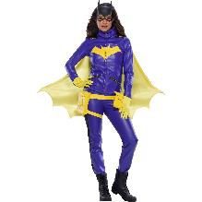

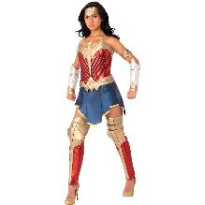

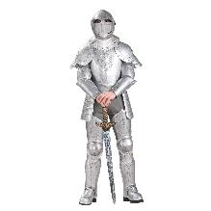
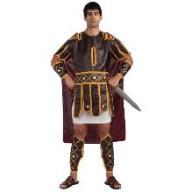

Sheet1
Grand Heritage & Deluxe Costumes Order Form 2026
1 Fairchild Court, Suite 200, Plainview, NY 11803 Phone: (516) 333-3473
Minimum Order $250.00 - Please submit by 4/1/2026 - Items Subject to Availability
Name of Customer/Company: |  |  |  |  |  | Acct#:
Bill To Address:
City, State, Zip
Ship To Address:
City, State, Zip
Contact Name: |  |  |  |  |  | Phone:
Email: |  |  |  |  |  | PO# NCA2026
Freight Terms: |  |  |  |  |  | Cancel Date:
Special Shipping Instructions: |  |  |  |  |  | Ship Date:
All Products are Subject To Price Changes and Cancelations Without Notice
NCA Member Special offer of 25% Discount
Item no. | Description | Componants | Wholesale Cost | 25% | Discounted Price | Image | Available Now | MORE STOCK EXPECTED ETA | QTY'S | Extension
1000171-L | GOT, Daemon Targaryen Deluxe Adult Costume | Coat, Belts | $45.00 | $11.25 | $33.75 | 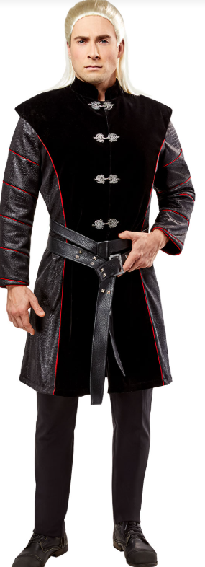 | 58
1000171-M | GOT, Daemon Targaryen Deluxe Adult Costume |  | $45.00 | $11.25 | $33.75 |  | 74
1000171-XL | GOT, Daemon Targaryen Deluxe Adult Costume |  | $45.00 | $11.25 | $33.75 |  | 162
1000172-L | GOT,Rhaenyra Targaryen Deluxe Adult Costume | Long Velvet Dress with cut out Shoulders | $45.00 | $11.25 | $33.75 | 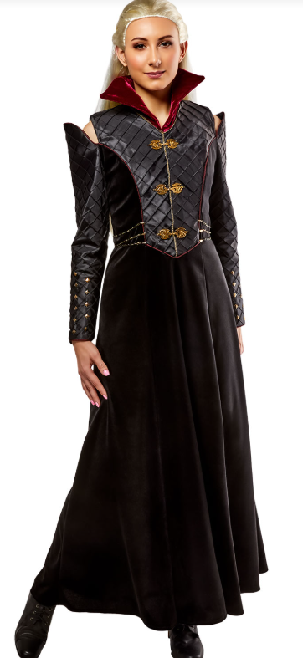 | 118
1000172-M | GOT,Rhaenyra Targaryen Deluxe Adult Costume |  | $45.00 | $11.25 | $33.75 |  | 70
1000172-S | GOT,Rhaenyra Targaryen Deluxe Adult Costume |  | $45.00 | $11.25 | $33.75 |  | 92
1000688-L | Game of Thrones, Jon Snow | Top, Vest, Cape, Pants, Belt | $45.00 | $11.25 | $33.75 | 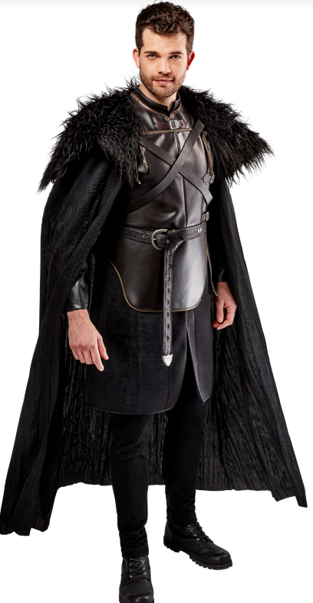 | 8
1000688-M | Game of Thrones, Jon Snow |  | $45.00 | $11.25 | $33.75 |  | 53
1000688-XL | Game of Thrones, Jon Snow |  | $45.00 | $11.25 | $33.75 |  | 68
1000880-L | GOT, Alicent Hightower Deluxe Adult Costume | Off the Shoulder Dress | $50.00 | $12.50 | $37.50 | 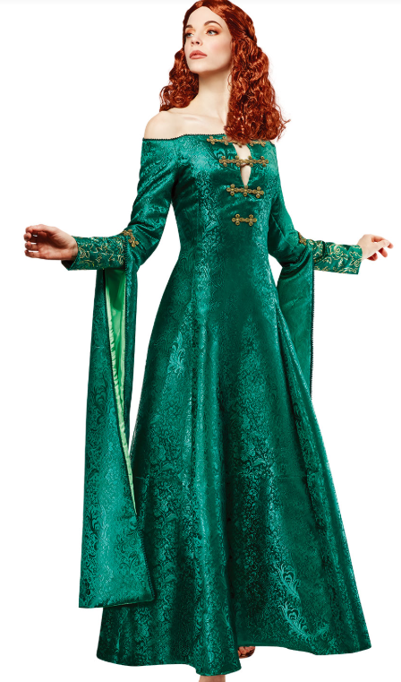 | 7
1000880-M | GOT, Alicent Hightower Deluxe Adult Costume |  | $50.00 | $12.50 | $37.50 |  | 40
1000880-S | GOT, Alicent Hightower Deluxe Adult Costume |  | $50.00 | $12.50 | $37.50 |  | 90
1000380-XL | Willy Wonka Deluxe Adult Costume | Coat, Vest, Pants, Scarf, Hat | $55.00 | $13.75 | $41.25 |  | 169
1000380-L | Willy Wonka Deluxe Adult Costume |  | $55.00 | $13.75 | $41.25 |  | 357
1000380-M | Willy Wonka Deluxe Adult Costume |  | $55.00 | $13.75 | $41.25 |  | 19
100380-S | Willy Wonka Deluxe Adult Costume |  | $55.00 | $13.75 | $41.25 |  | 23
1001532-L | Beetlejuice Grand Heritage Cos | Shirt, Jacket, Pants, Tie, Wig | $55.00 | $13.75 | $41.25 |  | 150
1001532-M | Beetlejuice Grand Heritage Adult Costume |  | $55.00 | $13.75 | $41.25 |  | 153
1001532-XL | Beetlejuice Grand Heritage Adult Costume |  | $55.00 | $13.75 | $41.25 |  | 165
1002456-L | Wednesday Grand Heritage Adult Costume | Shirt, Vest, Tie, Jacket, Skirt | $65.00 | $16.25 | $48.75 | 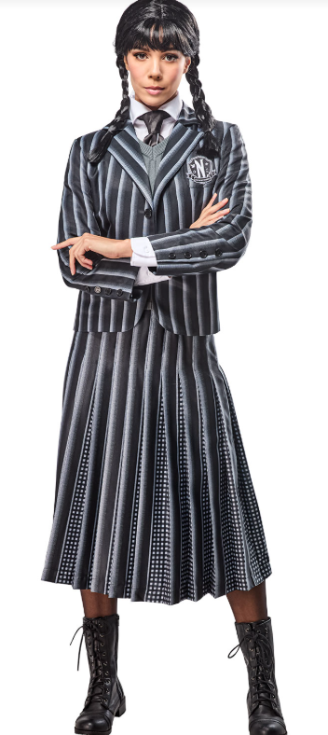 | 0 | 2026-05-30
1002456-M | Wednesday Grand Heritage Adult Costume |  | $65.00 | $16.25 | $48.75 |  | 0 | 2026-05-30
1002456-S | Wednesday Grand Heritage Adult Costume |  | $65.00 | $16.25 | $48.75 |  | 0 | 2026-05-30
1003234-L | Elvira Grand Heritage Adult Costume | Dress, Belt, Dagger | $75.00 | $18.75 | $56.25 | 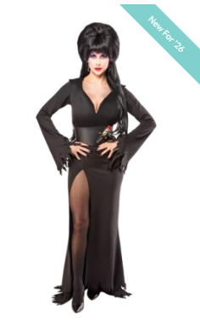 | 0 | 2026-06-30
1003234-M | Elvira Grand Heritage Adult Costume |  | $75.00 | $18.75 | $56.25 |  | 0 | 2026-06-30
1003234-S | Elvira Grand Heritage Adult Costume |  | $75.00 | $18.75 | $56.25 |  | 0 | 2026-06-30
1003234-XL | ELV-Elvira GH W Cos |  | $75.00 | $18.75 | $56.25 |  | 0 | 2026-06-30
56215-L | Joker Grand Heritage Adult Costume | Lined Jacket, Shirt, Vest, Tie, Gloves, Wig, Makeup Kit | $115.00 | $28.75 | $86.25 |  | 203
56215-M | Joker Grand Heritage Adult Costume |  | $115.00 | $28.75 | $86.25 |  | 99
56215-XL | Joker Grand Heritage Adult Costume |  | $115.00 | $28.75 | $86.25 |  | 232
56238-L | Elvis Grand Heritage Adult Costume | Jumpsuit, Belt, Scarf | $140.00 | $35.00 | $105.00 | 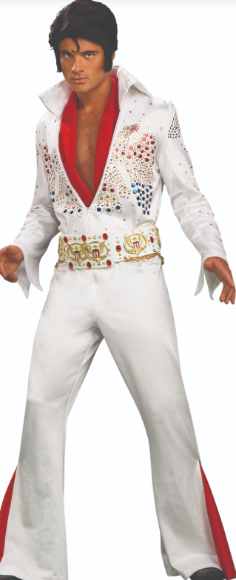 | 308
56238-M | Elvis Grand Heritage Adult Costume |  | $140.00 | $35.00 | $105.00 |  | 74
56238-S | Elvis Grand Heritage Adult Costume |  | $140.00 | $35.00 | $105.00 |  | 98
56238-XL | Elvis Grand Heritage Adult Costume |  | $140.00 | $35.00 | $105.00 |  | 104
630277-M | ZOMBIE BRIDE | Dress, Veil | $75.00 | $18.75 | $56.25 | 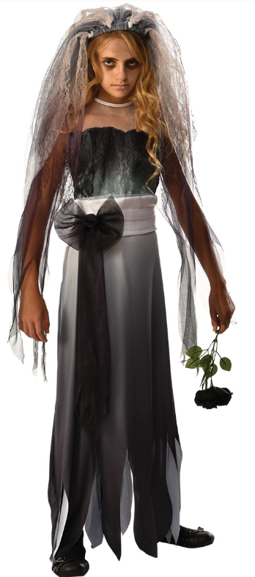 | 50
700802-STD | Shazam Grand Heritage | Padded Jumpsuit With Attached Boot Tops, Molded Belt, Molded Gauntlets, Lined Cape | $75.00 | $18.75 | $56.25 | 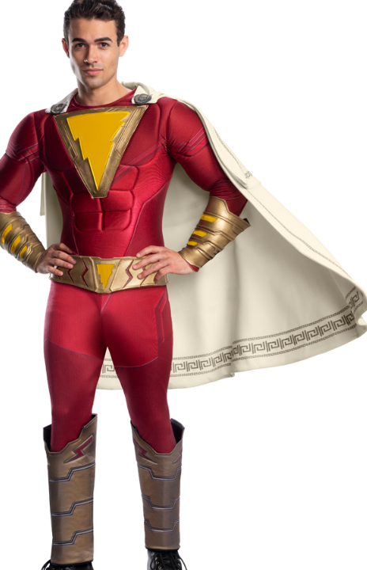 | 259
700802-XL | Shazam Grand Heritage |  | $75.00 | $18.75 | $56.25 |  | 248
702977-L | Glinda Deluxe Adult Costume | Dress, Crown, Underskirt | $55.00 | $13.75 | $41.25 | 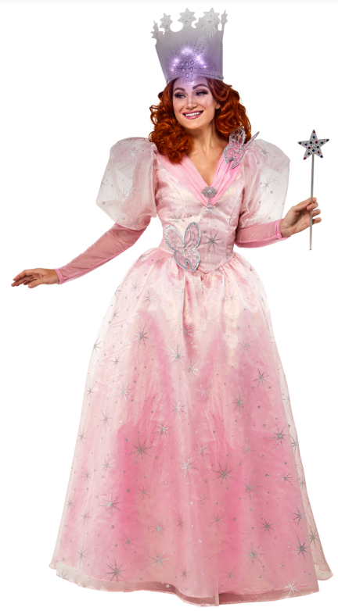 | 36
702977-M | Glinda Deluxe Adult Costume |  | $55.00 | $13.75 | $41.25 |  | 87
702977-S | Glinda Deluxe Adult Costume |  | $55.00 | $13.75 | $41.25 |  | 36
1001181-S | Wicked Witch Deluxe Adult Costume | Dress, Cape, Hat | $55.00 | $13.75 | $41.25 | 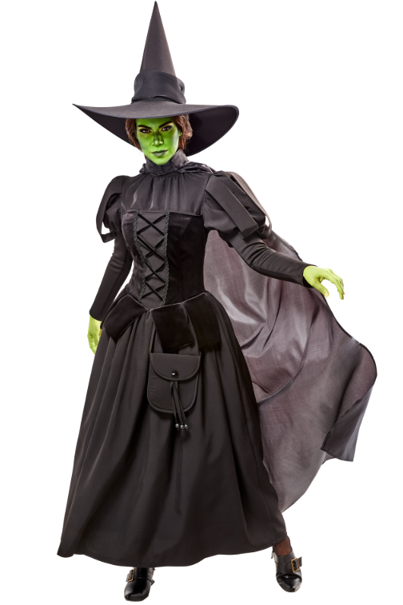 | 1 | 2026-06-15
1001181-M | Wicked Witch Deluxe Adult Costume |  | $55.00 | $13.75 | $41.25 |  | 114 | 2026-06-15
1001181-L | Wicked Witch Deluxe Adult Costume |  | $55.00 | $13.75 | $41.25 |  | 17 | 2026-06-15
1001181-XX | Wicked Witch Adult Costume - Plus | Dress With Satchel, Hat, Cape | $55.00 | $13.75 | $41.25 | 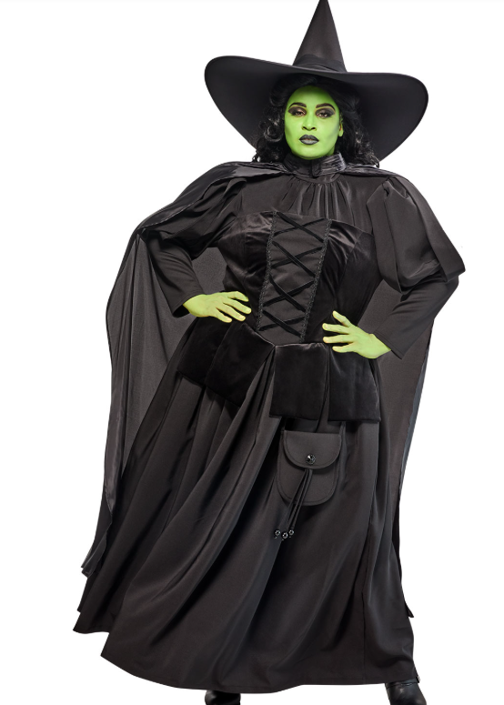 | 163
1001181-XXX | Wicked Witch Adult Costume - Plus |  | $55.00 | $13.75 | $41.25 |  | 24
73102-NS | Grand Reaper Creature Reacher Adult Costume | Mask, Arms, Robe, Waist Sash | $140.00 | $35.00 | $105.00 | 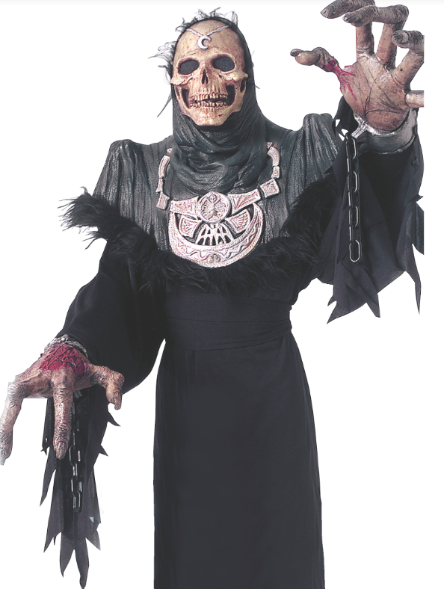 | 3 | No more expected
820075-STD | Batman Grand Heritage | Padded Jumpsuit with Molded Logo, Gauntlets, Boot Tops, belt, Cape, Mask | $160.00 | $40.00 | $120.00 | 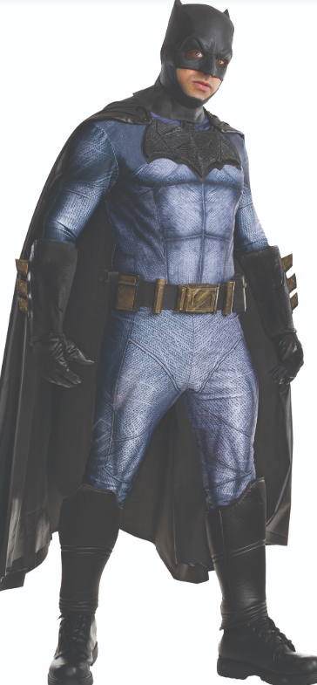 | 1 | No more expected
820075-XL | Batman Grand Heritage |  | $160.00 | $40.00 | $120.00 |  | 12
820076-L | Wonder Woman Grand Heritage Adult Costume | Top, Skirt, Shorts, Bandolier, Tiara, Armband, Gauntlets, Glovelets, Shin Guards | $84.00 | $21.00 | $63.00 | 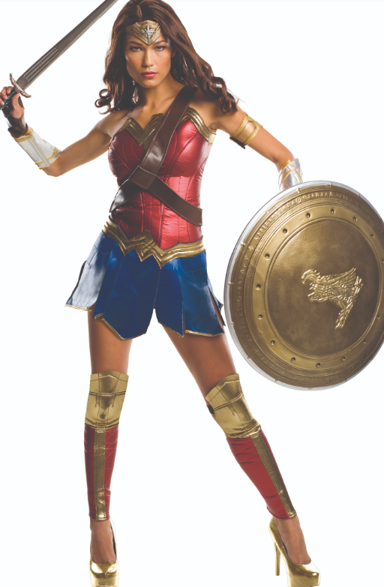 | 4 | No more expected
820221-L | Buddy the Elf Grand Heritage Adult Costume | Jacket, hat with feather, wig, tights, belt and shoe covers | $142.00 | $35.50 | $106.50 |  | 250
820221-M | Buddy the Elf Grand Heritage Adult Costume |  | $142.00 | $35.50 | $106.50 |  | 124
820221-XL | Buddy the Elf Grand Heritage Adult Costume |  | $142.00 | $35.50 | $106.50 |  | 307
820947-STD | PENNYWISE CULTURE COSTUME | Shirt, Pants, Collar, Overhead Mask | $75.00 | $18.75 | $56.25 | 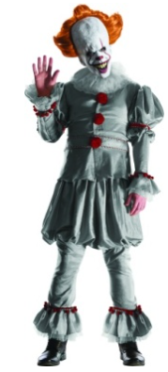 | 93
820947-XL | PENNYWISE CULTURE COSTUME | Shirt, Pants, Collar, Overhead Mask | $75.00 | $18.75 | $56.25 |  | 70
887207-STD | Batman 1966 Grand Heritage | Jumpsuit, Cape, Mask, Briefs, Gauntlets, Belt, Boot Tops | $75.00 | $18.75 | $56.25 |  | 1100
887207-XL | Batman 1966 Grand Heritage |  | $75.00 | $18.75 | $56.25 |  | 334
887208-STD | Robin 1966 Grand Heritage | Top, Cape, Briefs, Tights, Eye Mask, Gloves, Belt, Shoe Covers | $73.00 | $18.25 | $54.75 |  | 841
887208-XL | Robin 1966 Grand Heritage |  | $73.00 | $18.25 | $54.75 |  | 473
887209-STD | GRAND HERITAGE JOKER 1966 | Lined Jacket, Shirt Front, Bow Tie, Vest, Pants | $84.00 | $21.00 | $63.00 |  | 119
887210-STD | GRAND HERITAGE RIDDLER | Jumpsuit, Belt, Mask, Gloves | $63.00 | $15.75 | $47.25 |  | 7
887211-L | Batgirl 1966 Grand Heritage | Jumpsuit, Cape, Gloves, Mask with Hair, Belt | $75.00 | $18.75 | $56.25 | 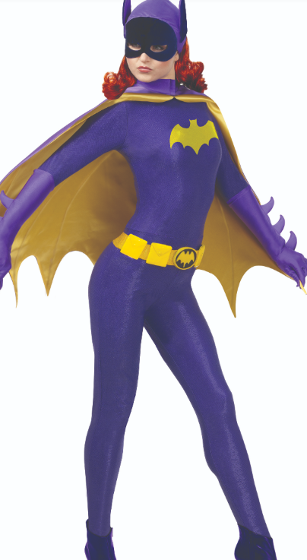 | 498
887211-M | Batgirl 1966 Grand Heritage |  | $75.00 | $18.75 | $56.25 |  | 301
887211-S | Batgirl 1966 Grand Heritage |  | $75.00 | $18.75 | $56.25 |  | 398
887212-L | Catwoman 1966 Grand Heritage | Jumpsuit, Gloves with Nails, Belt, Headband, Eye Mask, Necklace | $75.00 | $18.75 | $56.25 |  | 269
887212-M | Catwoman 1966 Grand Heritage |  | $75.00 | $18.75 | $56.25 |  | 500
887212-S | Catwoman 1966 Grand Heritage |  | $75.00 | $18.75 | $56.25 |  | 483
888826-STD | FLYING MONKEY DLX | Jumpsuit With Shoe Covers, Headpiece, Jacket, Wings | $55.00 | $13.75 | $41.25 |  | 38
888826-XL | FLYING MONKEY DLX |  | $55.00 | $13.75 | $41.25 | 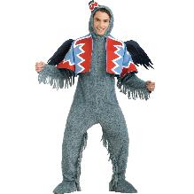 | 137
CH03561X | Dark Knight Batman Adult Costume Plus | Bodysuit, Mask, Cape, Boot Covers, Belt, Gloves, Arm Guards | $140.00 | $35.00 | $105.00 | 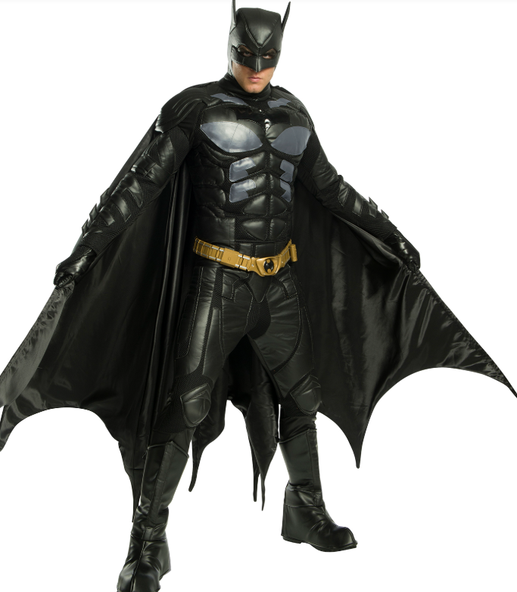 | 5 | 2026-06-05
CH03561-XS | Dark Knight Batman Adult Costume |  | $140.00 | $35.00 | $105.00 |  | 3 | 2026-03-15
CH03561-M | Dark Knight Batman Adult Costume |  | $140.00 | $35.00 | $105.00 |  | 26 | 2026-03-15
CH03561-L | Dark Knight Batman Adult Costume |  | $140.00 | $35.00 | $105.00 |  | 11 | 2026-03-15
CH03566-XL | Flash Premium Adult Costume | High Grade Stretch Bodysuit, Deluxe Belt, Gloves, Mask, Boot Covers | $55.00 | $13.75 | $41.25 |  | 99
CH03566-L | Flash Premium Adult Costume |  | $55.00 | $13.75 | $41.25 |  | 159
CH03566-S | Flash Premium Adult Costume |  | $55.00 | $13.75 | $41.25 |  | 91
CH03588-L | Aquaman Grand Heritage Adult Costume | Bodysuit, Belt, Shorts, Gloves, Boot Covers with Fins | $55.00 | $13.75 | $41.25 | 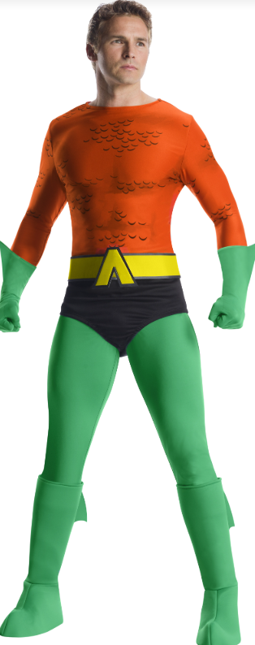 | 2
CH03588-M | Aquaman Grand Heritage Adult Costume |  | $55.00 | $13.75 | $41.25 |  | 23
CH03588-XL | Aquaman Grand Heritage Adult Costume |  | $55.00 | $13.75 | $41.25 |  | 11
CH03588-XS | Aquaman Grand Heritage Adult Costume |  | $55.00 | $13.75 | $41.25 |  | 63
CH03604-XL | DRAGON KNIGHT | Fur Cape, Jacket, Boot Covers, Belt, Gloves, Arm Guards | $60.10 | $15.03 | $45.08 | 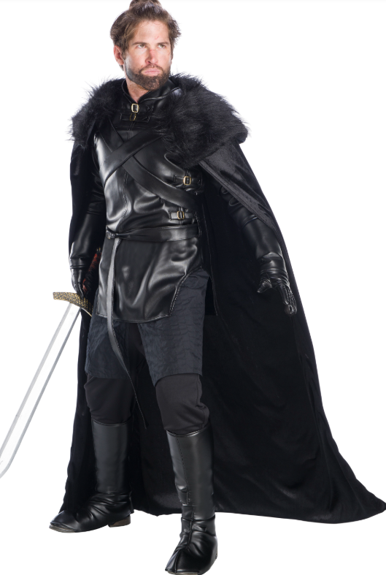 | 52
CH03604-L | DRAGON KNIGHT |  | $60.10 | $15.03 | $45.08 |  | 201
CH03604-M | DRAGON KNIGHT |  | $60.10 | $15.03 | $45.08 |  | 51
CH03604-S | DRAGON KNIGHT |  | $60.10 | $15.03 | $45.08 |  | 21
CH03604-XS | DRAGON KNIGHT |  | $60.10 | $15.03 | $45.08 |  | 36
CH03614-L | Premium Batgirl Adult Costume Jacket Set | Jacket, Pants, Cape, Belt, Headpiece, Gloves, Mask | $66.00 | $16.50 | $49.50 | 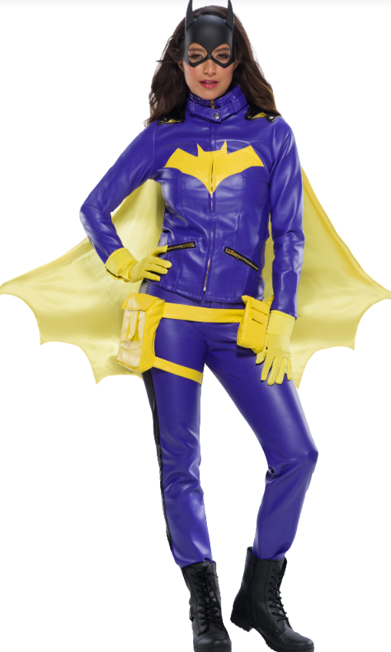 | 21
CH03614-M | Premium Batgirl Adult Costume Jacket Set |  | $66.00 | $16.50 | $49.50 |  | 30
CH03614-S | Premium Batgirl Adult Costume Jacket Set |  | $66.00 | $16.50 | $49.50 |  | 78
CH03699-XL | Wonder Woman Culture Costume | Corset Top, Skirt, Belt with Lasso, Headpiece, Gauntlets, Boot Covers | $80.00 | $20.00 | $60.00 | 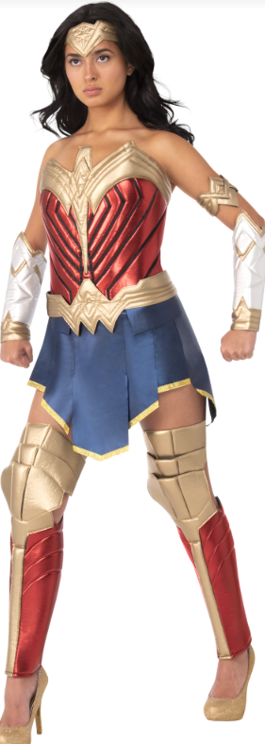 | 11
CH03699-L | Wonder Woman Culture Costume |  | $80.00 | $20.00 | $60.00 |  | 34
CH03699-M | Wonder Woman Culture Costume |  | $80.00 | $20.00 | $60.00 |  | 38
CH03699-S | Wonder Woman Culture Costume |  | $80.00 | $20.00 | $60.00 |  | 94
CH03699-XS | Wonder Woman Culture Costume |  | $80.00 | $20.00 | $60.00 |  | 44
CH03860-XL | Joker Premium Adult Costume | Jacket, Pants, Shirt, Vest, Tie, Gloves, Makeup Kit | $75.00 | $18.75 | $56.25 | 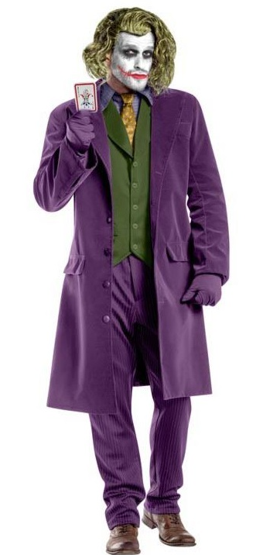 | 10
CH03860-L | Joker Premium Adult Costume |  | $75.00 | $18.75 | $56.25 |  | 39
CH03860-M | Joker Premium Adult Costume |  | $75.00 | $18.75 | $56.25 |  | 24
F62881-STD | Knight In Shining Armour Adult Costume | Helmet, Shoulder and Chest Armor, Arm and Leg Armor, Hood, Pants, Shirt | $90.00 | $22.50 | $67.50 | 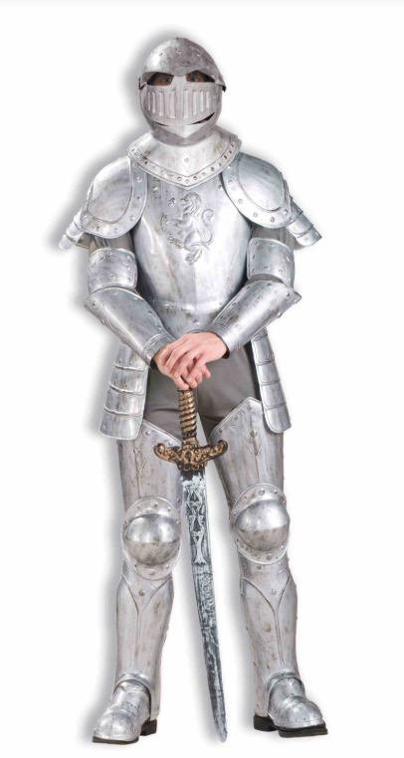 | 34 | 2026-02-21
1003303 | Morticia Graveyard Gala Grand Heritage Adult Costume | Morticia Graveyard Gala Dress | $75.00 | $18.75 | $56.25 | Image coming soon | 0 | 2026-05-01

