Paid Sick FMLA Scenario
Paid Sick FMLA Scenario

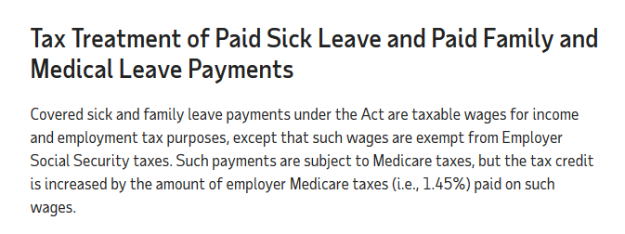
Scenario of Families First Coronavirus Response Act - Cost to Employer
Average Hours Worked over 2 weeks based on prior 6 month period | Normal Hourly Rate | Benefit Expense:
80 | $25.00 |  | CAP per Employee
Add X on one of these if applies | X | $2,000.00 | $5,110.00
 |  | $0.00 | $2,000.00
Add X if Applies | X | $6,600.00 | $10,000.00
 | Total Paid to Employee | $8,600.00 | Max Overall Per Employee $15,110
 |  | Tax credit available if not over $15,110 per employee
Add Company Portion of Health Care for time period | $560.00 | $9,160.00 | No Tax Credits over the CAP is allowed
 | Plus Employer portion of Medicare Tax 1.45% | $9,284.70
 |  | Includes additional amount for Healthcare & Medicare

EMERGENCY PAID SICK LEAVE PROVISION IF UNABLE TO TELEWORK
Event Type: Paid at Regular Rate - capped at $511 per day and $5,110 total - Max 2 weeks
*Employee who is subject to quarantine - Federal, state or local and unable to telework
*Self-quarantine upon advice from a medical professional due to COVID-19 and unable to telework
*Employee with symptoms of COVID-19 and seeking medical diagnosis
Event Type: Paid at 2/3 of Regular pay - capped at $200 per day and $2,000 total
*Employee caring for individual who is subject to quarantine or isolation due to COVID-19
*Employee caring for child whose school or place of care is unavailable due to COVID-19
*Employee experiencing conditions to be specified later

EMERGENCY PAID FAMILY LEAVE PROVISION IF UNABLE TO TELEWORK
Event Type if employed over 30 days - 10 days unpaid then 2/3 regular pay - Max $200 day and $10,000 total Max 12 weeks (10 if paid SICK leave first) Note: Calculator for this benefit based on 10 weeks. Modify to 12 weeks (480 hours) if no Sick Leave taken.
*Employee who must care for their child under 18 whose school or place of care is closed or otherwise unavailable due to COVID-19 Public Health Emergency.

Other Notes:
Tax Credit will also cover employer paid health insurance premiums.

Can apply for advance re-payment of the tax credit.

Employer must post a notice of these requirements. See link for poster

Not protected under FMLA if employee wants to avoid working from home.

https://www.oregon.gov/boli/WHD/OST/Pages/Index.aspx |  | https://www.oregon.gov/boli/pages/coronavirus-and-workplace-laws.aspx
Oregon Paid Sick Leave Laws for COVID-19

https://esd.wa.gov/newsroom/covid-19
WA info on Paid Sick Leave and Unemployment

Unemployement addition $600 per week for up to four months.

