Page 1
 | 14023 Catalina St. San Leandro, CA 94577 847-562-1227, orders@greentoys.com |  |  | Order Date:___________________________ | Customer PO#_____________________
 |  |  |  | Ship Date:____________________________ | Sales Rep:_________________________

CUSTOMER & PAYMENT INFO | Company Name: |  |  | New Customer (CC req'd on initial order) Existing Customer
 | BILL TO: |  |  | SHIP TO: Same as bill to | PAYMENT METHOD:
 | Address:________________________________ |  |  | _________________________________________________ | Credit Card Applying for terms Exisiting terms
 | City, State, Zip:___________________________ |  |  | _________________________________________________
 | _______________________________________ |  |  | Phone:___________________________________________
 | Resale #:________________________________ |  |  | Email:____________________________________________
TERMS | • Minimum order: $300 |  |  | • FOB Hayward, CA USA | • Prices subject to change without notice
 | • All items sold in case pack quantities only |  |  | • All orders are subject to Green Toys Inc.’s Terms and Conditions of Sale in effect as of the date of this order. A copy may be found at http://www.greentoys.com/docs/greentoys-tc-sale.pdf
 | • All terms subject to Green Toys acceptance
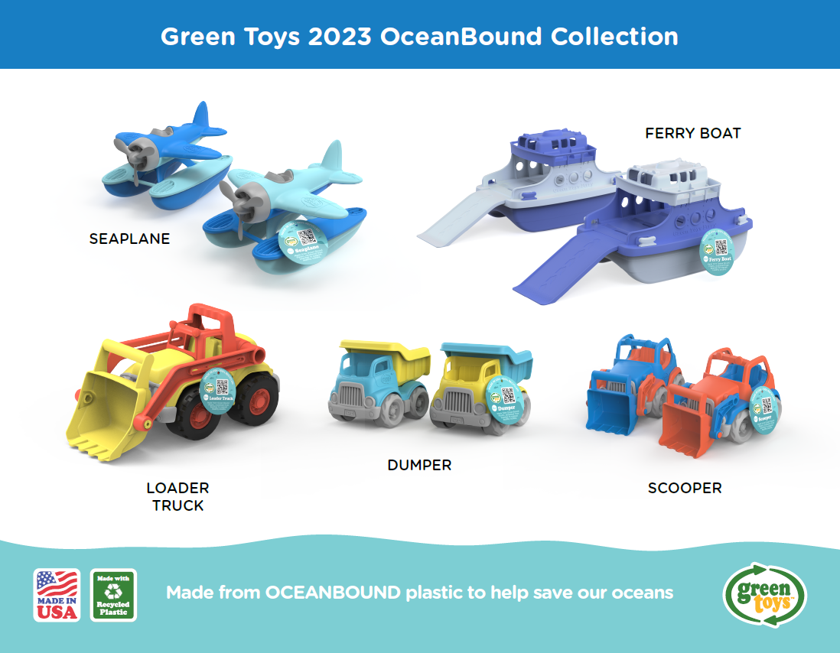
 | Qty | Item # | UPC | Description | Case Pack | Price Each | 10% Disc. | 15% Disc. | SRP | Total Price
OceanBound Collection |  | SEAOB-1777 | 816409017774 | OceanBound Seaplane | 6 | $13.00 | $11.70 | $11.05 | $24.99 | $-
 |  | FRBOB-1778 | 816409017781 | OceanBound Ferry Boat | 6 | $15.50 | $13.95 | $13.17 | $29.99 | $-
 |  | LTKOB-1779 | 816409017798 | OceanBound Loader Truck | 6 | $17.00 |  |  | $32.99 | $-
 |  | CDPOB-1780 | 816409017804 | OceanBound Dumper - Construction Truck | 6 | $9.00 | $8.10 | $7.65 | $16.99 | $-
 |  | CSCOB-1781 | 816409017811 | OceanBound Scooper - Construction Truck | 6 | $9.00 | $8.10 | $7.65 | $16.99 | $-
NEW |  | SLR4-1607 | 816409016074 | Stack & Link Racers | 8 | $13.00 | $11.70 | $11.05 | $24.99 | $-
 |  | SLS1-1584 | 816409015848 | Sea Life Set | 8 | $8.00 |  |  | $14.99 | $-
 |  | RTTK-1734 | 816409017347 | Racing Truck w/ 2 Racers | 6 | $18.00 |  |  | $34.99 | $-
 |  | DSSUBP-1617 | 816409016173 | Minnie Mouse Submarine | 8 | $10.00 |  |  | $16.99 | $-
 |  | DWAGMYT-1685 | 816409016852 | Mickey Mouse Wagon | 4 | $16.50 |  |  | $29.99 | $-
DISNEY BABY™ |  | DSPSAP-1528 | 816409015282 | Minnie Mouse & Friends Shape Sorter | 6 | $12.50 |  |  | $19.99 | $-
 |  | DSPTKP-1529 | 816409015299 | Minnie Mouse & Friends Shape Sorter Truck | 6 | $18.00 |  |  | $29.99 | $-
 |  | DRTKP-1533 | 816409015336 | Minnie Mouse Recycling Truck | 6 | $18.00 |  |  | $29.99 | $-
 |  | DDTKP-1530 | 816409015305 | Minnie Mouse Dump Truck | 6 | $18.00 |  |  | $29.99 | $-
 |  | DTNSS-1517 | 816409015176 | Mickey Mouse & Friends Stack & Sort Train Set | 6 | $25.00 |  |  | $44.99 | $-
 |  | DTEAP-1531 | 816409015312 | Minnie Mouse & Friends Tea Party Set | 6 | $18.00 |  |  | $29.99 | $-
 |  | DSSUBB-1532 | 816409015329 | Mickey Mouse Submarine | 8 | $10.00 |  |  | $16.99 | $-
 |  | DLBT-1583 | 816409015831 | Mickey Mouse Linking Boats | 6 | $15.00 |  |  | $24.99 | $-
 |  | DSTMY-1425 | 816409014254 | Mickey Mouse Stacker | 6 | $10.00 |  |  | $16.99 | $-
 |  | DSTME-1426 | 816409014261 | Minnie Mouse Stacker | 6 | $10.00 |  |  | $16.99 | $-
 |  | DSSPS-1427 | 816409014278 | Mickey Mouse & Friends Shape Sorter | 6 | $12.50 |  |  | $19.99 | $-
 |  | DRTK-1466 | 816409014667 | Mickey Mouse Recycle Truck | 6 | $18.00 |  |  | $29.99 | $-
 |  | DDTK-1467 | 816409014674 | Mickey Mouse Dump Truck | 6 | $18.00 |  |  | $29.99 | $-
 |  | DSEAB-1465 | 816409014650 | Mickey Mouse Seaplane - Blue Wings | 6 | $15.00 |  |  | $24.99 | $-
 |  | DSEAR-1464 | 816409014643 | Mickey Mouse Seaplane - Red Wings | 6 | $15.00 |  |  | $24.99 | $-
 |  | DSPTK-1434 | 816409014346 | Mickey Mouse & Friends Shape Sorter Truck | 6 | $18.00 |  |  | $29.99 | $-
SESAME STREET |  | SSDG1-1341 | 816409013417 | Sesame Street Character Stamp Dough Set | 6 | $9.00 |  |  | $14.99 | $-
 |  | SSDFM-1322 | 816409013226 | Garden Friends Dough Activity Set | 4 | $16.50 |  |  | $29.99 | $-
 |  | SSDTM-1323 | 816409013233 | Elmo & Friends Dough Activity Set | 4 | $16.50 |  |  | $29.99 | $-
 |  | SSWTCR-1316 | 816409013165 | Watering Can Activity Set - Elmo (Red/Yellow) | 4 | $13.50 |  |  | $22.99 | $-
 |  | SSWTCP-1317 | 816409013172 | Watering Can Activity Set – Abby (Pink/Purple) | 4 | $13.50 |  |  | $22.99 | $-
 |  | SSGAR1-1318 | 816409013189 | Abby’s Garden Planting Activity Set | 4 | $13.50 |  |  | $22.99 | $-
 |  | SSWAG-1340 | 816409013400 | Elmo's Wagon | 2 | $16.50 |  |  | $29.99 | $-
 |  | SSXPL1-1319 | 816409013196 | Elmo Explores Outdoor Activity Set | 4 | $11.50 |  |  | $19.99 | $-
VEHICLES |  | AIRA-1028 | 816409010287 | Airplane - Assortment | 8 | $9.00 | $8.10 | $7.65 | $16.99 | $-
 |  | AIRB-1027 | 816409010270 | Airplane - Blue Wings | 8 | $9.00 |  |  | $16.99 | $-
 |  | AIRR-1026 | 816409010263 | Airplane - Red Wings | 8 | $9.00 |  |  | $16.99 | $-
 |  | TAMDK-1609 | 816409016098 | Ambulance & Doctor's Kit | 6 | $20.50 |  |  | $39.99 | $-
 |  | CCRB-1237 | 816409012373 | Car Carrier | 4 | $15.50 | $13.95 | $13.17 | $29.99 | $-
 |  | CPTK-1586 | 816409015862 | Cupcake Truck | 6 | $10.50 |  |  | $19.99 | $-
 |  | CRGB-1399 | 816409013998 | Cargo Plane - Blue | 6 | $15.50 |  |  | $29.99 | $-
 |  | CST3A-1630 | 816409016302 | Construction Vehicle - 3 Pack | 4 | $20.50 |  |  | $39.99 | $-
 |  | CSTV-1261 | 816409012618 | Construction Truck Assortment | 6 | $9.00 |  |  | $16.99 | $-
 |  | CDPB-1262 | 816409012625 | Dumper - Construction Truck | 6 | $9.00 |  |  | $16.99 | $-
 |  | CMXG-1263 | 816409012632 | Mixer - Construction Truck | 6 | $9.00 |  |  | $16.99 | $-
 |  | CSCO-1106 | 816409011062 | Scooper - Construction Truck | 6 | $9.00 |  |  | $16.99 | $-
 |  | DTK01R | 793573550309 | Dump Truck | 6 | $15.50 | $13.95 | $13.17 | $29.99 | $-
 |  | DTKP-1010 | 816409010102 | Dump Truck - Pink | 6 | $15.50 | $13.95 | $13.17 | $29.99 | $-
 |  | DTKBO-1283 | 816409012830 | Dump Truck - Blue/Orange | 6 | $15.50 |  |  | $29.99 | $-
 |  | FTK01R | 793573685858 | Fire Truck - Red | 6 | $15.50 |  |  | $29.99 | $-
 |  | FLRA-1481 | 793573714817 | Flatbed w/ Red Race Car | 6 | $18.00 | $16.20 | $15.30 | $34.99 | $-
 |  | HELA-1062 | 816409010621 | Helicopter - Assortment | 8 | $10.50 |  |  | $19.99 | $-
 |  | HELG-1061 | 816409010614 | Helicopter - Green | 8 | $10.50 |  |  | $19.99 | $-
 |  | HELB-1060 | 816409010607 | Helicopter - Blue | 8 | $10.50 |  |  | $19.99 | $-
 |  | LTKT-1587 | 816409015879 | Loader Truck | 6 | $18.00 |  |  | $35.99 | $-
 |  | MVT1-1164 | 816409011642 | Mini Cars (Tombstone Display) | 24 | $3.00 | $2.70 | $2.55 | $5.99 | $-
 |  | MVP1-1165 | 816409011659 | Mini Vehicle 4-Pack | 8 | $15.50 |  |  | $29.99 | $-
 |  | RACT-1008 | 816409010089 | Race Car - Assortment Blue/Pink/Red | 12 | $5.50 | $4.95 | $4.68 | $9.99 | $-
 |  | RACB-1479 | 793573714794 | Race Car - Blue | 12 | $5.50 |  |  | $9.99 | $-
 |  | RACP-1480 | 793573714800 | Race Car - Pink | 12 | $5.50 |  |  | $9.99 | $-
 |  | RACR-1478 | 793573714787 | Race Car - Red | 12 | $5.50 |  |  | $9.99 | $-
 |  | RKTA-1041 | 816409010416 | Rocket - Assortment | 4 | $15.50 | $13.95 | $13.17 | $29.99 | $-
 |  | RKTB-1039 | 816409010393 | Rocket - Blue Top | 4 | $15.50 |  |  | $29.99 | $-
 |  | RKTR-1040 | 816409010409 | Rocket - Red Top | 4 | $15.50 |  |  | $29.99 | $-
 |  | RTK01R | 793573550316 | Recycling Truck - Green | 6 | $15.50 |  |  | $29.99 | $-
 |  | RVCO-1459 | 816409014599 | RV Camper Set | 6 | $20.50 |  |  | $39.99 | $-
 |  | SCHY-1009 | 816409010096 | School Bus | 6 | $15.50 | $13.95 | $13.17 | $29.99 | $-
 |  | SPTK-1398 | 816409013981 | Shape Sorter Truck | 6 | $15.50 | $13.95 | $13.17 | $29.99 | $-
 |  | TNSS-1460 | 816409014605 | Stack & Sort Train | 6 | $22.50 |  |  | $44.99 | $-
 |  | TRNB-1054 | 816409010546 | Train - Blue | 6 | $18.00 |  |  | $32.99 | $-
 |  | TRTO-1042 | 816409010423 | Tractor - Orange | 6 | $15.50 | $13.95 | $13.17 | $29.99 | $-
 |  | SEE PAGE 2 FOR ADDITIONAL PRODUCTS |  |  | Page 1 Subtotal |  |  |  |  | $-
 | Qty | Item # |  | Description | Case Pack |  |  |  | SRP | Total Price
BABY & TODDLER |  | BTS1-1236 | 816409012366 | Baby Toy Starter Set | 4 | $20.50 |  |  | $39.99 | $-
 |  | BLKA-1110 | 816409011109 | Block Set | 6 | $13.00 |  |  | $24.99 | $-
 |  | ARBB-1235 | 816409012359 | Airplane & Board Book Set | 4 | $10.50 |  |  | $19.99 | $-
 |  | KYSA-1037 | 816409010379 | First Keys | 12 | $5.50 | $4.95 | $4.68 | $9.99 | $-
 |  | SPSA-1036 | 816409010362 | Shape Sorter | 6 | $10.50 |  |  | $19.99 | $-
 |  | STK01R | 793573680792 | Stacker | 8 | $8.00 |  |  | $14.99 | $-
 |  | STCA-8586 | 793573685865 | Stacking Cups | 8 | $7.00 |  |  | $12.99 | $-
 |  | TGBB-1402 | 816409014025 | Tugboat & Board Book | 4 | $10.50 |  |  | $19.99 | $-
 |  | KNTA-1502 | 793573715029 | Twist Teether | 12 | $7.00 |  |  | $12.99 | $-
BATH & WATER PLAY |  | BTDY-1348 | 816409013486 | Sport Boat Display | 12 | $3.00 |  |  | $5.99 | $-
 |  | FPLO-1400 | 816409014001 | Fire Plane | 6 | $10.50 | $9.45 | $8.92 | $19.99 | $-
 |  | FRBA-1038 | 816409010386 | Ferry Boat - Blue/White | 6 | $15.50 | $13.95 | $13.17 | $29.99 | $-
 |  | FRBGW-1290 | 816409012908 | Ferry Boat - Green/White | 6 | $15.50 |  |  | $29.99 | $-
 |  | PDBA-1343 | 816409013431 | Paddle Boat Assorted Colors | 8 | $8.00 | $7.20 | $6.80 | $14.99 | $-
 |  | RBH1-1155 | 816409011550 | Rescue Boat & Helicopter | 4 | $20.50 |  |  | $39.99 | $-
 |  | SECA-1065 | 816409010652 | Sea Copter - Assortment | 6 | $13.00 |  |  | $24.99 | $-
 |  | SECO-1064 | 816409010645 | Sea Copter - Orange | 6 | $13.00 |  |  | $24.99 | $-
 |  | SECB-1063 | 816409010638 | Sea Copter - Blue | 6 | $13.00 |  |  | $24.99 | $-
 |  | SEAA-1031 | 816409010317 | Seaplane - Assortment | 6 | $13.00 | $11.70 | $11.05 | $24.99 | $-
 |  | SEAG-1029 | 816409010294 | Seaplane - Green Wings | 6 | $13.00 |  |  | $24.99 | $-
 |  | SEAY-1030 | 816409010300 | Seaplane - Yellow Wings | 6 | $13.00 | $11.70 | $11.05 | $24.99 | $-
 |  | SUBA-1034 | 816409010348 | Submarine - Assortment | 8 | $8.00 | $7.20 | $6.80 | $14.99 | $-
 |  | SUBB-1032 | 816409010324 | Submarine - Blue Handle | 8 | $8.00 |  |  | $14.99 | $-
 |  | SUBY-1033 | 816409010331 | Submarine - Yellow Handle | 8 | $8.00 |  |  | $14.99 | $-
 |  | TDP1-1311 | 816409013110 | Tide Pool Bath Set | 6 | $13.00 |  |  | $24.99 | $-
 |  | TUG01R-A | 793573685827 | Tug Boat - Assortment Blue/Red/Yellow | 9 | $8.00 | $7.20 | $6.80 | $14.99 | $-
 |  | TUG01R-B | 793573640536 | Tug Boat - Blue | 9 | $8.00 |  |  | $14.99 | $-
 |  | TUG01R-R | 793573680877 | Tug Boat - Red | 9 | $8.00 |  |  | $14.99 | $-
 |  | TUG01R-Y | 793573680884 | Tug Boat - Yellow | 9 | $8.00 |  |  | $14.99 | $-
PLAYSETS |  | PFIR-1156 | 816409011567 | Fire Station Playset | 4 | $27.00 |  |  | $52.99 | $-
 |  | PFRM-1158 | 816409011581 | Farm Playset | 4 | $27.00 |  |  | $52.99 | $-
...

